Sheet1
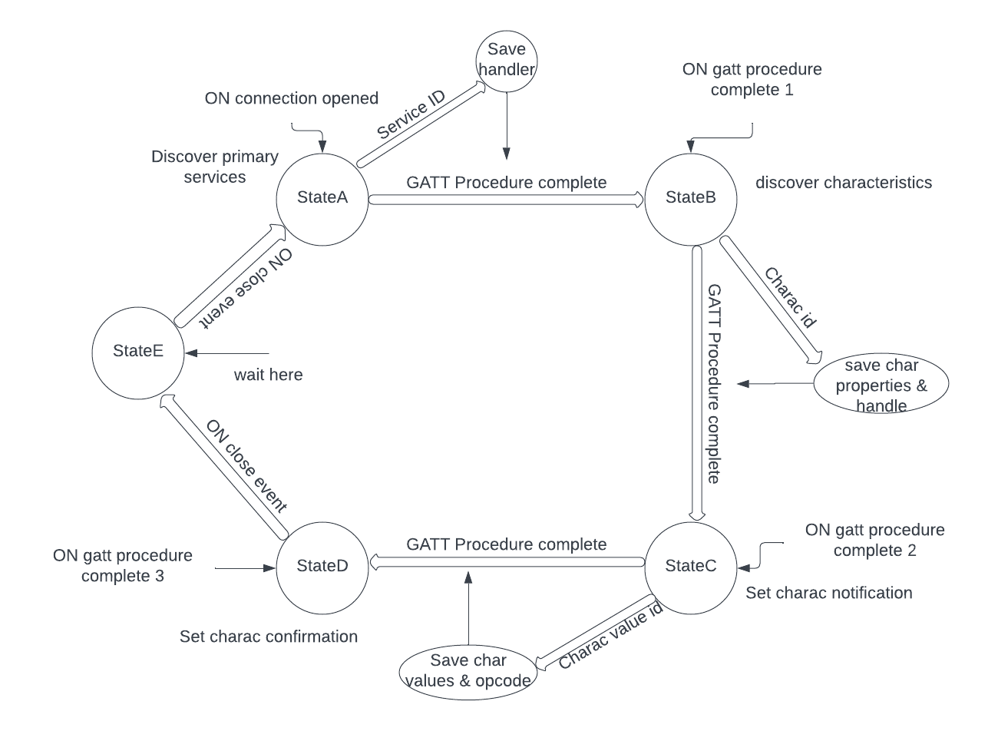
 | Client Command Table for A7

 | Use this table to help you design your program. Add rows as needed. | Use this column to describe when and what your LCD display changes to for rows like DISPLAY_ROW_CONNECTION | Use this column to denote if BT stack events cause your state machine to advance, you can put an X in the cell to note this. Drawing a bubble diagram of your state machine might also be a good idea 👍. | Commands that may be useful: sl_bt_gatt_discover_primary_services_by_uuid() sl_bt_gatt_discover_characteristics_by_uuid()
 | Event | LCD Display State | Advances State Machine | Commands called in response to event | Notes

Events Common to Slaves/Clients | sl_bt_evt_system_boot_id |  |  |  | This event is generated on stack boot up
 |  |  |  | sl_bt_scanner_set_mode()
 |  |  |  | sl_bt_scanner_set_timing()
 |  |  |  | sl_bt_connection_set_default_parameters() | All these functions are same as we did in the previous assignment
 |  |  |  | sl_bt_scanner_start()
 |  |  |  | sl_bt_advertiser_create_set()
 |  |  |  | sl_bt_advertiser_set_timing()
 |  |  |  | sl_bt_advertiser_start()
 |  |  |  | sl_bt_system_get_identity_address()

 | sl_bt_evt_connection_opened_id |  | X | sl_bt_advertiser_stop() | Connection is opened
 |  |  | Save connection handle | sl_bt_connection_set_parameters()

 | sl_bt_evt_connection_closed_id |  | X | sl_bt_advertiser_start() | Connetion is closed

 | sl_bt_evt_system_soft_timer_id |  |  |  | Soft timer expiration is indicated by this evevnt

 | sl_bt_evt_scanner_scan_report_id |  |  | sl_bt_scanner_stop() | Received for advertising or scan response packets generated by: sl_bt_scanner_start(). Is the bd_addr, packet_type and address_type what we expect for our Server? If yes: sl_bt_scanner_stop() sl_bt_connection_open(). We connect server and client after getting this event.
 |  |  |  | sl_bt_connection_open()
Events only for Masters/Clients
 | sl_bt_evt_gatt_procedure_completed_id |  | X |  | Upon receiving this event signaling the readiness to execute the next GATT command, it is advisable to diligently inspect any returned error codes. Integrating this event into the sequence of your new state machine can enhance its efficiency and reliability. It is recommended to preserve the GATT command status by storing it in a boolean variable at this juncture, facilitating subsequent GATT command calls with confidence.
 |  |  | X
 |  |  | X

 | sl_bt_evt_gatt_service_id |  | Save service Handle |  | A GATT service in the remote GATT database was discovered

 | sl_bt_evt_gatt_characteristic_id |  | Save characteristic handle and properties. |  | This event is generated after issuing either the sl_bt_gatt_discover_characteristics or sl_bt_gatt_discover_characteristics_by_uuid command.
 |  |  |  |  | We discovered GATT characteristics.

 | sl_bt_evt_gatt_characteristic_value_id |  | Save opcode and characteristic values. | sl_bt_gatt_send_characteristic_confirmation(). | When an indication or notification is enabled for a characteristic, the corresponding event is triggered each time a similar indication or notification is received from the remote GATT server.

Bubble diagram for A7

