SImple_AE
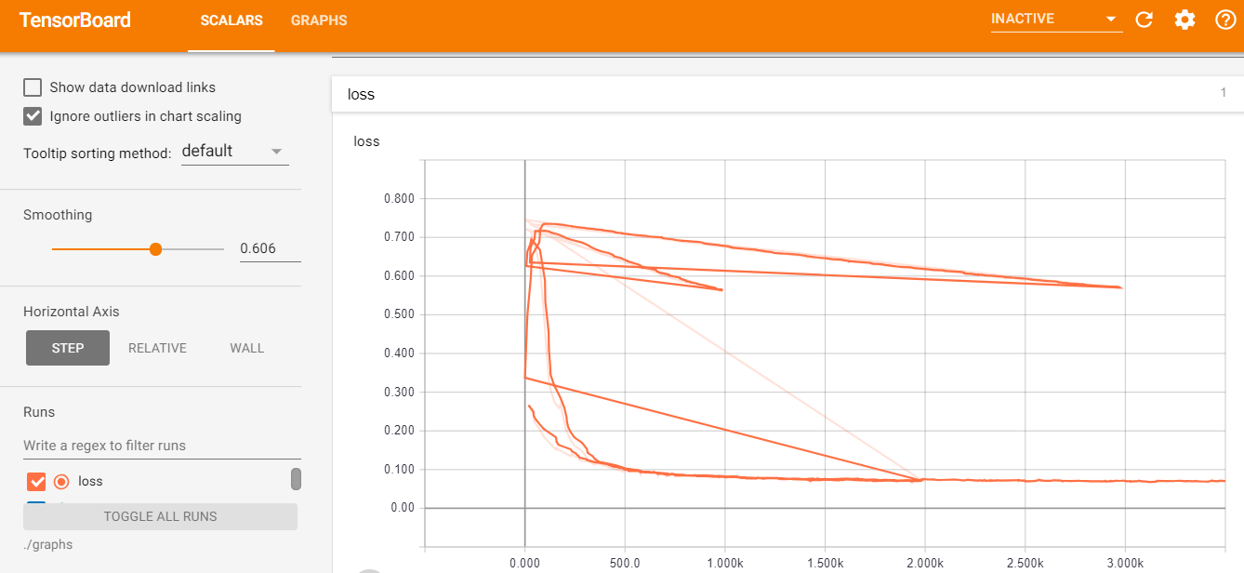
Simple_AE
Adams Optimizer
Training...
step, loss : 0 0.74899757
step, loss : 100 0.18905498
step, loss : 200 0.14511803
step, loss : 300 0.115191884
step, loss : 400 0.109379664
step, loss : 500 0.100001834
step, loss : 600 0.08995149
step, loss : 700 0.08783511
step, loss : 800 0.08842442
step, loss : 900 0.08615557
step, loss : 1000 0.08112023
step, loss : 1100 0.07638767
step, loss : 1200 0.0789689
step, loss : 1300 0.074868694
step, loss : 1400 0.076602295
step, loss : 1500 0.074614264
step, loss : 1600 0.07406257
step, loss : 1700 0.070609435
step, loss : 1800 0.071712196
step, loss : 1900 0.07579442
step, loss : 2000 0.07028271
loss (test) = 0.069549665

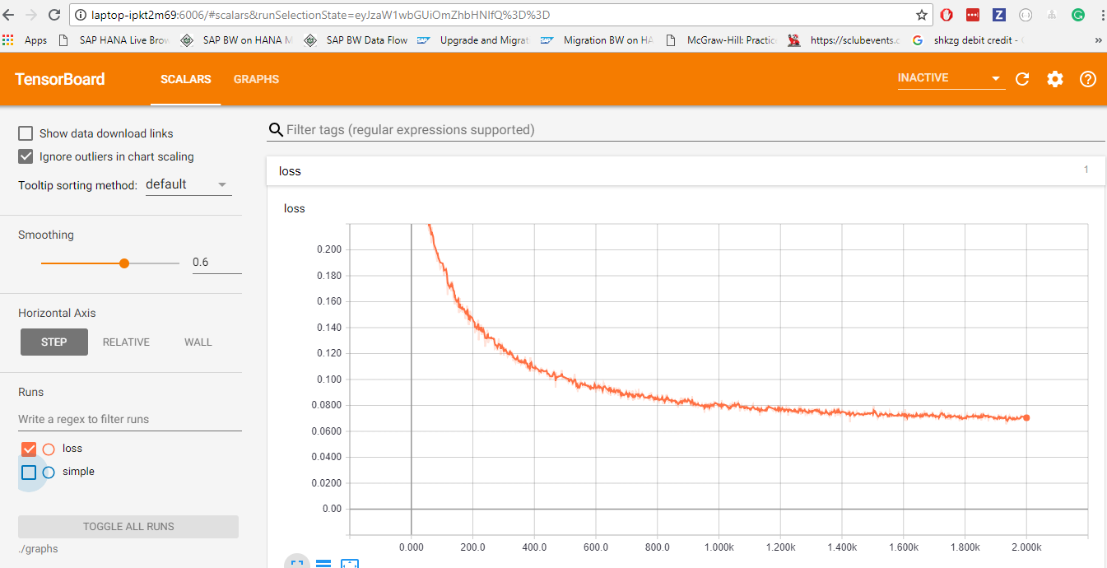

GradientDescentOptimizer(0.002)

Training...
step, loss : 0 0.7460103
step, loss : 100 0.73825353
step, loss : 200 0.7303818
step, loss : 300 0.7229726
step, loss : 400 0.71583885
step, loss : 500 0.70807415
step, loss : 600 0.70184505
step, loss : 700 0.6954524
step, loss : 800 0.68860275
step, loss : 900 0.6810476
step, loss : 1000 0.67534506
step, loss : 1100 0.66880816
step, loss : 1200 0.6626867
step, loss : 1300 0.6557721
step, loss : 1400 0.65085673
step, loss : 1500 0.64373934
step, loss : 1600 0.6393137
step, loss : 1700 0.63264126
step, loss : 1800 0.6265237
step, loss : 1900 0.62102723
step, loss : 2000 0.6170751
step, loss : 2100 0.61064124
step, loss : 2200 0.60623163
step, loss : 2300 0.60230607
step, loss : 2400 0.59537184
step, loss : 2500 0.5920968
step, loss : 2600 0.58598846
step, loss : 2700 0.5826426
step, loss : 2800 0.57624274
step, loss : 2900 0.57223
step, loss : 3000 0.56835485
loss (test) = 0.5685488

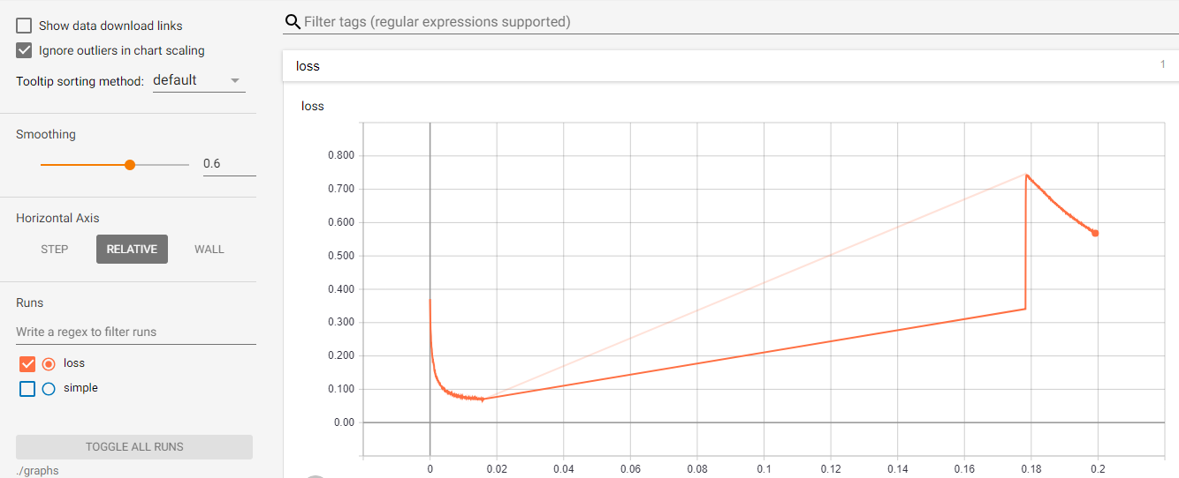

AdagradOptimizer(0.002

Training...
step, loss : 0 0.74153155
step, loss : 100 0.71740746
step, loss : 200 0.6942058
step, loss : 300 0.6728673
step, loss : 400 0.6541745
step, loss : 500 0.6375632
step, loss : 600 0.6177407
step, loss : 700 0.6033976
step, loss : 800 0.5865155
step, loss : 900 0.5722301
step, loss : 1000 0.55942637
loss (test) = 0.55822706

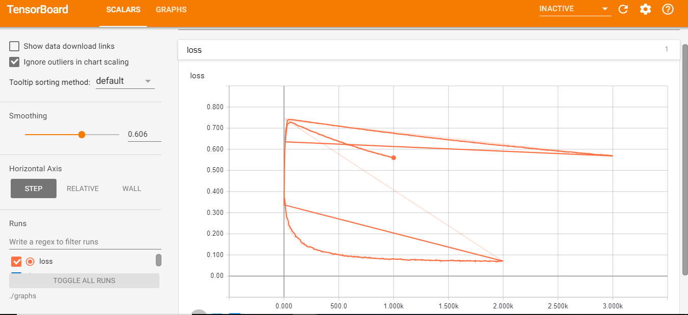

RMSPropOptimizer(0.003)

Training...
step, loss : 0 0.7218654
step, loss : 100 0.46653578
step, loss : 200 0.218772
step, loss : 300 0.13334158
step, loss : 400 0.11224667
step, loss : 500 0.09866845
step, loss : 600 0.092334755
step, loss : 700 0.08932612
step, loss : 800 0.08464743
step, loss : 900 0.081133075
step, loss : 1000 0.08082475
step, loss : 1100 0.07867006
step, loss : 1200 0.07583122
step, loss : 1300 0.07661359
step, loss : 1400 0.07508498
step, loss : 1500 0.07650427
step, loss : 1600 0.07689788
step, loss : 1700 0.073053285
step, loss : 1800 0.07612875
step, loss : 1900 0.07210662
step, loss : 2000 0.0728267
step, loss : 2100 0.07335024
step, loss : 2200 0.073363565
step, loss : 2300 0.07356016
step, loss : 2400 0.07288014
step, loss : 2500 0.06794062
step, loss : 2600 0.07060878
step, loss : 2700 0.071674004
step, loss : 2800 0.06819137
step, loss : 2900 0.07167661
step, loss : 3000 0.06902905
step, loss : 3100 0.0706591
step, loss : 3200 0.07166381
step, loss : 3300 0.07323727
step, loss : 3400 0.0705913
step, loss : 3500 0.06886313
step, loss : 3600 0.070009686
step, loss : 3700 0.07054528
step, loss : 3800 0.06886682
step, loss : 3900 0.06781218
step, loss : 4000 0.06819737
step, loss : 4100 0.06744197
step, loss : 4200 0.0682757
step, loss : 4300 0.071216926
step, loss : 4400 0.067478746
step, loss : 4500 0.06695585
step, loss : 4600 0.066478156
step, loss : 4700 0.06551361
step, loss : 4800 0.065492414
step, loss : 4900 0.070527226
step, loss : 5000 0.0687609
step, loss : 5100 0.06938417
step, loss : 5200 0.06725497
step, loss : 5300 0.06857941
step, loss : 5400 0.06871256
step, loss : 5500 0.06878733
step, loss : 5600 0.06645266
step, loss : 5700 0.06996518
step, loss : 5800 0.068018235
step, loss : 5900 0.069954164
step, loss : 6000 0.07031679
step, loss : 6100 0.06725262
step, loss : 6200 0.06744856
step, loss : 6300 0.06335249
step, loss : 6400 0.06751328
step, loss : 6500 0.06638651
step, loss : 6600 0.068770185
step, loss : 6700 0.06628135
step, loss : 6800 0.067848384
step, loss : 6900 0.06610654
step, loss : 7000 0.06650433
step, loss : 7100 0.06989685
step, loss : 7200 0.067739986
step, loss : 7300 0.066951506
step, loss : 7400 0.067778744
step, loss : 7500 0.06907832
step, loss : 7600 0.06400312
step, loss : 7700 0.06656983
step, loss : 7800 0.06454061
step, loss : 7900 0.06709724
step, loss : 8000 0.068890326
step, loss : 8100 0.06573528
step, loss : 8200 0.066447906
step, loss : 8300 0.06576833
step, loss : 8400 0.06640952
step, loss : 8500 0.06674671
step, loss : 8600 0.065179385
step, loss : 8700 0.06714168
step, loss : 8800 0.0686394
step, loss : 8900 0.065164186
step, loss : 9000 0.06820005
step, loss : 9100 0.06726709
step, loss : 9200 0.06659573
step, loss : 9300 0.06622414
step, loss : 9400 0.06593993
step, loss : 9500 0.068421595
step, loss : 9600 0.06732029
step, loss : 9700 0.06667092
step, loss : 9800 0.069608174
step, loss : 9900 0.06758012
step, loss : 10000 0.065987736
loss (test) = 0.066095866

Stacked_AE
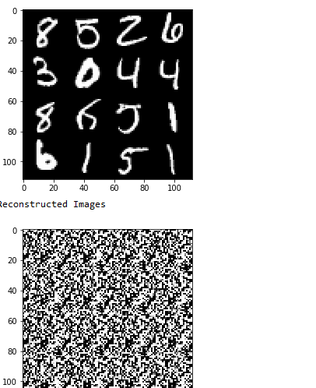
Adams Optimizer
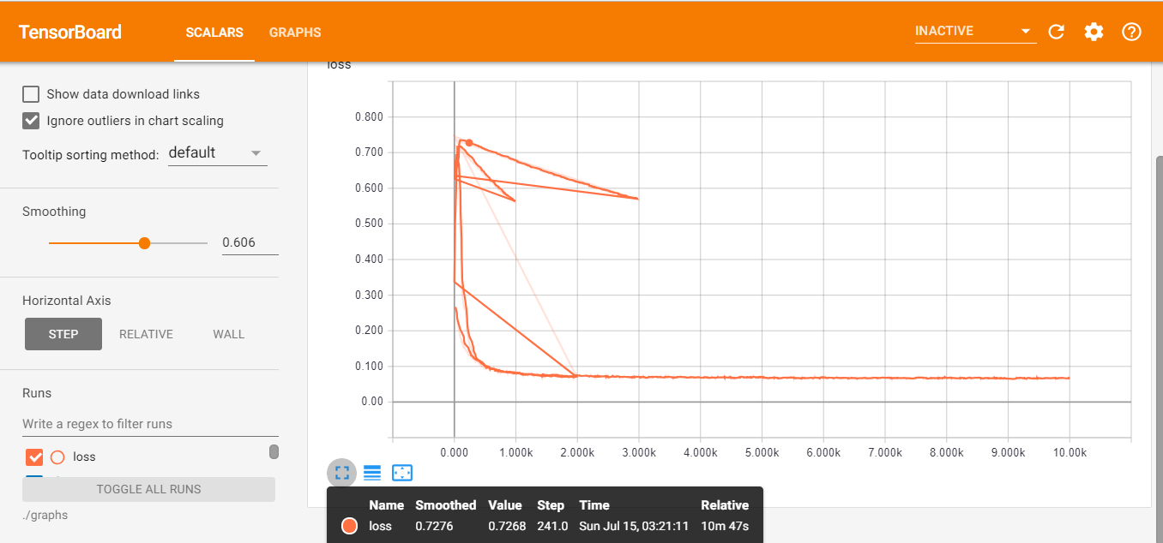

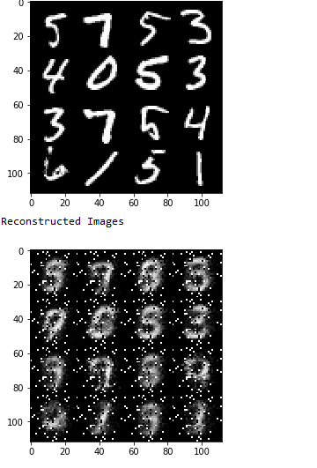

RMS Optimizer (0.002)
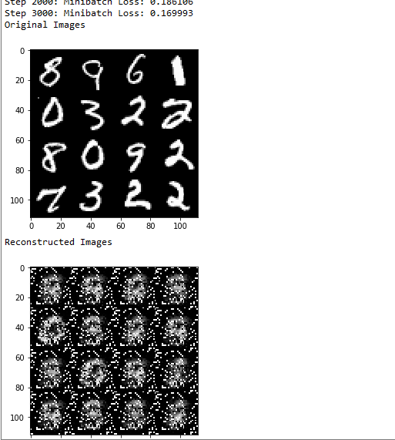

Gradient Descent Optimizer

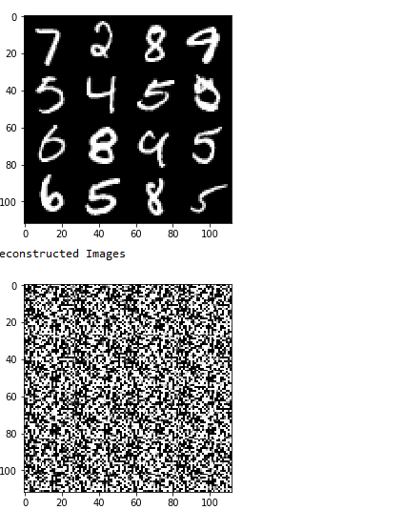

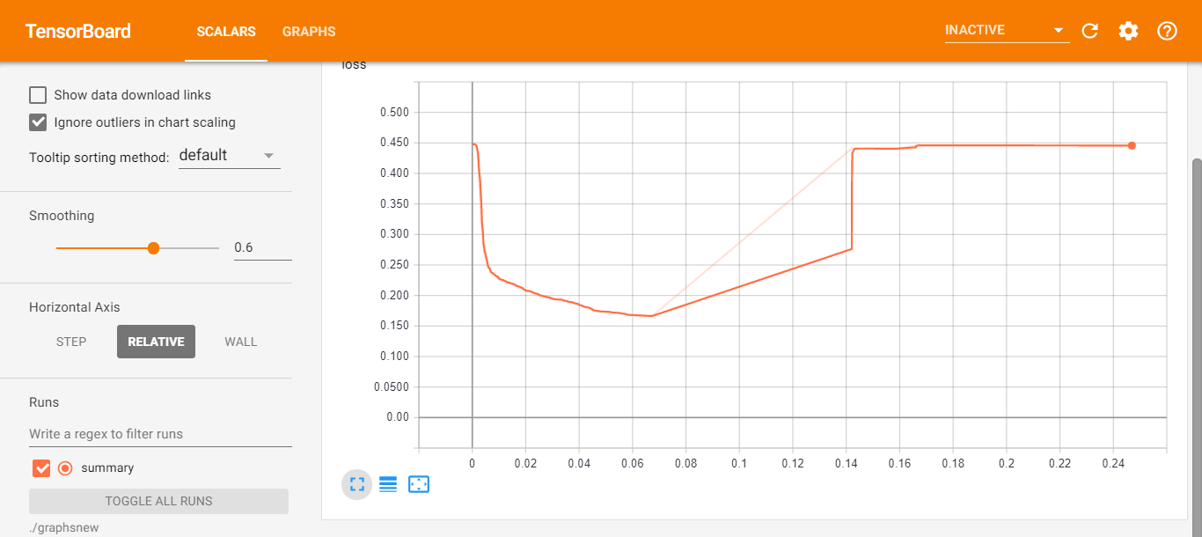

Adagrad Optimizer

