Adams
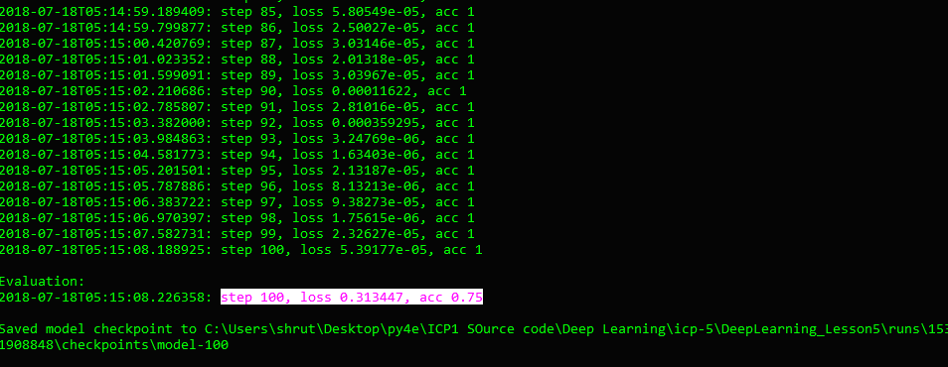
Adams Optimizer

2018-07-18T05:14:11.037197: step 1, loss 1.76029, acc 0.487805
2018-07-18T05:14:11.538548: step 2, loss 1.15597, acc 0.682927
2018-07-18T05:14:12.045577: step 3, loss 0.825278, acc 0.731707
2018-07-18T05:14:12.536947: step 4, loss 0.311035, acc 0.853659
2018-07-18T05:14:13.013060: step 5, loss 0.30903, acc 0.829268
2018-07-18T05:14:13.501580: step 6, loss 0.264168, acc 0.902439
2018-07-18T05:14:13.992558: step 7, loss 0.0614311, acc 1
2018-07-18T05:14:14.502253: step 8, loss 0.0695914, acc 0.97561
2018-07-18T05:14:15.015657: step 9, loss 0.0248025, acc 0.97561
2018-07-18T05:14:15.529271: step 10, loss 0.000841394, acc 1
2018-07-18T05:14:16.020606: step 11, loss 0.00562311, acc 1
2018-07-18T05:14:16.549134: step 12, loss 0.00933101, acc 1
2018-07-18T05:14:17.096620: step 13, loss 0.00325508, acc 1
2018-07-18T05:14:17.645900: step 14, loss 0.000419046, acc 1
2018-07-18T05:14:18.155312: step 15, loss 0.000718921, acc 1
2018-07-18T05:14:18.681009: step 16, loss 0.0544817, acc 0.97561
2018-07-18T05:14:19.196091: step 17, loss 0.000741287, acc 1
2018-07-18T05:14:19.783520: step 18, loss 0.000213418, acc 1
2018-07-18T05:14:20.360518: step 19, loss 0.00394418, acc 1
2018-07-18T05:14:21.077296: step 20, loss 0.00274724, acc 1
2018-07-18T05:14:21.671879: step 21, loss 0.000768391, acc 1
2018-07-18T05:14:22.339502: step 22, loss 0.002162, acc 1
2018-07-18T05:14:23.011559: step 23, loss 0.001066, acc 1
2018-07-18T05:14:23.719307: step 24, loss 0.000544762, acc 1
2018-07-18T05:14:24.385242: step 25, loss 0.00155725, acc 1
2018-07-18T05:14:25.061755: step 26, loss 0.00028785, acc 1
2018-07-18T05:14:25.724616: step 27, loss 0.00141513, acc 1
2018-07-18T05:14:26.330422: step 28, loss 0.00619007, acc 1
2018-07-18T05:14:26.918519: step 29, loss 0.000770156, acc 1
2018-07-18T05:14:27.510135: step 30, loss 0.0135224, acc 1
2018-07-18T05:14:28.088364: step 31, loss 6.60507e-05, acc 1
2018-07-18T05:14:28.693633: step 32, loss 4.44752e-05, acc 1
2018-07-18T05:14:29.282940: step 33, loss 0.000133474, acc 1
2018-07-18T05:14:29.861692: step 34, loss 0.000182516, acc 1
2018-07-18T05:14:30.446924: step 35, loss 0.000192833, acc 1
2018-07-18T05:14:31.052862: step 36, loss 5.1346e-05, acc 1
2018-07-18T05:14:31.661300: step 37, loss 1.7084e-05, acc 1
2018-07-18T05:14:32.228992: step 38, loss 0.000123027, acc 1
2018-07-18T05:14:32.838871: step 39, loss 1.19988e-05, acc 1
2018-07-18T05:14:33.381403: step 40, loss 1.10017e-05, acc 1
2018-07-18T05:14:33.920676: step 41, loss 0.000164045, acc 1
2018-07-18T05:14:34.461137: step 42, loss 4.69049e-05, acc 1
2018-07-18T05:14:35.017821: step 43, loss 3.98273e-05, acc 1
2018-07-18T05:14:35.534351: step 44, loss 2.41166e-05, acc 1
2018-07-18T05:14:36.063846: step 45, loss 6.9459e-06, acc 1
2018-07-18T05:14:36.602529: step 46, loss 3.39435e-05, acc 1
2018-07-18T05:14:37.152189: step 47, loss 1.78163e-05, acc 1
2018-07-18T05:14:37.691656: step 48, loss 7.89362e-06, acc 1
2018-07-18T05:14:38.276053: step 49, loss 9.14654e-06, acc 1
2018-07-18T05:14:38.841552: step 50, loss 3.59859e-05, acc 1
2018-07-18T05:14:39.457572: step 51, loss 1.81607e-05, acc 1
2018-07-18T05:14:40.060527: step 52, loss 2.44553e-05, acc 1
2018-07-18T05:14:40.665050: step 53, loss 7.54591e-05, acc 1
2018-07-18T05:14:41.227681: step 54, loss 2.84134e-05, acc 1
2018-07-18T05:14:41.761876: step 55, loss 1.04725e-05, acc 1
2018-07-18T05:14:42.301332: step 56, loss 0.000113733, acc 1
2018-07-18T05:14:42.832320: step 57, loss 2.12749e-05, acc 1
2018-07-18T05:14:43.374490: step 58, loss 9.2119e-05, acc 1
2018-07-18T05:14:43.907356: step 59, loss 2.20596e-05, acc 1
2018-07-18T05:14:44.456206: step 60, loss 2.10628e-05, acc 1
2018-07-18T05:14:44.996792: step 61, loss 5.51159e-05, acc 1
2018-07-18T05:14:45.543269: step 62, loss 4.72051e-05, acc 1
2018-07-18T05:14:46.077969: step 63, loss 1.80672e-05, acc 1
2018-07-18T05:14:46.650465: step 64, loss 0.000130726, acc 1
2018-07-18T05:14:47.256168: step 65, loss 1.02744e-05, acc 1
2018-07-18T05:14:47.822976: step 66, loss 3.02029e-05, acc 1
2018-07-18T05:14:48.382055: step 67, loss 1.25943e-05, acc 1
2018-07-18T05:14:48.919452: step 68, loss 0.000504386, acc 1
2018-07-18T05:14:49.445498: step 69, loss 2.91873e-05, acc 1
2018-07-18T05:14:49.985722: step 70, loss 9.27155e-06, acc 1
2018-07-18T05:14:50.533847: step 71, loss 0.000128992, acc 1
2018-07-18T05:14:51.067660: step 72, loss 2.90837e-05, acc 1
2018-07-18T05:14:51.596191: step 73, loss 2.1236e-05, acc 1
2018-07-18T05:14:52.130426: step 74, loss 0.000213852, acc 1
2018-07-18T05:14:52.661477: step 75, loss 4.93692e-06, acc 1
2018-07-18T05:14:53.186049: step 76, loss 1.63126e-05, acc 1
2018-07-18T05:14:54.281367: step 77, loss 5.51232e-05, acc 1
2018-07-18T05:14:54.859555: step 78, loss 5.5472e-06, acc 1
2018-07-18T05:14:55.495347: step 79, loss 1.50831e-05, acc 1
2018-07-18T05:14:56.146242: step 80, loss 3.07225e-05, acc 1
2018-07-18T05:14:56.765552: step 81, loss 2.75243e-05, acc 1
2018-07-18T05:14:57.397824: step 82, loss 4.73548e-05, acc 1
2018-07-18T05:14:58.008468: step 83, loss 1.61561e-05, acc 1
2018-07-18T05:14:58.584330: step 84, loss 1.10306e-05, acc 1
2018-07-18T05:14:59.189409: step 85, loss 5.80549e-05, acc 1
2018-07-18T05:14:59.799877: step 86, loss 2.50027e-05, acc 1
2018-07-18T05:15:00.420769: step 87, loss 3.03146e-05, acc 1
2018-07-18T05:15:01.023352: step 88, loss 2.01318e-05, acc 1
2018-07-18T05:15:01.599091: step 89, loss 3.03967e-05, acc 1
2018-07-18T05:15:02.210686: step 90, loss 0.00011622, acc 1
2018-07-18T05:15:02.785807: step 91, loss 2.81016e-05, acc 1
2018-07-18T05:15:03.382000: step 92, loss 0.000359295, acc 1
2018-07-18T05:15:03.984863: step 93, loss 3.24769e-06, acc 1
2018-07-18T05:15:04.581773: step 94, loss 1.63403e-06, acc 1
2018-07-18T05:15:05.201501: step 95, loss 2.13187e-05, acc 1
2018-07-18T05:15:05.787886: step 96, loss 8.13213e-06, acc 1
2018-07-18T05:15:06.383722: step 97, loss 9.38273e-05, acc 1
2018-07-18T05:15:06.970397: step 98, loss 1.75615e-06, acc 1
2018-07-18T05:15:07.582731: step 99, loss 2.32627e-05, acc 1
2018-07-18T05:15:08.188925: step 100, loss 5.39177e-05, acc 1

