GUI


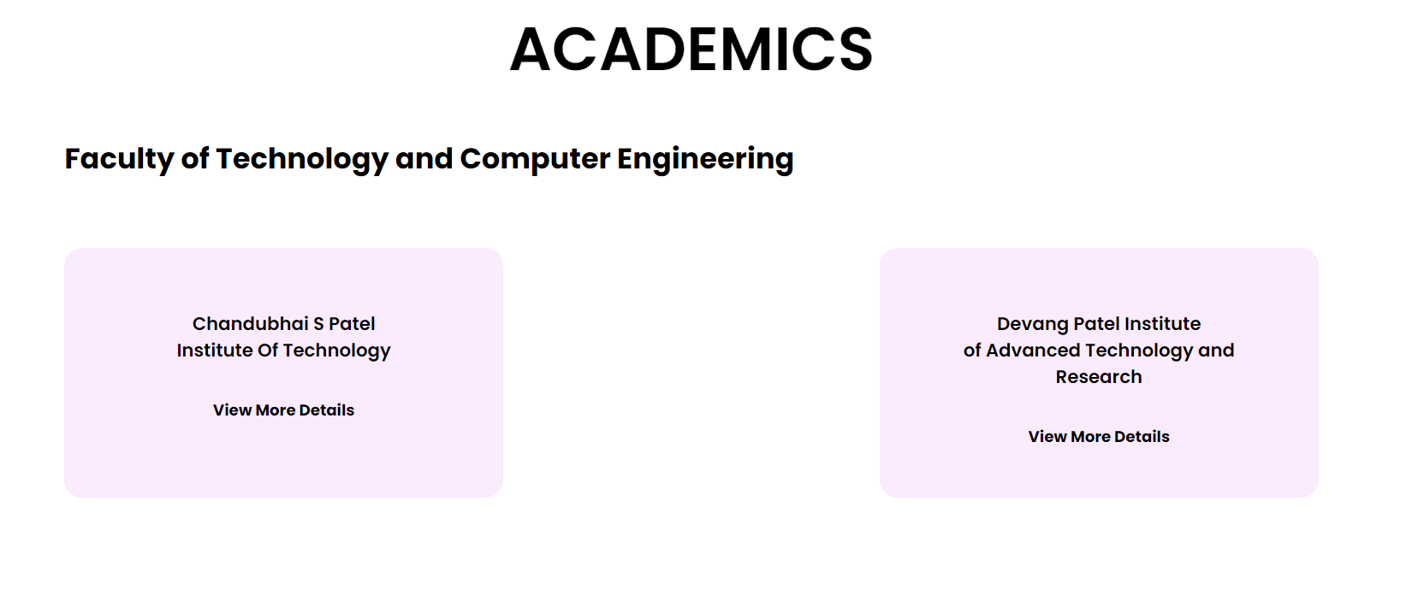
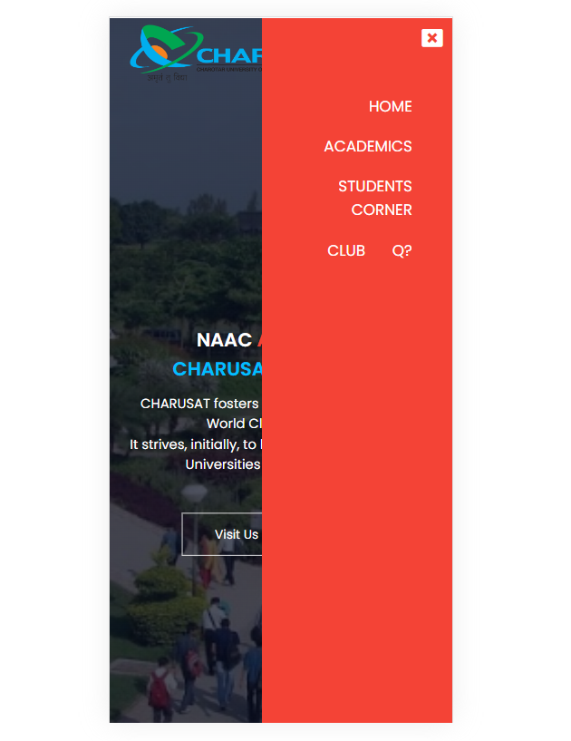

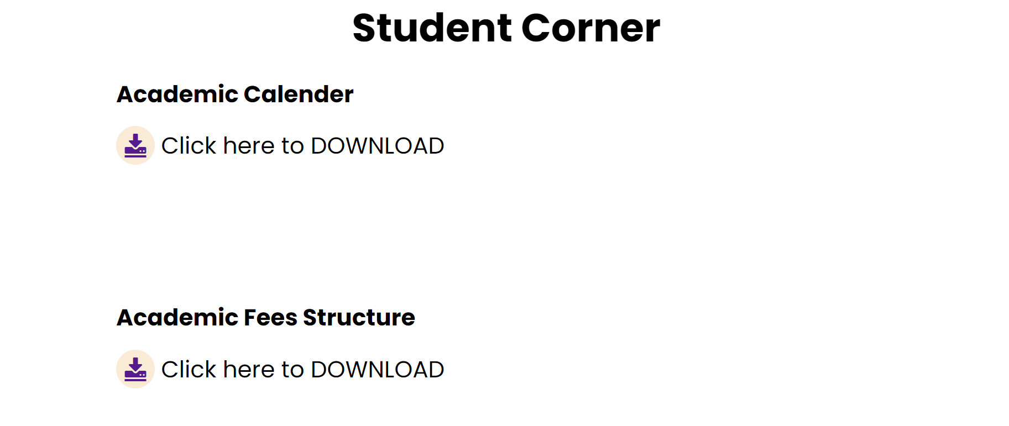

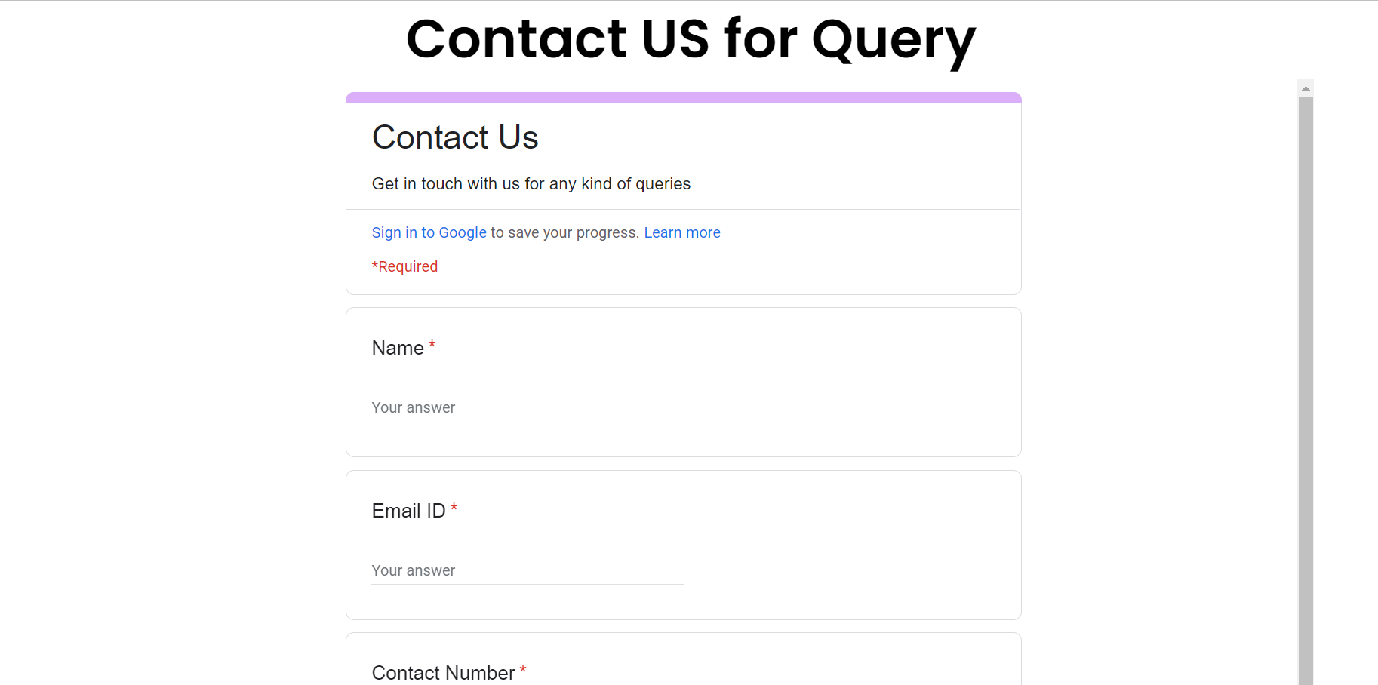
Roles and Responsibilities

21CE118 | Shruti Sangani | makes the design in figma and layout on wireframe and Make the Website
21CE127 | Khushi Shah | makes srs
21CE129 | Moxshang Shah | makes ppt

