Dashboard
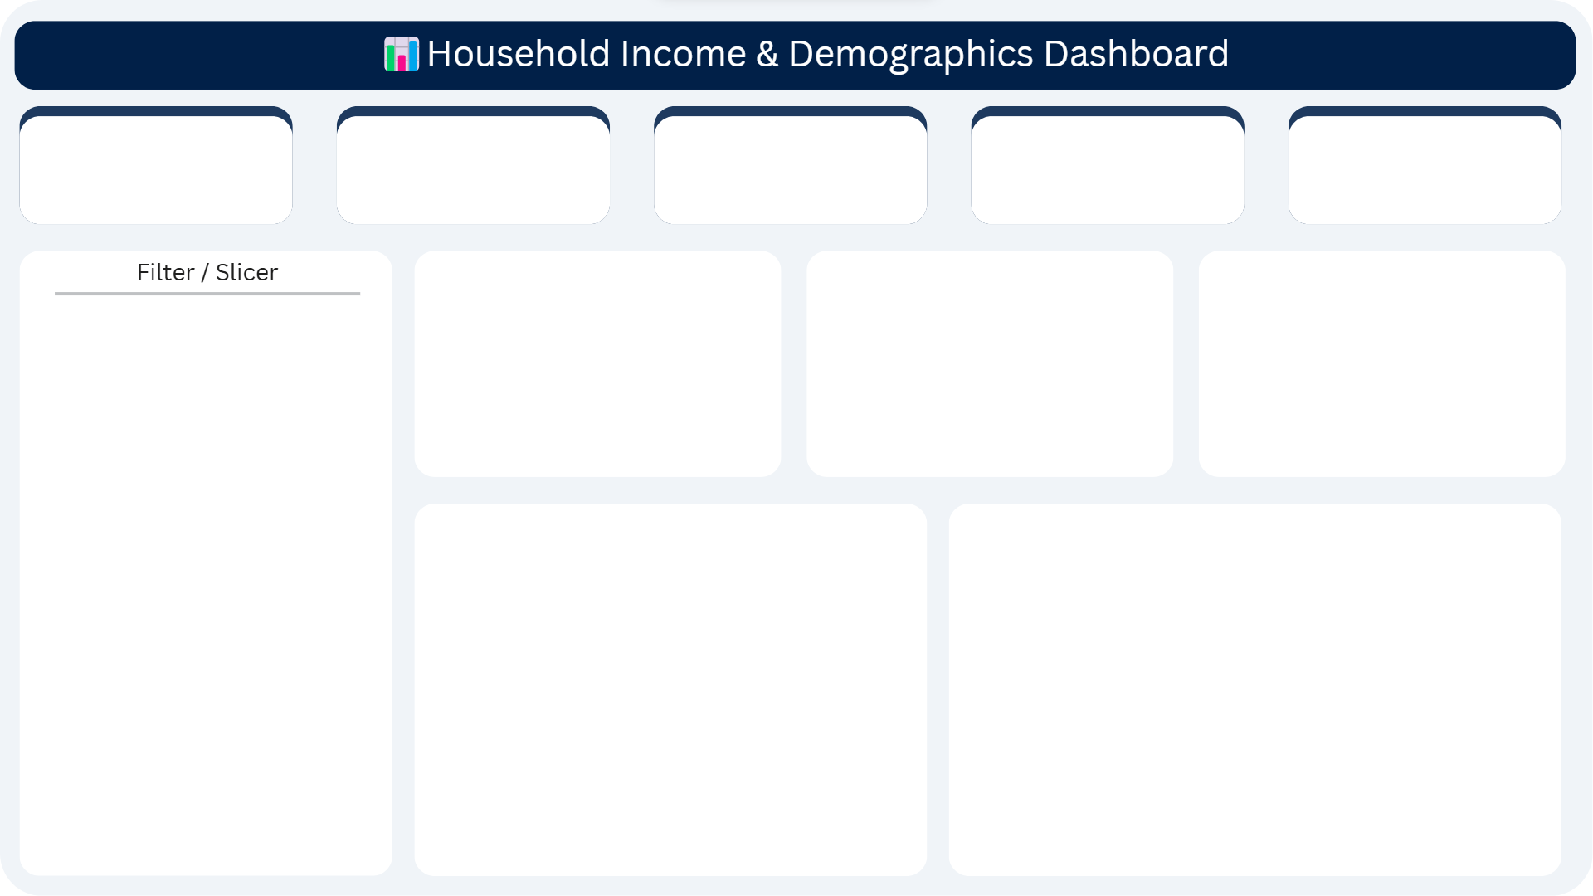

Avg Age
Avg Family size
Min Income
Avg Income
Max Income
10106
47.5
5.595
75182.02
149885

Urban vs Rural split
 | Total
Rural | 97
Urban | 103
(blank)
Income by Education level
 | Total
Graduate | 5.2931034483
Post-Grad | 5.875
Primary | 5.6888888889
Secondary | 5.5918367347
(blank)
House Ownership
 | Total
No | 109
Yes | 91
(blank)

Avg Income by Education
 | Total
Graduate | 82390.155172
Post-Grad | 74832.541667
Primary | 61884.177778
Secondary | 79204.591837

Data Story & Insights
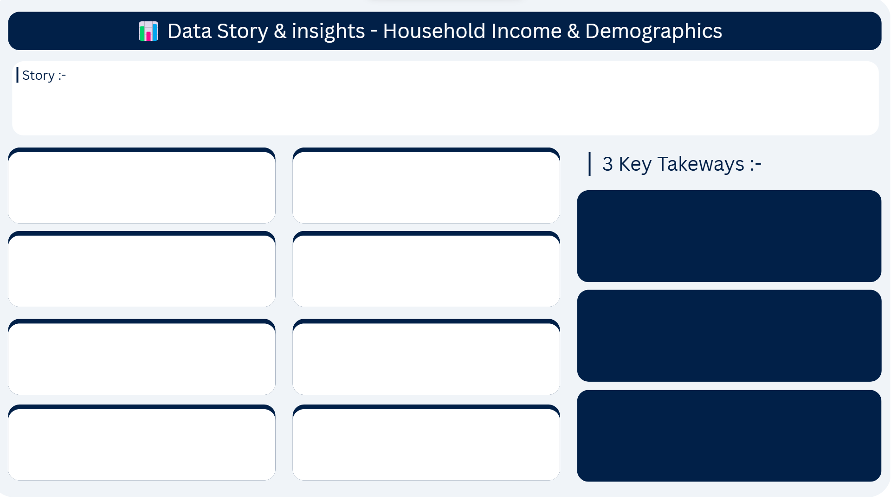

We analyzed 200 households across Urban and Rural areas of India. The data reveals a wide income gap, with households earning anywhere between ₹10,106 to ₹1,49,885 per month. Despite different education levels and locations, family sizes remain surprisingly similar around 5–6 members. Graduates earn the most on average at ₹82,390, while more households live without owning a house (109 vs 91). This report uncovers the key patterns hidden in the data.

Q1. What is the average household income?
₹75,182
Q2. Is income distributed equally?
No —
IQR = ₹72,998, Std Dev = ₹42,285

Income is Unequal Mean
(₹75,182) > Median (₹72,085) — a few rich households pull the average up.

Q3. Which education earns the
most?
Graduate → ₹82,390 avg income
Q4. Urban vs Rural — who earns
more?
Urban = 103 households vs Rural = 97

Most Don't Own a Home 54.5% of households (109/200) do not own a house.

Q5. What is the most common family size?
Avg = 5.595 → 5 to 6 members
Q6. Does education affect family
size?
No ,all groups avg between 5.29–5.87

Urban Dominates 103 out of 200 households are Urban — slightly more than Rural (97).
Q7. How many households own a house?
No = 109, Yes = 91
Q8. Is income distribution
normal?
Nearly , Skewness 0.14, Kurtosis -1.27

