Sheet1
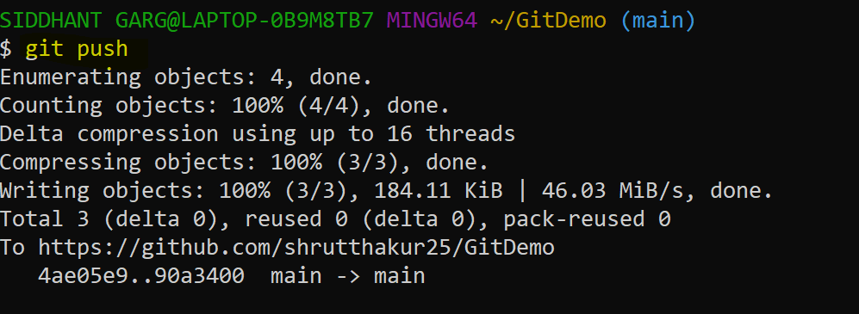
Steps:
steps1 | Loginto th

 | git clone https://github.com/shrutthakur25/GitDemo
to check the path where cloning happend or file clonned | pwd
moving to the right folder | cd foldername/repository name
copy the file in to repository folder which you wamt to upload on git

check the all file in the current repository folder | ls
 | git add *.* | for everything
 | git add readme.md / sql_tutorial.docx | for perticular file with their extention
 | git commit -m "message as per your choice"
 | git push

