Cover
More Retail Limited

Questionnaire

Planning Expert / Analytics
Python, SQL

python
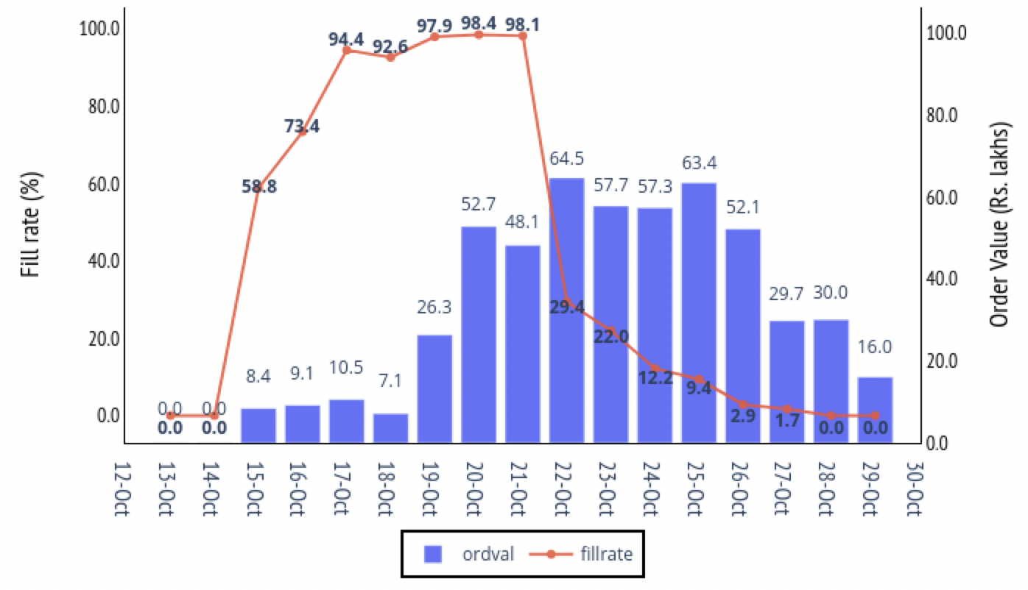
Question:
Please share iPython notebook / python script for following questions.
PART A
MRL issues supplementary POs to vendors to ensure availability for important SKUs. Please create a report for management to enable them to track fills for expired POs (date < October 22) and open POs (date>= October 22)
1. Using base_data sheet create the below report in pandas
2. Column headers are days passed since October 22nd, 2020 (the day of report); please use ordered series
3. fillrate = rcvval / ordval
 | day bucket: | -1 to -10 |  |  | 0 to 2 |  |  | 3 to 7
format | division_name | ordval | rcvval | fillrate | ordval | rcvval | fillrate | ordval | rcvval | fillrate
hm | Grocery Food
 | Grocery Non Food
 | Staples
hm Total
sm | Grocery Food
 | Grocery Non Food
 | Staples
sm Total
Grand Total

PART B
Please create the following chart using base_data sheet in your preferred charting library using Python

