Description

 | LoyaltyID | no_of_trans_1 | total_qty_1 | total_amt_1 | avg_spend_per_trans_1 | avg_qty_per_trans_1 | min_total_qty_1 | max_total_qty_1 | min_total_amt_1 | max_total_amt_1 | min_dist_items_1 | max_dist_items_1 | avg_dist_items_per_trans_1 | dist_sport_1 | no_of_trans_3 | total_qty_3 | total_amt_3 | avg_spend_per_trans_3 | avg_qty_per_trans_3 | min_total_qty_3 | max_total_qty_3 | min_total_amt_3 | max_total_amt_3 | min_dist_items_3 | max_dist_items_3 | avg_dist_items_per_trans_3 | dist_sport_3 | no_of_trans_6 | total_qty_6 | total_amt_6 | avg_spend_per_trans_6 | avg_qty_per_trans_6 | min_total_qty_6 | max_total_qty_6 | min_total_amt_6 | max_total_amt_6 | min_dist_items_6 | max_dist_items_6 | avg_dist_items_per_trans_6 | dist_sport_6 | no_of_trans_9 | total_qty_9 | total_amt_9 | avg_spend_per_trans_9 | avg_qty_per_trans_9 | min_total_qty_9 | max_total_qty_9 | min_total_amt_9 | max_total_amt_9 | min_dist_items_9 | max_dist_items_9 | avg_dist_items_per_trans_9 | dist_sport_9 | no_of_trans_12 | total_qty_12 | total_amt_12 | avg_spend_per_trans_12 | avg_qty_per_trans_12 | min_total_qty_12 | max_total_qty_12 | min_total_amt_12 | max_total_amt_12 | min_dist_items_12 | max_dist_items_12 | avg_dist_items_per_trans_12 | dist_sport_12 | no_of_trans_1to3 | no_of_trans_3to6 | no_of_trans_6to9 | no_of_trans_9to12 | no_of_trans_1to6 | no_of_trans_3to9 | no_of_trans_6to12 | total_qty_1to3 | total_qty_3to6 | total_qty_6to9 | total_qty_9to12 | total_qty_1to6 | total_qty_3to9 | total_qty_6to12 | total_amt_1to3 | total_amt_3to6 | total_amt_6to9 | total_amt_9to12 | total_amt_1to6 | total_amt_3to9 | total_amt_6to12 | avg_spend_per_trans_1to3 | avg_spend_per_trans_3to6 | avg_spend_per_trans_6to9 | avg_spend_per_trans_9to12 | avg_spend_per_trans_1to6 | avg_spend_per_trans_3to9 | avg_spend_per_trans_6to12 | avg_qty_per_trans_1to3 | avg_qty_per_trans_3to6 | avg_qty_per_trans_6to9 | avg_qty_per_trans_9to12 | avg_qty_per_trans_1to6 | avg_qty_per_trans_3to9 | avg_qty_per_trans_6to12 | min_total_qty_1to3 | min_total_qty_3to6 | min_total_qty_6to9 | min_total_qty_9to12 | min_total_qty_1to6 | min_total_qty_3to9 | min_total_qty_6to12 | max_total_qty_1to3 | max_total_qty_3to6 | max_total_qty_6to9 | max_total_qty_9to12 | max_total_qty_1to6 | max_total_qty_3to9 | max_total_qty_6to12 | min_total_amt_1to3 | min_total_amt_3to6 | min_total_amt_6to9 | min_total_amt_9to12 | min_total_amt_1to6 | min_total_amt_3to9 | min_total_amt_6to12 | max_total_amt_1to3 | max_total_amt_3to6 | max_total_amt_6to9 | max_total_amt_9to12 | max_total_amt_1to6 | max_total_amt_3to9 | max_total_amt_6to12 | min_dist_items_1to3 | min_dist_items_3to6 | min_dist_items_6to9 | min_dist_items_9to12 | min_dist_items_1to6 | min_dist_items_3to9 | min_dist_items_6to12 | max_dist_items_1to3 | max_dist_items_3to6 | max_dist_items_6to9 | max_dist_items_9to12 | max_dist_items_1to6 | max_dist_items_3to9 | max_dist_items_6to12 | avg_dist_items_per_trans_1to3 | avg_dist_items_per_trans_3to6 | avg_dist_items_per_trans_6to9 | avg_dist_items_per_trans_9to12 | avg_dist_items_per_trans_1to6 | avg_dist_items_per_trans_3to9 | avg_dist_items_per_trans_6to12 | dist_sport_1to3 | dist_sport_3to6 | dist_sport_6to9 | dist_sport_9to12 | dist_sport_1to6 | dist_sport_3to9 | dist_sport_6to12 | IsOnlineCustomer | OptIn | Gender | IsSportUser
count | 20000 | 20000 | 20000 | 20000 | 20000 | 20000 | 20000 | 20000 | 20000 | 20000 | 20000 | 20000 | 20000 | 20000 | 20000 | 20000 | 20000 | 20000 | 20000 | 20000 | 20000 | 20000 | 20000 | 20000 | 20000 | 20000 | 20000 | 20000 | 20000 | 20000 | 20000 | 20000 | 20000 | 20000 | 20000 | 20000 | 20000 | 20000 | 20000 | 20000 | 20000 | 20000 | 20000 | 20000 | 20000 | 20000 | 20000 | 20000 | 20000 | 20000 | 20000 | 20000 | 20000 | 20000 | 20000 | 20000 | 20000 | 20000 | 20000 | 20000 | 20000 | 20000 | 20000 | 20000 | 20000 | 20000 | 20000 | 20000 | 20000 | 20000 | 20000 | 20000 | 20000 | 20000 | 20000 | 20000 | 20000 | 20000 | 20000 | 20000 | 20000 | 20000 | 20000 | 20000 | 20000 | 20000 | 20000 | 20000 | 20000 | 20000 | 20000 | 20000 | 20000 | 20000 | 20000 | 20000 | 20000 | 20000 | 20000 | 20000 | 20000 | 20000 | 20000 | 20000 | 20000 | 20000 | 20000 | 20000 | 20000 | 20000 | 20000 | 20000 | 20000 | 20000 | 20000 | 20000 | 20000 | 20000 | 20000 | 20000 | 20000 | 20000 | 20000 | 20000 | 20000 | 20000 | 20000 | 20000 | 20000 | 20000 | 20000 | 20000 | 20000 | 20000 | 20000 | 20000 | 20000 | 20000 | 20000 | 20000 | 20000 | 20000 | 20000 | 20000 | 20000 | 20000 | 20000 | 20000 | 20000 | 20000 | 20000 | 20000 | 20000 | 20000 | 20000 | 20000 | 20000 | 20000 | 20000 | 20000 | 20000
mean | 10000.5 | 0.1806 | 0.78845 | 387.280293 | 339.57784733 | 0.69598777778 | 0.65625 | 0.74045 | 316.6609785 | 365.770783 | 0.54905 | 0.5995 | 0.57260916667 | 0.40355 | 0.5593 | 2.45475 | 1266.1926175 | 970.77402293 | 1.908403992 | 1.7174 | 2.12955 | 846.775105 | 1117.4796985 | 1.46135 | 1.74625 | 1.5930771977 | 1.2151 | 0.9485 | 4.14515 | 2162.016393 | 1469.7744792 | 2.8666769997 | 2.48095 | 3.3252 | 1217.8751005 | 1784.8265495 | 2.1526 | 2.7822 | 2.4406590245 | 2.00145 | 1.38385 | 6.0788 | 3182.9224215 | 1933.5093605 | 3.7665397482 | 3.1418 | 4.52865 | 1523.6272275 | 2461.1615145 | 2.7636 | 3.81375 | 3.2402512469 | 2.82835 | 1.78455 | 7.91505 | 4108.090507 | 2280.1730276 | 4.4914413678 | 3.64805 | 5.552 | 1732.309396 | 3020.3691045 | 3.23635 | 4.6864 | 3.8859261601 | 3.56225 | 0.13806133851 | 0.38261210657 | 0.58059543878 | 0.7804872714 | 0.12497428978 | 0.35164928593 | 0.54355993835 | 0.13689464676 | 0.38059847005 | 0.57761235469 | 0.77674071651 | 0.12389065239 | 0.34940056152 | 0.53960144964 | 0.13664924371 | 0.38035729212 | 0.57545200951 | 0.78063250542 | 0.12360594896 | 0.34567059096 | 0.54166446848 | 0.15537592921 | 0.42303528477 | 0.63044257209 | 0.84240334385 | 0.15677791405 | 0.40517688448 | 0.63815129512 | 0.15628600213 | 0.42253678168 | 0.63667846346 | 0.83546616199 | 0.1565260926 | 0.42217019657 | 0.63424643132 | 0.18399696789 | 0.47000054325 | 0.69990055951 | 0.88348559849 | 0.20528674062 | 0.51615800484 | 0.74587354375 | 0.14705591905 | 0.40380237382 | 0.61029743421 | 0.81062168561 | 0.14042026882 | 0.38771184708 | 0.59069454689 | 0.21203498957 | 0.39935700413 | 1.2661914288 | 1.6635986544 | 0.40710622434 | 0.59270383084 | 1.8330775444 | 0.14507408245 | 0.39615103259 | 0.60609947406 | 0.80705587173 | 0.13678021827 | 0.38088416447 | 0.58502695759 | 0.18382872475 | 0.48217672397 | 0.71673866314 | 0.91252531115 | 0.20624861111 | 0.53175313437 | 0.77157145264 | 0.14815793664 | 0.40477043078 | 0.61212556211 | 0.81320234606 | 0.14131776286 | 0.3886883378 | 0.5932799047 | 0.15662134787 | 0.42287307246 | 0.63692035049 | 0.83688686706 | 0.15612066922 | 0.42135205001 | 0.63422240298 | 0.14118863063 | 0.38982665351 | 0.5902931076 | 0.79022984691 | 0.12983280945 | 0.36350915936 | 0.55872258688 | 0.04915 | 0.50025 | 0.8426 | 0.2525
std | 5773.6470277 | 0.45836027828 | 4.2698955722 | 1842.4345085 | 1537.4674899 | 3.53432528 | 3.3152881465 | 4.1102589345 | 1473.4215277 | 1729.0610495 | 1.8444685415 | 1.981034067 | 1.8866564066 | 1.1927566939 | 0.86667240988 | 7.1451945479 | 3547.7445926 | 2539.2439435 | 5.7177752229 | 5.4754667634 | 6.5002522614 | 2390.0890415 | 3109.6112345 | 2.8096798559 | 3.2212854222 | 2.9238864357 | 2.0124697493 | 1.193615929 | 8.6743843427 | 4660.4700961 | 2831.6049814 | 6.2157154031 | 5.930522376 | 7.2139480877 | 2622.3366259 | 3699.8228515 | 3.1288021206 | 3.8207058313 | 3.3074399041 | 2.5034298983 | 1.5066262555 | 10.187079041 | 5886.3763383 | 3081.1767645 | 6.3622279848 | 6.0822152566 | 7.6399213083 | 2835.8468982 | 4251.3817267 | 3.2395431425 | 4.1082727311 | 3.4185001472 | 2.8340056205 | 1.7607913894 | 12.260446543 | 8133.8021064 | 3216.6572775 | 6.3764717268 | 6.1274349014 | 8.1614965847 | 2951.8675137 | 5297.1833689 | 3.2512178024 | 4.2160934302 | 3.3887463189 | 3.0414778426 | 0.3317739772 | 0.46470068315 | 0.46212688535 | 0.37339081632 | 0.31066891442 | 0.44397355876 | 0.45224950637 | 0.33301428912 | 0.46789911784 | 0.46832545119 | 0.38178759069 | 0.31278159949 | 0.44862795451 | 0.45958810227 | 0.33657643947 | 0.47639699802 | 0.66660796633 | 0.43619997059 | 0.32040296573 | 0.65507347756 | 0.46461312321 | 0.38446569032 | 0.60918278298 | 1.2767839807 | 0.58200431582 | 0.49696826694 | 2.4126773288 | 0.53827296566 | 0.37288244392 | 0.50837972358 | 0.5038194693 | 0.39215335258 | 0.38143202608 | 0.52025610676 | 0.51302178779 | 0.77794165196 | 0.81115528876 | 0.8909282972 | 0.72586205335 | 0.88247262466 | 1.0614336341 | 1.0641616389 | 0.34922080238 | 0.48302384607 | 0.47650624873 | 0.37752155424 | 0.33897408756 | 0.47351482066 | 0.47323838394 | 1.0502058984 | 40.7466088 | 39.006109077 | 97.016732778 | 19.34706054 | 41.496281951 | 106.76269505 | 0.34773029169 | 0.67469483706 | 0.47942515051 | 0.38945310377 | 0.33589280194 | 0.47267915831 | 0.47719906273 | 0.53295050128 | 0.73957240536 | 0.74790692178 | 0.64422539044 | 0.65256730185 | 0.8996158861 | 0.90187280981 | 0.34997587039 | 0.48274909812 | 0.47565044346 | 0.37504918189 | 0.33930402204 | 0.47283629733 | 0.47251947749 | 0.36978123741 | 0.50417462714 | 0.49538212536 | 0.38504202178 | 0.3751713932 | 0.51237192566 | 0.50481061734 | 0.33788690386 | 0.47114676381 | 0.46730496483 | 0.37528223011 | 0.3194319992 | 0.45352863463 | 0.45906501738 | 0.21618652671 | 0.50001243797 | 0.36418658898 | 0.43445734849
min | 1 | 0 | -2 | -2224 | -2224 | -2 | -6 | -2 | -3999 | -2224 | 0 | 0 | 0 | 0 | 0 | -1 | -9999 | -9999 | -1 | -7 | -1 | -9999 | -9999 | 0 | 0 | 0 | 0 | 0 | -1 | -6401 | -5999.06 | -1 | -7 | -1 | -9999 | -5999.06 | 0 | 0 | 0 | 0 | 0 | -1 | -7299 | -7299 | -1 | -17 | -1 | -9999 | -7299 | 0 | 0 | 0 | 0 | 1 | -6 | -9194 | -9194 | -6 | -25 | -6 | -17491 | -9194 | 0 | 0 | 0 | 0 | 0 | 0 | 0 | 0 | 0 | 0 | 0 | -0.5 | -1 | -1 | -0.5 | -0.5 | -1 | -0.333333333 | -5.050505051 | -7.35451505 | -65.31632653 | -2.92193755 | -5.050505051 | -66.31632653 | -3.33 | -10.1010101 | -14.7090301 | -163.2908163 | -5.8438751 | -10.1010101 | -331.5816327 | -6.66 | -1 | -2 | -2 | -1 | -1 | -2.5 | -0.75 | -16.5 | -14 | -7 | -14 | -16.5 | -23 | -14 | -1 | -0.5 | -1 | -1 | -1 | -1 | -1 | -16.14 | -5648 | -323.25 | -7150 | -123.4411765 | -5648 | -7150 | -1 | -66.31632653 | -4.783732057 | -10.41493056 | -1 | -1 | -4.783732057 | 0 | 0 | 0 | 0 | 0 | 0 | 0 | 0 | 0 | 0 | 0 | 0 | 0 | 0 | 0 | 0 | 0 | 0 | 0 | 0 | 0 | 0 | 0 | 0 | 0 | 0 | 0 | 0 | 0 | 0 | 0 | 0
25% | 5000.75 | 0 | 0 | 0 | 0 | 0 | 0 | 0 | 0 | 0 | 0 | 0 | 0 | 0 | 0 | 0 | 0 | 0 | 0 | 0 | 0 | 0 | 0 | 0 | 0 | 0 | 0 | 0 | 0 | 0 | 0 | 0 | 0 | 0 | 0 | 0 | 0 | 0 | 0 | 0 | 1 | 1 | 297 | 249 | 1 | 1 | 1 | 100 | 297 | 1 | 1 | 1 | 1 | 1 | 2 | 695 | 549 | 2 | 1 | 2 | 299 | 599 | 1 | 2 | 1.666666667 | 1 | 0 | 0 | 0 | 0.666666667 | 0 | 0 | 0 | 0 | 0 | 0 | 0.666666667 | 0 | 0 | 0 | 0 | 0 | 0 | 0.71332124525 | 0 | 0 | 0 | 0 | 0 | 0 | 1 | 0 | 0 | 0 | 0 | 0 | 0 | 1 | 0 | 0 | 0 | 0 | 0 | 0 | 1 | 0 | 0 | 0 | 0 | 0 | 0 | 1 | 0 | 0 | 0 | 0 | 0 | 0 | 1 | 0 | 0 | 0 | 0 | 0 | 0 | 1 | 0 | 0 | 0 | 0 | 0 | 0 | 1 | 0 | 0 | 0 | 0 | 0 | 0 | 1 | 0 | 0 | 0 | 0 | 0 | 0 | 1 | 0 | 0 | 0 | 0 | 0 | 0 | 0.75 | 0 | 0 | 0 | 0 | 0 | 1 | 0
50% | 10000.5 | 0 | 0 | 0 | 0 | 0 | 0 | 0 | 0 | 0 | 0 | 0 | 0 | 0 | 0 | 0 | 0 | 0 | 0 | 0 | 0 | 0 | 0 | 0 | 0 | 0 | 0 | 1 | 2 | 547 | 499 | 1.5 | 1 | 2 | 299 | 499 | 1 | 1 | 1 | 1 | 1 | 3 | 1299 | 998 | 2.5 | 2 | 3 | 599 | 1148 | 2 | 3 | 2 | 2 | 1 | 5 | 1849 | 1313.8333335 | 3 | 2 | 4 | 799 | 1597 | 2 | 3 | 3 | 3 | 0 | 0 | 1 | 1 | 0 | 0 | 0.5 | 0 | 0 | 1 | 1 | 0 | 0 | 0.642857143 | 0 | 0 | 1 | 1 | 0 | 0 | 0.69563961 | 0 | 0 | 1 | 1 | 0 | 0 | 1 | 0 | 0 | 1 | 1 | 0 | 0 | 1 | 0 | 0 | 1 | 1 | 0 | 0 | 1 | 0 | 0 | 1 | 1 | 0 | 0 | 1 | 0 | 0 | 1 | 1 | 0 | 0 | 1 | 0 | 0 | 1 | 1 | 0 | 0 | 1 | 0 | 0 | 1 | 1 | 0 | 0 | 1 | 0 | 0 | 1 | 1 | 0 | 0 | 1 | 0 | 0 | 1 | 1 | 0 | 0 | 1 | 0 | 0 | 1 | 1 | 0 | 0 | 0.75 | 0 | 1 | 1 | 0
75% | 15000.25 | 0 | 0 | 0 | 0 | 0 | 0 | 0 | 0 | 0 | 0 | 0 | 0 | 0 | 1 | 3 | 1121.25 | 996 | 2 | 2 | 3 | 747 | 1047 | 2 | 2 | 2 | 2 | 1 | 5 | 2397.25 | 1797 | 4 | 3 | 4 | 1397 | 2097 | 3 | 4 | 3.5 | 3 | 2 | 8 | 3642 | 2406 | 5 | 4 | 6 | 1776.25 | 2998 | 4 | 5 | 4.333333333 | 4 | 2 | 10 | 4745.25 | 2796 | 5.75 | 5 | 7 | 1999 | 3641 | 4 | 6 | 5 | 5 | 0 | 1 | 1 | 1 | 0 | 1 | 1 | 0 | 1 | 1 | 1 | 0 | 1 | 1 | 0 | 1 | 1 | 1 | 0 | 1 | 1 | 0 | 1 | 1 | 1 | 0 | 1 | 1 | 0 | 1 | 1 | 1 | 0 | 1 | 1 | 0 | 1 | 1 | 1 | 0 | 1 | 1 | 0 | 1 | 1 | 1 | 0 | 1 | 1 | 0 | 1 | 1 | 1 | 0 | 1 | 1 | 0 | 1 | 1 | 1 | 0 | 1 | 1 | 0 | 1 | 1 | 1 | 0 | 1 | 1 | 0 | 1 | 1 | 1 | 0 | 1 | 1 | 0 | 1 | 1 | 1 | 0 | 1 | 1 | 0 | 1 | 1 | 1 | 0 | 1 | 1 | 0 | 1 | 1 | 1
max | 20000 | 9 | 321 | 88229 | 54993 | 300 | 300 | 316 | 54993 | 86084 | 40 | 40 | 40 | 14 | 20 | 350 | 143395 | 83625 | 350 | 350 | 350 | 83625 | 141949 | 40 | 40 | 40 | 22 | 29 | 350 | 156918 | 58590 | 350 | 350 | 350 | 58590 | 141949 | 40 | 51 | 40.5 | 25 | 40 | 350 | 176916 | 58590 | 350 | 350 | 350 | 58590 | 141949 | 48 | 57 | 48 | 26 | 43 | 645 | 671157 | 74573 | 350 | 350 | 350 | 58590 | 394997 | 48 | 57 | 48 | 26 | 1 | 1 | 1 | 1 | 1 | 1 | 1 | 1 | 1.2 | 4 | 2.1875 | 1.2 | 1.083333333 | 2 | 1 | 7.151898734 | 10.17222222 | 29.40196078 | 7.151898734 | 4.713888889 | 1.694628847 | 3 | 42.91139241 | 17.80138889 | 58.80392157 | 42.91139241 | 16.49861111 | 4.578667988 | 3.219512195 | 4.285714286 | 8 | 6.5625 | 4.285714286 | 3.652173913 | 7 | 54 | 25 | 50.33333333 | 20 | 54 | 50.33333333 | 50.33333333 | 1 | 1 | 1 | 1 | 1 | 1 | 1 | 82.82857143 | 649 | 4946 | 10494 | 2696 | 990 | 10494 | 1 | 1 | 1 | 1 | 1 | 1 | 1 | 22 | 24 | 14 | 14 | 22 | 24 | 15 | 1 | 1 | 1 | 1 | 1 | 1 | 1 | 2.461538462 | 2.571428571 | 2.808510638 | 3 | 4.5 | 2.808510638 | 3.375 | 1 | 1 | 1 | 1 | 1 | 1 | 1 | 1 | 1 | 1 | 1

Plots
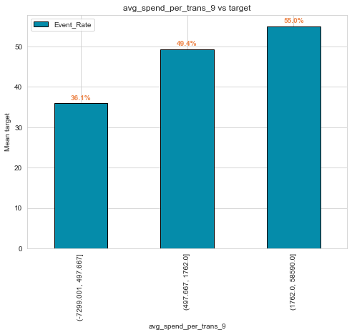
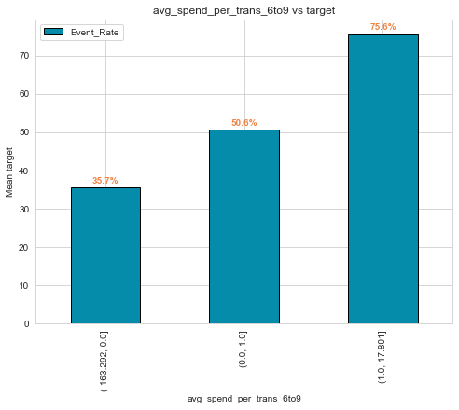
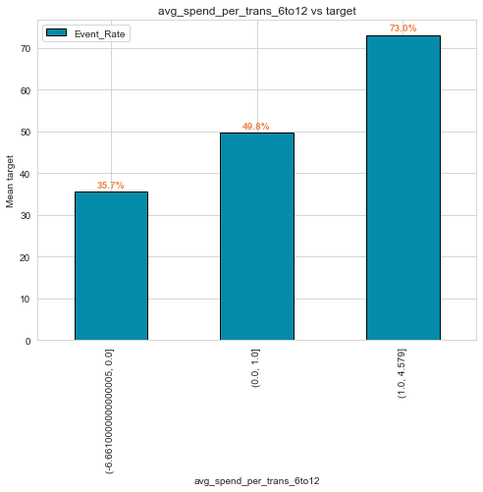

obs:- Customers with spend above 1.7k have more weights |  |  | obs:- customer spending ratio greater than 1 have more weight. | obs:- first half customers have more weights.
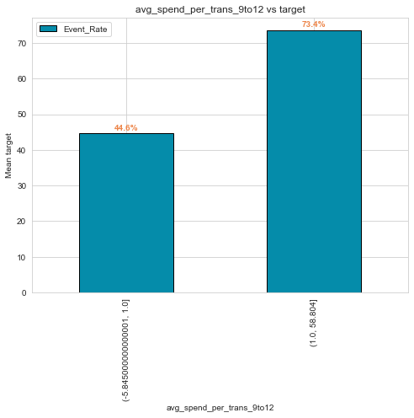
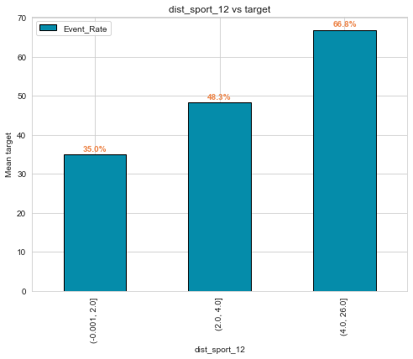
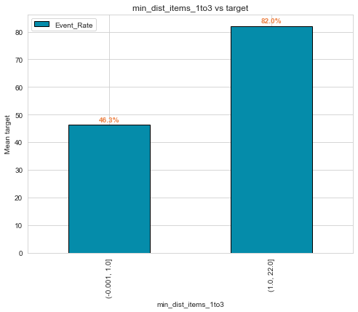

 |  |  |  | obs:- higher the distinct items in last 3 months, higher the weights.
obs:- customer buying in first quarter have more weights.

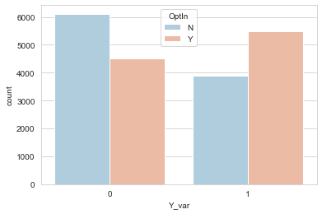
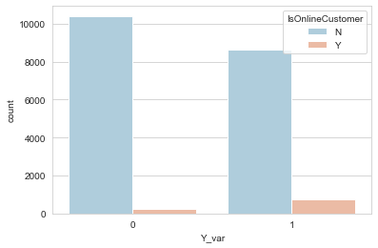
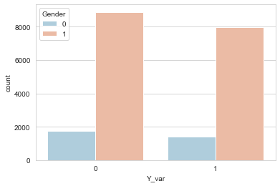

 | oberservtion:
 |  | 1. Nothing much can be achieve from optIn
 |  | 2. Non online customers are more likely to buy next year.
 |  | 3. Most of the customer's gender is 1 assumed male.

