JUSTIFICATION
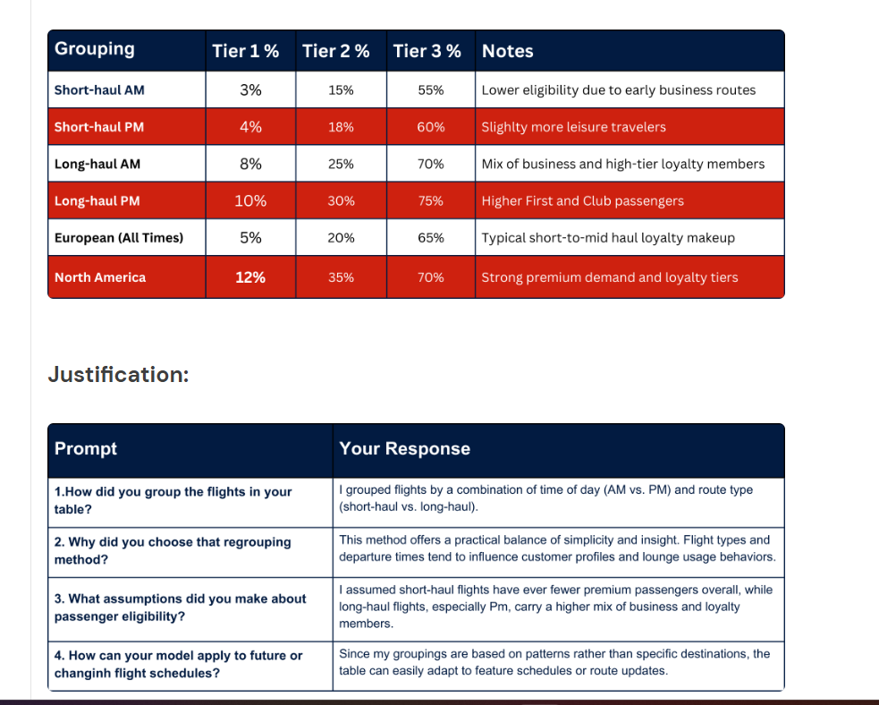
Question 1 (Grouping): Explain that you grouped by HAUL (Short vs. Long) and TIME_OF_DAY (Morning, Lunchtime, Afternoon, Evening).

Question 2 (Why it makes sense): Explain that short-haul flights carry a higher ratio of frequent business commuters (Silver/Gold status), whereas long-haul widebodies carry larger total seat volumes.

Question 3 (Assumptions): State that Tier 1 represents First Class and top tier elites, Tier 2 is Gold cardholders, and Tier 3 covers Club World/Europe plus Silver cardholders.

Question 4 (Scalability): Explain that because you modeled by broad category rather than flight number or aircraft tail code, any future flight can easily be matched via XLOOKUP using only its route type and departure time.

