Test excution details
Test Case Number | ScreenShort
TC_01 | 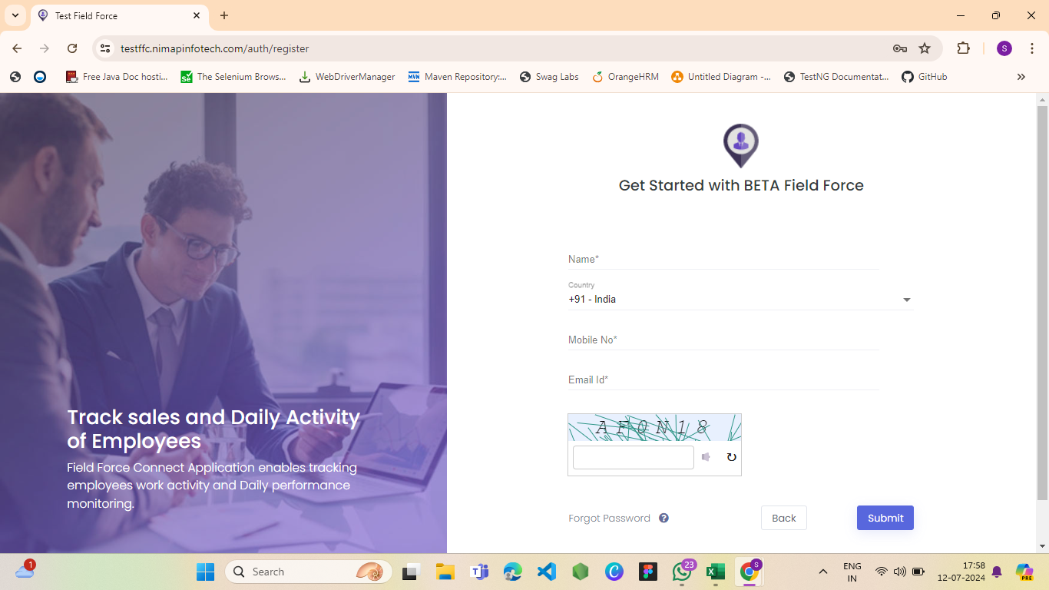
TC_02
TC_03 | 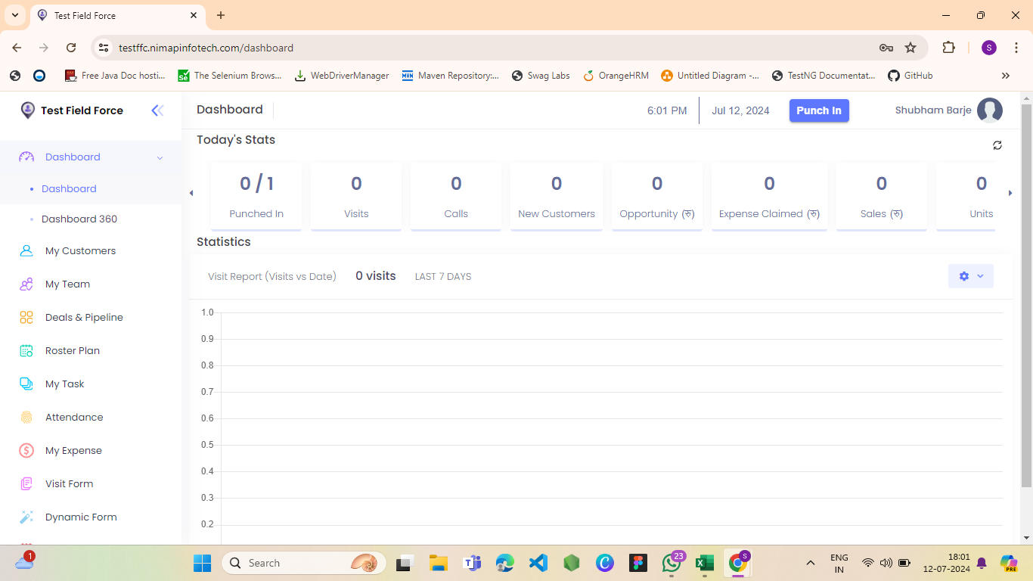
TC_04 | Defect
TC_05 | 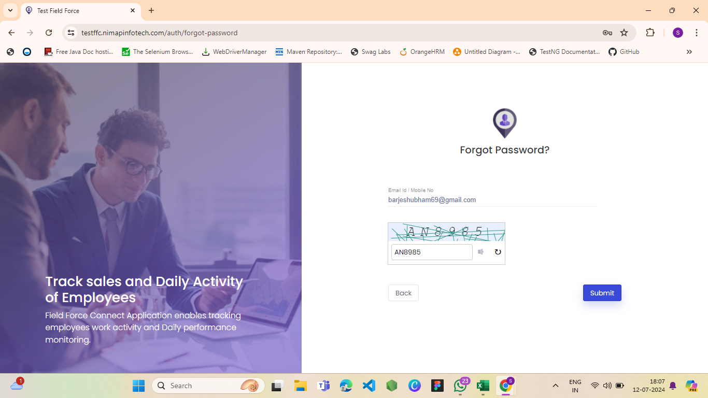
TC_06 | 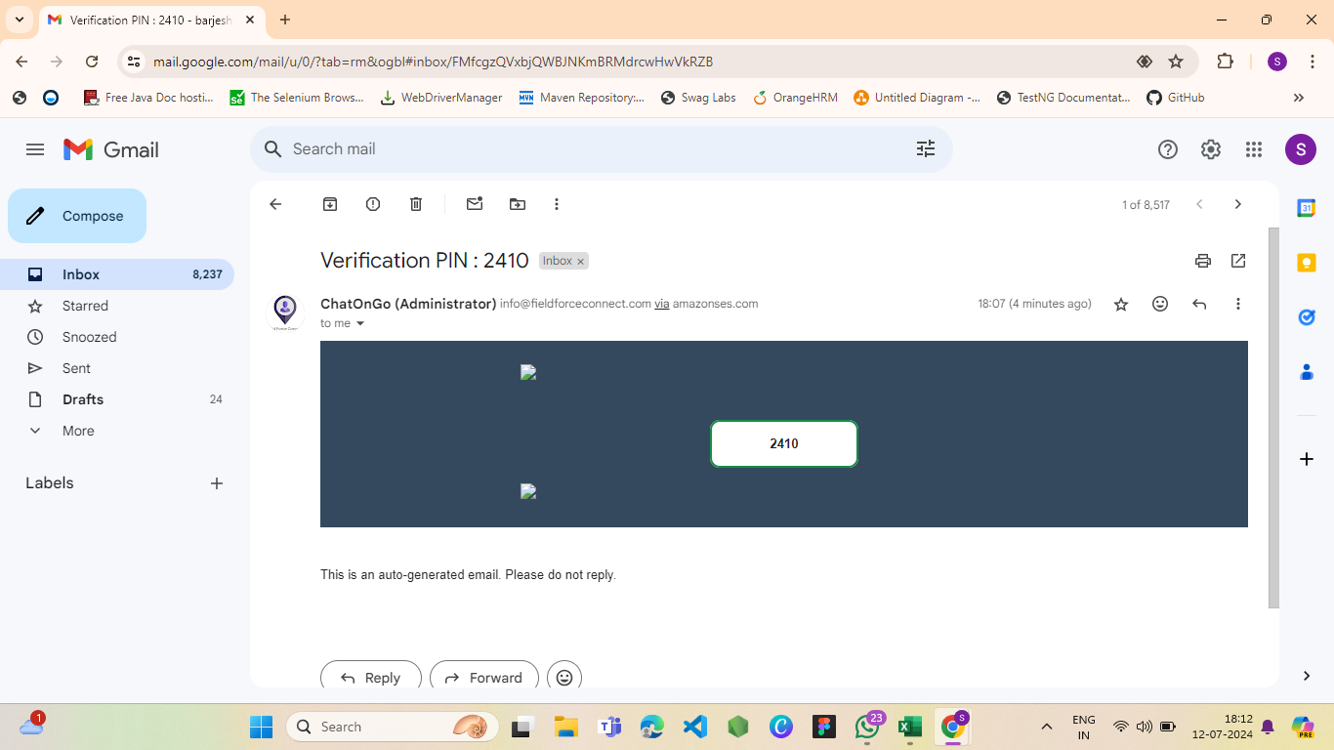
TC_07 | 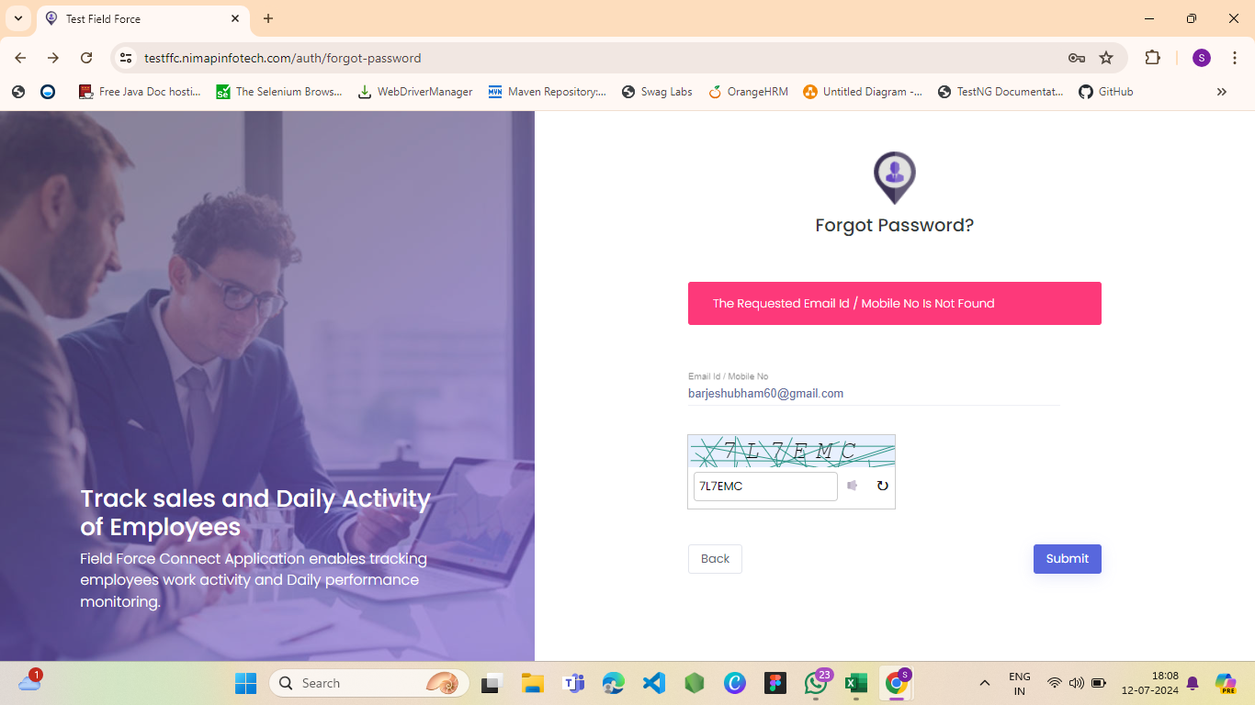
TC_08 | 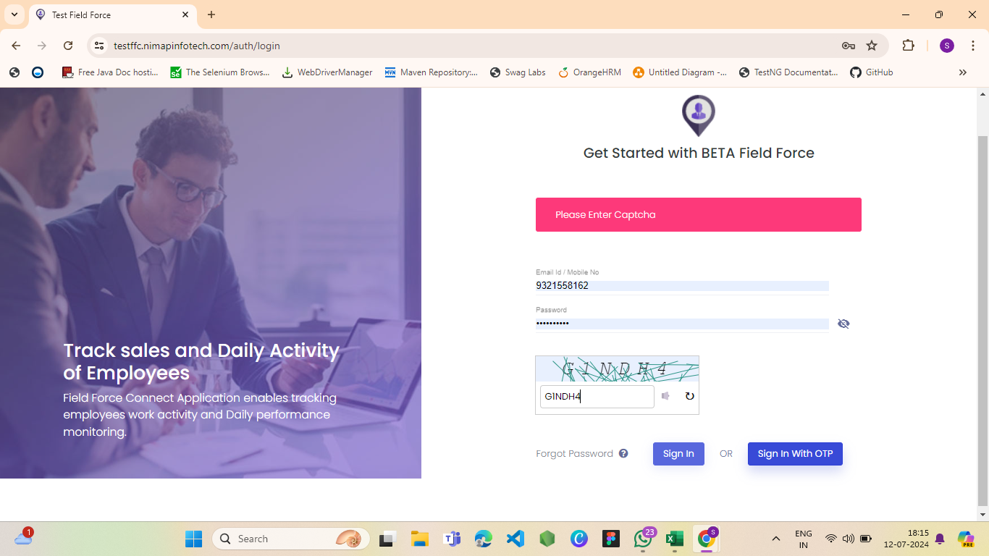
TC_09 | 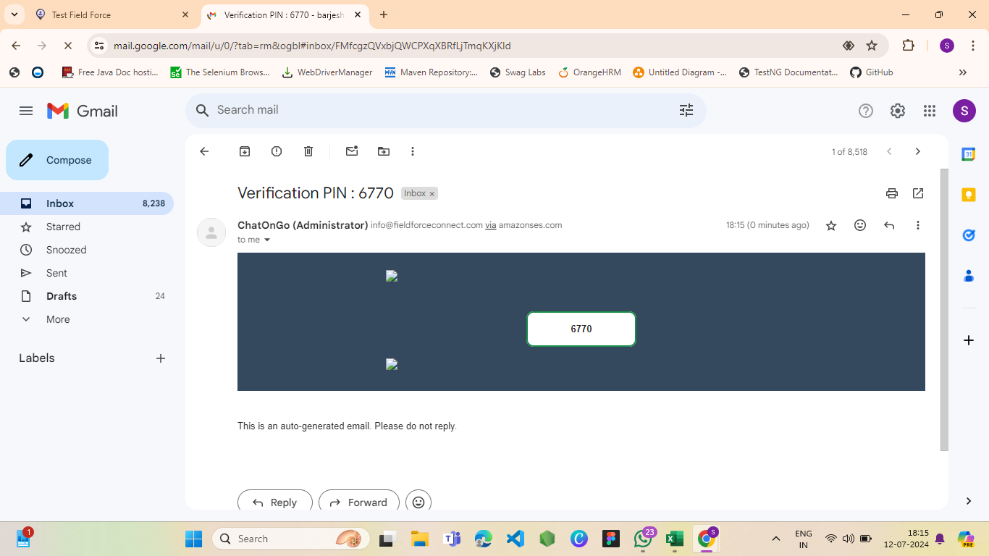
TC_10 | 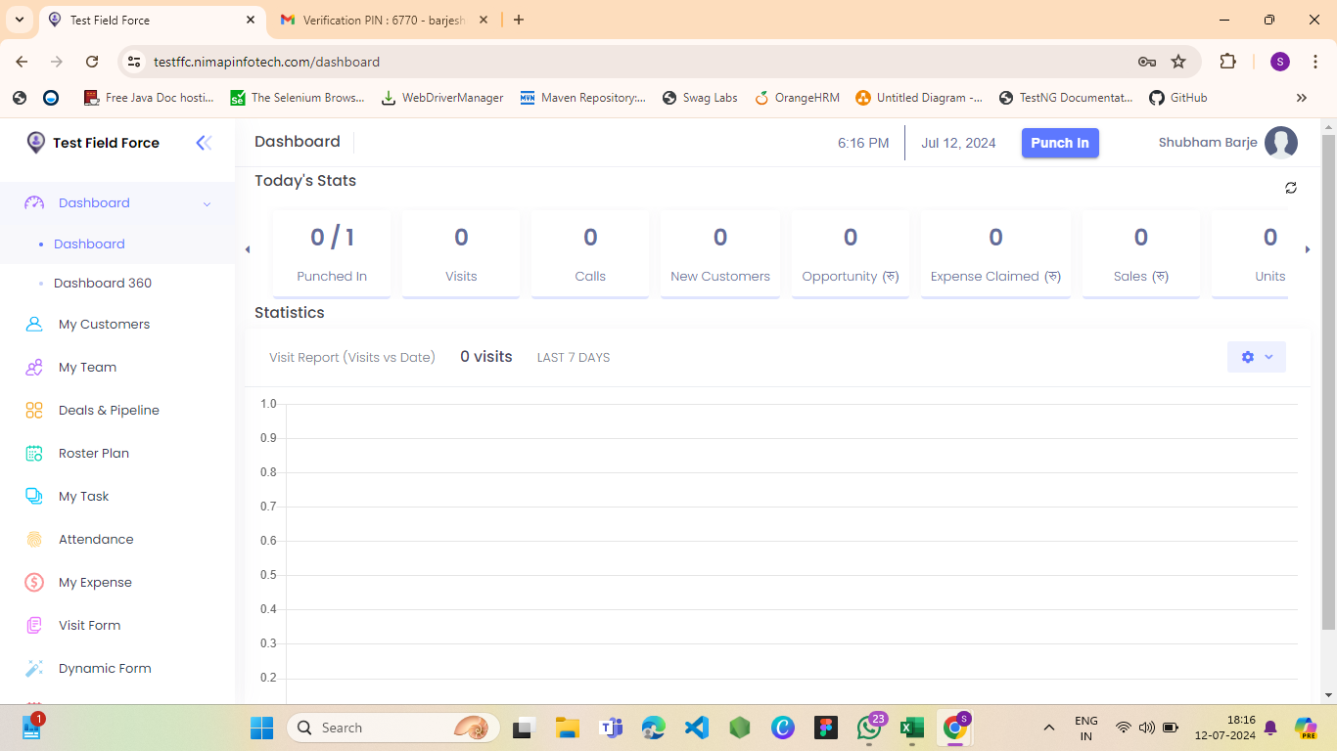 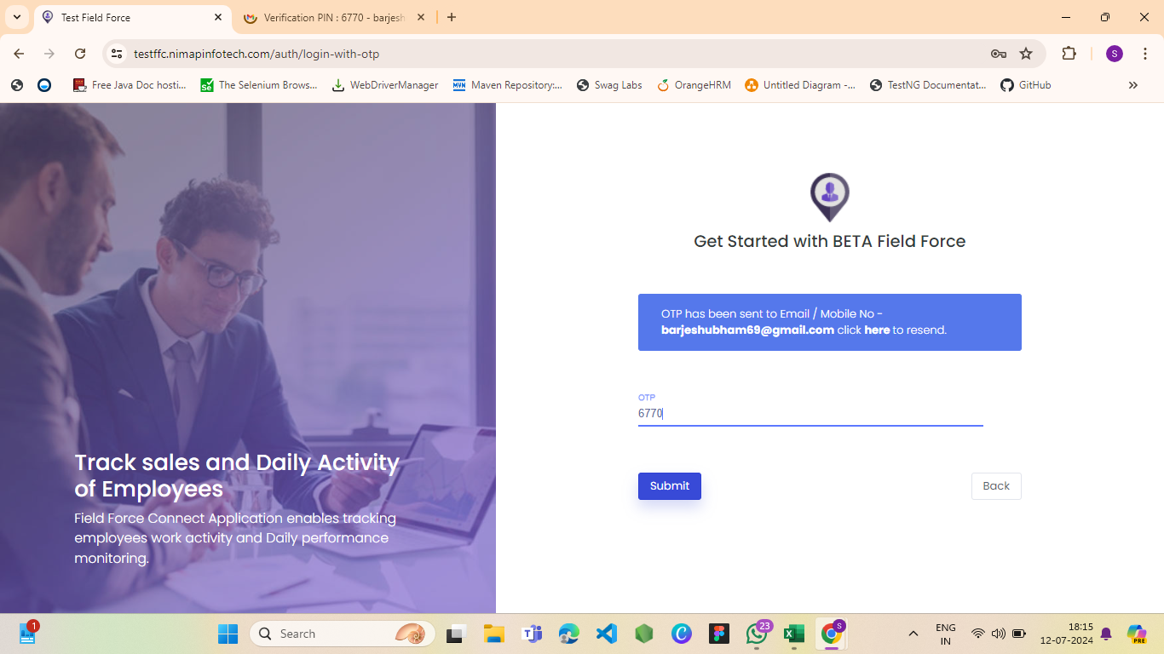
TC_11
TC_12 | 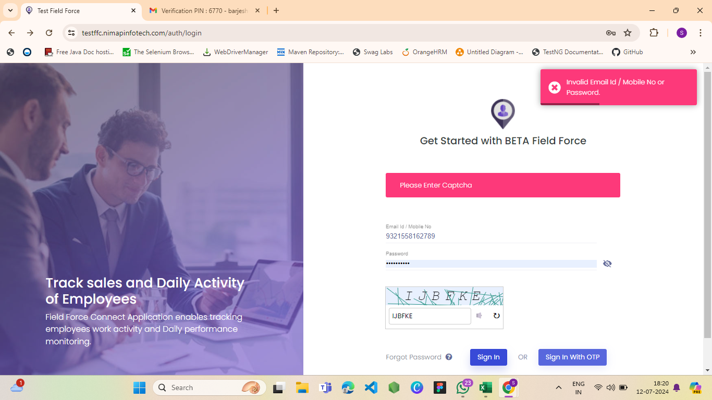
TC_13

Defects
Defect number | Project Name | Module Name | Requirement Number | Test Case ID | Summary | Description | Issues | Severity | Priority | Assign to | Screen Shots
D_01 | NmapInfotech |  |  | TC_04 | User can register in sign up with already registered email. | When we sign up with the new Email and then we again sign up with same Email it dosen't show any error | It allow already registered email in sign up functionality. | High | High |  | 