Economist Graphic - The Good Ch
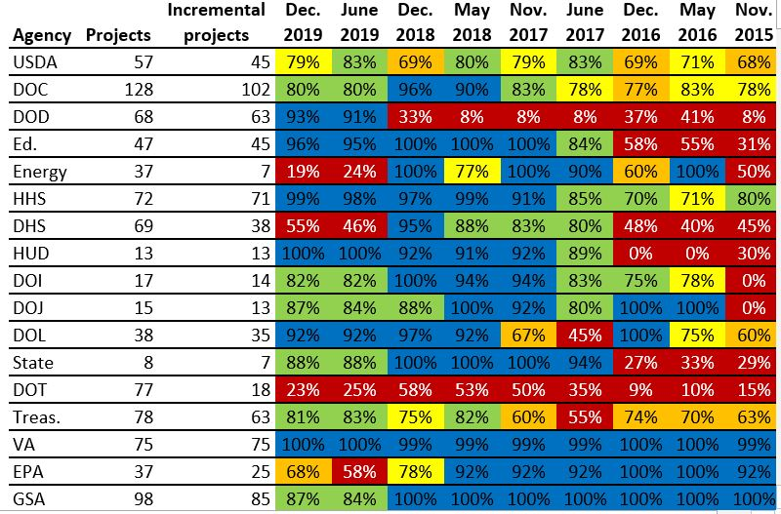
 |  | Shubham Jain | [Shubham Jain]

 |  | For this graphic, what do you see first? | 1. A lot of colors visible 2. Too much data with a lot of numbers. Mostly percentages. 3. Various agencies and the number of projects and incremental projects under them. 4. Progress in percentages with the various years

 |  | Make a note of the first idea that forms in your mind and then search for more. | 1. There are various agencies having various projects out of which a certain number of projects have been developed incrementally or moved to agile methodology. 2. Various colors represent range of percentages. Here, red represents the worst or the lowest range, green and blue represents the highest range. Yellow and dark yellow represents the mid range.

 | Source: FITARA 9.0 scorecard, December 2019 as referenced in:

 | Federal News Network. “Agilefall: The Place between Agile and Waterfall Development Where Most Agencies Live,” June 9, 2020. https://federalnewsnetwork.com/reporters-notebook-jason-miller/2020/06/agilefall-the-place-between-agile-and-waterfall-development-where-most-agencies-live/ (Links to an external site.).

 | What I like | What I dislike | What I wish I saw
 | 1. There is attempt to use of lot of colors to represent data. 2. Attempt to provide a lot of useful information. 3. Utilization of numbers and especially percentages to show detailed data. | 1. Colors are not able to represent data in a meaningful way. 2. Too much of information is clustered together that can confuse the person seeing it. 3. There are no notations under the chart to convey the information. 4. There are no legends in the visualization to undertand about the data and color codings. 5. By looking at the article link, one can figure out the clear demarcation between projects and incremental porjects and what are these agencies, but for a person just looking at just the visual it will be difficult as the whole purpose of a visualization is to get a high level understanding without going through the text. 6. | 1. Legends are required to understand the pictographic components of the visual. 2. A bar graph instead of the visual given using different color ranges and a correct scale would serve the purpose of conveying the information in a much better way. 3. A title for the chart that could give the high level summary about the visual.

 | What are three things you'd change, and why?
 | I would change... | because....
 | The utlization of various colors does not seem correct to a layman who doesn't know what the data is all about | Colors play a very important role in visualization to depict a story. For example: red is mostly considered as something negative and green as positive. In the visual, the utilisation of red color is done in the correct way but there is no clarity about the range being set for various colors.There are two types of yellow colors used but again the range is not defined clearly. Ideally green should be used for the best possible scenario but here the analyst has decided to use blue for best case which does not give clarity. Hence, specific ranges of colors and color symmetry should be defined.
 | A bar graph instead of the visual given using different color ranges and a correct scale. | Would serve the purpose of conveying the information in a much better way.
 | Add a ttile to the visual | Ttiles play a very important role in conveying a high level understanding about what that visual is about.

References: | Berinato, S. (2016). Good charts: The HBR guide to making smarter, more persuasive data visualizations.

CNBC Graphic - The Good Charts
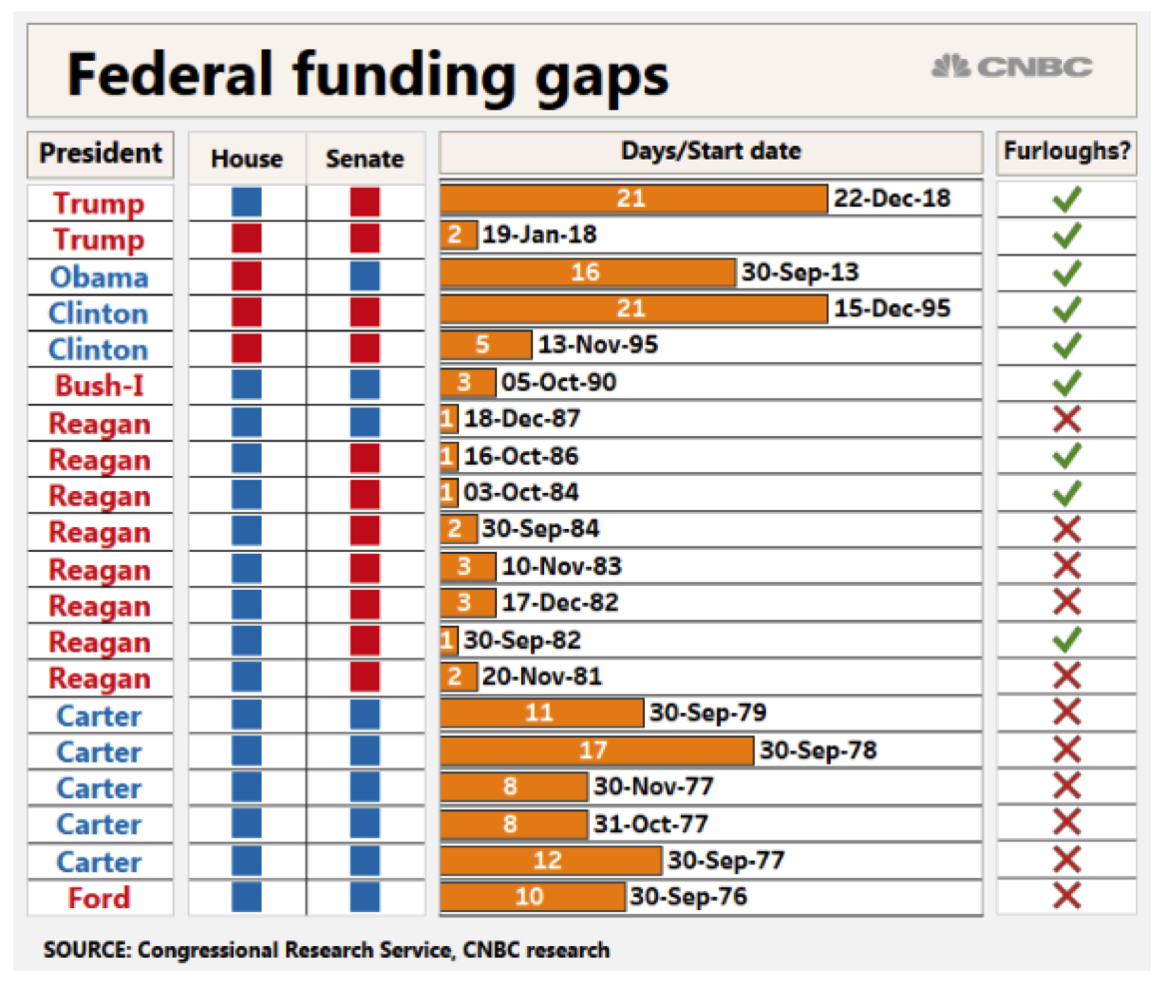
 |  | Shubham Jain | Shubham Jain

 |  | For this graphic, what do you see first? | Presidents being color coded in red and blue. Red and blue being used for the house and senate. Bars colored as orange to represent the number of days for the Federal funding gaps. Ticks and crosses to show Furloughs under each President.

 |  | Make a note of the first idea that forms in your mind and then search for more. | The visual represents the federal funding gaps under various presidents. The ticks and crosses represent if there was suspension of workers. The number of days since when the government is shut, recording a lapse in funding. The idea that’s misleading is that there is no clarity as to why a red or a blue color is used to represent the Presidents. The red and blue color for the House and Senate represents the absence and the presence under various Presidents.

 | Article: https://www.cnbc.com/2019/01/10/government-shutdown-ties-for-longest-ever-amid-border-wall-fight.html

 | What I like | What I dislike | What I wish I saw
 | 1. Utilization of red and blue color to represent presence and absence 2. Bar graphs representing the number of days. 3. Ticks and crosses to show presence or absence of Furloughs. 4. Start date since the suspension started. | 1. Red and blue color being used for the President 2. Orange as the color choice to represent the number of days. | 1. Other colors being used for the President instead of red and blue. 2. Some point of reference to understand why orange has been chosen for the bars to represent the number of days.

 | What are three things you'd change, and why?
 | I would change... | because....
 | Have Legends in the visual | It is not clear what each color depicts and represents. Having Legends will give more clarity.
 | Change the color of the bars representing the number of days | Use a more suitable color instead of orange to represent the number of days bars. A color that will be more instructive at glance.
 | Use different color theme for the President | Red and blue generally represent presence and absence of a certain element. Utilizing a more suitable color theme will not give the wrong impression about the data being represented.

References: | Berinato, S. (2016). Good charts: The HBR guide to making smarter, more persuasive data visualizations.

The Good Charts Matrix
Name of visualization | Design execution (-10 is poor, 10 is excellent) | Contextual awareness (-10 is low, 10 is high)
FITARA | 0 | 0
CNBC | 3 | 4

Contextual awareness = what am I trying to say, to whom, and where?

The Good Charts Matrix

Reference: Berinato, S. (2016). Good charts: The HBR guide to making smarter, more persuasive data visualizations.

