vdberg3c
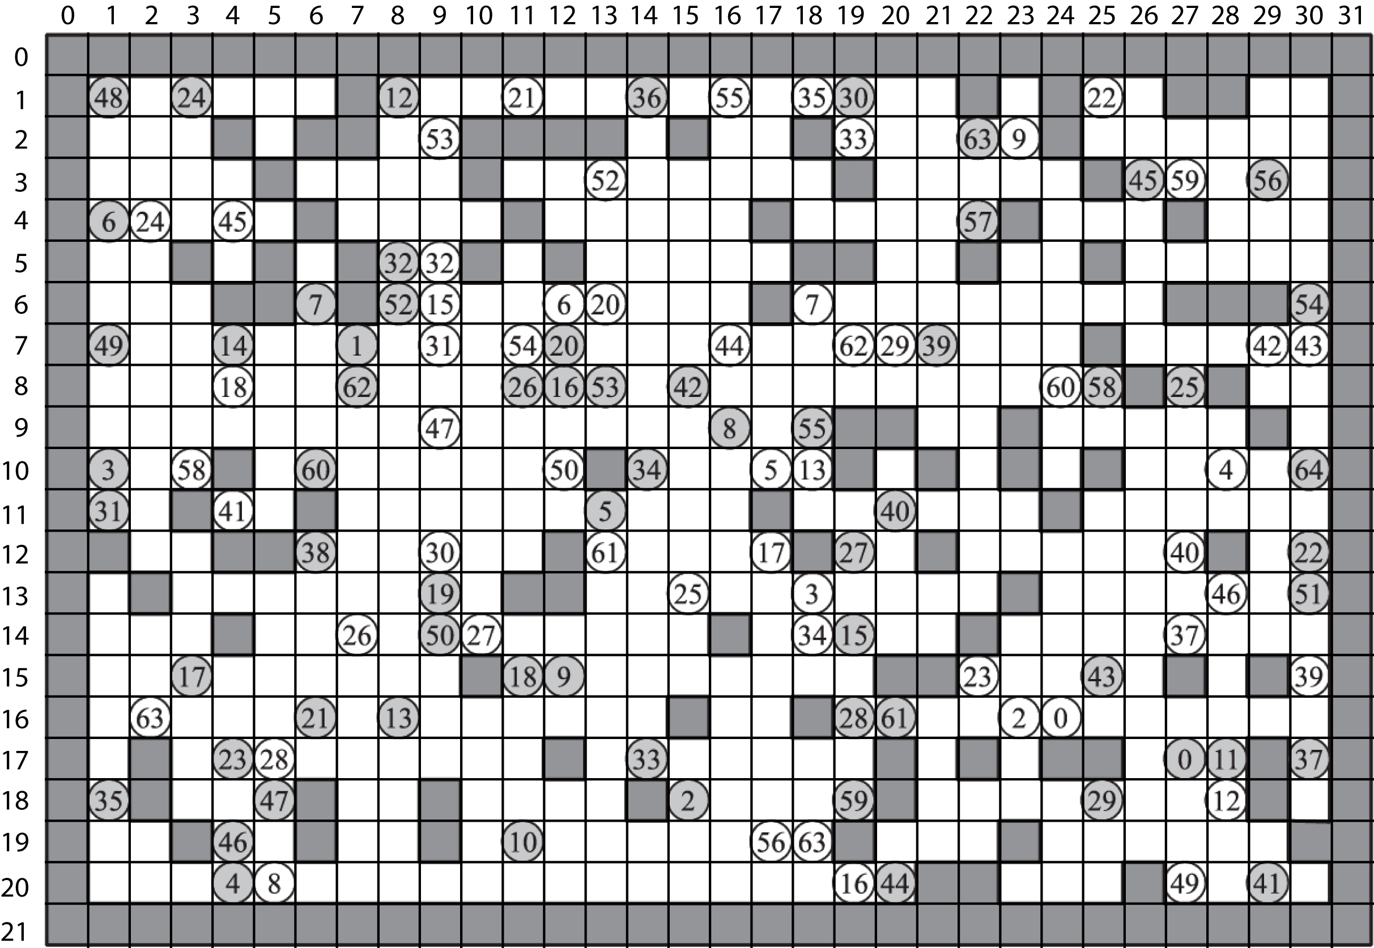
1 | 1 | 1 | 1 | 1 | 1 | 1 | 1 | 1 | 1 | 1 | 1 | 1 | 1 | 1 | 1 | 1 | 1 | 1 | 1 | 1 | 1 | 1 | 1 | 1 | 1 | 1 | 1 | 1 | 1 | 1 | 1 | 11111111111111111111111111111111
1 | 0 | 0 | 0 | 0 | 0 | 0 | 1 | 0 | 0 | 0 | 0 | 0 | 0 | 0 | 0 | 0 | 0 | 0 | 0 | 0 | 0 | 1 | 0 | 1 | 0 | 0 | 1 | 1 | g | 0 | 1 | 10000001000000000000001010011g01
1 | 0 | 0 | 0 | 1 | 0 | 1 | 1 | 0 | 0 | 1 | 1 | 1 | 1 | 0 | 1 | 0 | 0 | 1 | 0 | 0 | 0 | 0 | g | 1 | 0 | 0 | 0 | 0 | 0 | 0 | 1 | 10001011001111010010000g10000001
1 | 0 | 0 | 0 | 0 | 1 | 0 | 0 | 0 | 0 | 1 | 0 | 0 | 0 | 0 | 0 | 0 | 0 | 0 | 1 | 0 | 0 | 0 | 0 | 0 | 1 | 0 | 0 | 0 | 0 | 0 | 1 | 10000100001000000001000001000001
1 | i | 0 | 0 | 0 | 0 | 1 | 0 | 0 | 0 | 0 | 1 | 0 | 0 | 0 | 0 | 0 | 1 | 0 | 0 | 0 | 0 | 0 | 1 | 0 | 0 | 0 | 1 | 0 | 0 | 0 | 1 | 1i000010000100000100000100010001
1 | 0 | 0 | 1 | 0 | 1 | 0 | 1 | 0 | 0 | 1 | 0 | 1 | 0 | 0 | 0 | 0 | 0 | 1 | 1 | 0 | 0 | 1 | 0 | 0 | 1 | 0 | 0 | 0 | 0 | 0 | 1 | 10010101001010000011001001000001
1 | 0 | 0 | 0 | 1 | 1 | i | 1 | 0 | 0 | 0 | 0 | g | 0 | 0 | 0 | 0 | 1 | g | 0 | 0 | 0 | 0 | 0 | 0 | 0 | 0 | 1 | 1 | 1 | 0 | 1 | 100011i10000g00001g0000000011101
1 | 0 | 0 | 0 | 0 | 0 | 0 | i | 0 | 0 | 0 | 0 | 0 | 0 | 0 | 0 | 0 | 0 | 0 | 0 | 0 | 0 | 0 | 0 | 0 | 1 | 0 | 0 | 0 | 0 | 0 | 1 | 1000000i000000000000000001000001
1 | 0 | 0 | 0 | 0 | 0 | 0 | 0 | 0 | 0 | 0 | 0 | 0 | 0 | 0 | 0 | 0 | 0 | 0 | 0 | 0 | 0 | 0 | 0 | 0 | 0 | 1 | 0 | 1 | 0 | 0 | 1 | 10000000000000000000000000101001
1 | 0 | 0 | 0 | 0 | 0 | 0 | 0 | 0 | 0 | 0 | 0 | 0 | 0 | 0 | 0 | i | 0 | 0 | 1 | 1 | 0 | 0 | 1 | 0 | 0 | 0 | 0 | 0 | 1 | 0 | 1 | 1000000000000000i001100100000101
1 | i | 0 | 0 | 1 | 0 | 0 | 0 | 0 | 0 | 0 | 0 | 0 | 1 | 0 | 0 | 0 | g | 0 | 1 | 0 | 1 | 0 | 1 | 0 | 1 | 0 | 0 | g | 0 | 0 | 1 | 1i001000000001000g0101010100g001
1 | 0 | 0 | 1 | 0 | 0 | 1 | 0 | 0 | 0 | 0 | 0 | 0 | i | 0 | 0 | 0 | 1 | 0 | 0 | 0 | 0 | 0 | 0 | 1 | 0 | 0 | 0 | 0 | 0 | 0 | 1 | 1001001000000i000100000010000001
1 | 1 | 0 | 0 | 1 | 1 | 0 | 0 | 0 | 0 | 0 | 0 | 1 | 0 | 0 | 0 | 0 | 0 | 1 | 0 | 0 | 1 | 0 | 0 | 0 | 0 | 0 | 0 | 1 | 0 | 0 | 1 | 11001100000010000010010000001001
1 | 0 | 1 | 0 | 0 | 0 | 0 | 0 | 0 | 0 | 0 | 1 | 1 | 0 | 0 | 0 | 0 | 0 | g | 0 | 0 | 0 | 0 | 1 | 0 | 0 | 0 | 0 | 0 | 0 | 0 | 1 | 101000000001100000g0000100000001
1 | 0 | 0 | 0 | 1 | 0 | 0 | 0 | 0 | 0 | 0 | 0 | 0 | 0 | 0 | 0 | 1 | 0 | 0 | 0 | 0 | 0 | 1 | 0 | 0 | 0 | 0 | 0 | 0 | 0 | 0 | 1 | 10001000000000001000001000000001
1 | 0 | 0 | 0 | 0 | 0 | 0 | 0 | 0 | 0 | 1 | 0 | i | 0 | 0 | 0 | 0 | 0 | 0 | 0 | 1 | 1 | 0 | 0 | 0 | 0 | 0 | 1 | 0 | 1 | 0 | 1 | 100000000010i0000000110000010101
1 | 0 | 0 | 0 | 0 | 0 | 0 | 0 | 0 | 0 | 0 | 0 | 0 | 0 | 0 | 1 | 0 | 0 | 1 | 0 | 0 | 0 | 0 | g | g | 0 | 0 | 0 | 0 | 0 | 0 | 1 | 10000000000000010010000gg0000001
1 | 0 | 1 | 0 | 0 | 0 | 0 | 0 | 0 | 0 | 0 | 0 | 1 | 0 | 0 | 0 | 0 | 0 | 0 | 0 | 1 | 0 | 1 | 0 | 1 | 1 | 0 | i | 0 | 1 | 0 | 1 | 101000000000100000001010110i0101
1 | 0 | 1 | 0 | 0 | 0 | 1 | 0 | 0 | 1 | 0 | 0 | 0 | 0 | 1 | i | 0 | 0 | 0 | 0 | 1 | 0 | 0 | 0 | 0 | 0 | 0 | 0 | 0 | 1 | 0 | 1 | 101000100100001i0000100000000101
1 | 0 | 0 | 1 | 0 | 0 | 1 | 0 | 0 | 1 | 0 | 0 | 0 | 0 | 0 | 0 | 0 | 0 | 0 | 1 | 0 | 0 | 0 | 1 | 0 | 0 | 0 | 0 | 0 | 0 | 1 | 1 | 10010010010000000001000100000011
1 | 0 | 0 | 0 | i | g | 0 | 0 | 0 | 0 | 0 | 0 | 0 | 0 | 0 | 0 | 0 | 0 | 0 | 0 | 0 | 1 | 1 | 0 | 0 | 0 | 1 | 0 | 0 | 0 | 0 | 1 | 1000ig00000000000000011000100001
1 | 1 | 1 | 1 | 1 | 1 | 1 | 1 | 1 | 1 | 1 | 1 | 1 | 1 | 1 | 1 | 1 | 1 | 1 | 1 | 1 | 1 | 1 | 1 | 1 | 1 | 1 | 1 | 1 | 1 | 1 | 1 | 11111111111111111111111111111111

