AC - full version
 | Use case target | Abatement chart with calculations and manual (capital project ) adjustments
 | Key purpose | Target abatement curve has two purposes: 1. Return verified projects into the chart from emission register 1. Provide generic estiamtion on "standardized" initiatives to abate all emissions for prioritization and give high-level view on abatement journey. Generic estimation is executed for volumes not covered by "Emission register" levers only.
 | Changes to data injection & structures | New data structure "General Abatement Assumptions" - to be detailed New data structure "Generic levers assumptions"
 | Changes to UX/UI | On top of existing AC: 1. Master/Screen for two new structures. "General Assmuptions" can be single (non-table) screen since it will have only ~10 fixed fields. 2. Pop up to detail out initative with advanced data by click on the chart bar. Information in this bar should be connected to Emission Register. 3. Some visual way to separate "generic" estimations from "verified" bars (maybe through outline or transparency)

 | Changes to logics | Described separatly
 | User flow/operator logic changes | System directly displays levers from emission register. For remaining values within subcategory, system executes generic calculation For generic calculation User provides assumptions - general ones and by-levers. System uses assumptions to calculate "Abatement cost" and "Reduction volumes" and plot it on chart accordingly. After change of parameters system re-calculates chart.

 | Logics deep dive

 |  | General info
 | Flow 1. Plotting data from emission register | 1. System pulls all Follow Up detections from ER which are not marked as "completed/closed" and don't have empty "abatement cost" input 2. System plots each Follow-Up as separate bar on the chart using - X Axis: Reduced Volumes from ER = Sum (emission volumes last 12 month of given follow up/days in month*365*reduction %) - Y Axis: "Abatement cost" System use "Assessment lever" to assign color

 |  | General info | Step 1: Calculation of "Reduction volume" | Step 2. Calculation of "Abatement Cost" |  |  |  |  |  |  |  |  |  |  |  |  | Step 3.
 | Flow 2 .Generic calculation logics | Entire flow is being executed only for emissions that remain after the "Follow Ons" from emission regiester are plotted - i.e. 1) measured emissions which are not plotted in flow 1 and 2) non-measured emissions. Calculation logic is set of complex steps aimed to calculate two items: 1. Reduction Volume 2. Abatement Cost All inputs are taken from three sources - "General Assumptions" (G), "Lever Assumptions" (L), or estimations results. Entire flow after provision of date is completely automated. | 1.1. For given Subcategory/Asset combination pull measured volumes for last month (M). 1.2. For "Measured" volumes subtract all last month volumes related to detection instances that are already plotted through flow 1 for given subcategory/asset combination. Divide result value by number of days in month, multiply by 365. Result of 1: Estimated abateable M emissions 2. For "Non-measured" volumes: 2.1 Look into commisioned columns in static master for each equipment in range. 2.2 If in last 12 months equipment became decomissioned (there is a data in "decomissioned" column which falls under last 12 months) disregard all non-measured volumes for that equipment 2.3.a. For Equipment Commissioned in Last 11 months: Pull last month value for respective subcategories, divide value by # of days in month, multiply by 365. 2.3.b For Equipment Active for => Last 12 months: sum emissions values for respective subcategories for that equipment for last 12 months (active = Comissioned date over 12 months ago and decommission date is null) Result of 2: Est. abateable NM emissions 3. Sum all values from P1. and P2. Result: Estimated Abateable Emissions = Estimated Abateable M Emissions + Estimated Abateable NM Emissions 4. For given Subcategory/Asset/Lever combination pull " Reduction effect (%)" (L) 5. For given Subcategory/Asset/Lever combination multiply 4 and 3 Result: Reduction Volume = Reduction effect (%) x Estimated Abateable Emissions | Step 2.0 Abatement cost calculation is complex multi-step process that consists of series of calculations within defined time frame. | Step 2.1 Define Time period Pull "Start Date" (L), "Launch Date" (L) and End Date (G). Those values are years and serve as time range for given initiative. | Step 2.2. Get discount factor for every year within Time period. For every year Discount factor must be calculated as follows: 1. Pull "Discount rate" (G), "Start date" (G) 2. Use formula: (1/(1+"disount rate"))^([Given Year]- Start Date) | Step 2.3. Get growth factor for every year within Time period. For every Growth factor must be calculated as follows: - Pull "Growth rate" (G), "Start date" (G) - Use formula: ((1+"Growth rate")^([Given Year]- Start Date) | Step 2.4. Get By year volumes of emissions - Pull total Emissions calculated as result of step 1 and multiply them for growth factor for each year in Time Period range | Step 2.5. Get By year reductions of emissions Get Emissions volumes and multiply by "Saving %" (L) | Step 2.6 For every year within period range calculate "Total positive effect" Pull emission volumes (M), gas density(M), methane % (M) for given asset Divide Emission volumes by gas density by methane percent and multiply by reduction percent and 1000. Result is "Volume gas saved in cubic meters" Multiply "Volume gas saved in cubic meters" by "Gas Price" (G). Result is "Basic positive effect" in USD Pull "Additional Positive Effect" (L) [Note - potentially here will be additional calculation] add pulled value to "Basic positive effect" and multiply by respective "Growth factor" for each year with period range. Result is "Total positive effect" in USD by year. | Step 2.7 For every year within period range calculate "Operational Costs" Pull "Operational Costs" (L) [Note - potentially here will be additional calculation] Pull "CAPEX" (L) [Note - potentially here will be additional calculation] Divide "CAPEX" by "Number of year in operation" (L). Result is "Annual Amortization" in USD. | Step 2.8 For every year within period range calculate "Operational profits" Take "Total positive effect" and substract "Total operational costs" from it. Result is "Operational profits" in USD by year | Step 2.9 For every year within period range calculate "Post Tax Operational Profit" If "operational profit" is >0 thenTake "Operational profit" and multiply it by "Tax rate" (G). Result is "Tax expense" Substract tax expense from "Operational Profit. Result is "Post Tax Operational Profit" in USD by year. | Step 2.10 For every year within period range calculate "Discounted cash flow" Sum up "Post tax operational profit" and "Amortization" values. Substruct from "CAPEX" (L) from the sum. Result is "Cash Flow" by year in USD. Take every years "cash flow" and multiply it by respective "Discount factor". REsult is "Discounted Cash Flow" by year in USD. | Step 2.11 For every year within period range calculate "Discounted methnae reduction" Pull emission volumes (M) for every year in the range. Multiply it by respective "Discount factor". Result is "Discounted emission volumes" for every year. | Step 2.12 Sum all yearly records of "Discounted cash flow" Sum all yearly records of "Discounted emission volumes" Divide first result by second. Result is "Abatement cost" | This logic applies only to values calculated through flow 2. All results compated only against results of this flow calculation. Summary of that check: there are several levers marked as "exclusive". If they have lower abatement cost then any other lever relevant for given asset/subcategory, then only this lever is plotted. If not, it is not plotted. Step 1: Check the mapping to identify all levers associated with the same emission subcategory. - If only one lever exists, it is automatically plotted; If multiple levers exist, proceed to Step 2 Step 2: Determine whether to plot the Lever based on the below conditions Condition 1: Exclusive Lever with Lower Abatement Cost If the lever is marked as "exclusive" and its abatement cost < abatement costs of other levers for Asset/Subcategory Action: The lever is plotted on the chart. Condition 2: Exclusive Lever with Higher Abatement Cost If the lever is marked as "exclusive" but its abatement cost > abatement costs of other levers for Asset/Subcategory Action: The lever is not plotted. Condition 3: Non-Exclusive Lever with Lower Abatement Cost If the lever is not marked as "exclusive", but there are other exclusive levers for for Asset/Subcategory, and the non-exclusive lever’s abatement cost < than those of the exclusive levers: Action: The lever is plotted on the chart. Condition 4: Non-Exclusive Lever with Higher Abatement Cost If the lever is not marked as "exclusive", but there are other exclusive levers for Asset/Subcategory, and the non-exclusive lever’s abatement cost > of the exclusive levers: Action: The lever is not plotted. Condition 5: Non-Exclusive Lever with No Exclusive Levers If the lever is not marked as "exclusive", and there are no other exclusive levers for Asset/Subcategory (what if there are multiple non exclusive levers) Action: The lever is plotted on the chart, regardless of its abatement cost.

 | No longer needed | General info | Step 1: Selection of lever | Step 2.XXX | Step 3.Assigning or allocating project
 | Flow 2. Providing additional data | This step is required to select specific "Generic" levers and substitute them with externally calculated values based on more sophisticated assessement | User clicks on any bar on the chart or on button "add detailed lever". A window pops up that allows user to assign "verified" project to it. There are several buttons on the screen. 1. Assign new project 2. Allocate existing project | Newely generated project will replace either clicked bar or if clicked on button other lever that covers same subcategory and asset | Option 1. Assigning new project. User chooses to assign new project. User is expected to provide "Abatement Cost", "Total volume" , "CAPEX", "Name of the project". Also system provides list of over generic levers associated with same emissions subcategory and allows to assign same project to them as well. For given subcategory, user is provided with option to select relevenat equipment from drop-down list (or select all) User click "Proceed" | System generates "New Project". System uses emissions of selected equipments for given subcategory as basis for calculation | Project becomes new bar on the chart If reduction volume is less than reduction volume of selected bar system asks if user wants to : Mark leftover as "non-abatable". Mark left over as "to re-calculate using generic volumes". If selected then remaining volume passed to generic calcualtion logic for relevant levers to perform re calcution
 |  |  |  |  | Option 2. Allocating existing project. User chooses to select one or multiple projects from Emission register. System pulls up relevant emission register projects for that subcategory & asset to select from. Each allocated project becomes new bar on that chart | Each allocated project becomes new bar on that chart If reduction volume is less than reduction volume of selected bar system asks if user wants to : Mark leftover as "non-abatable". Mark left over as "to re-calculate using generic volumes". If selected then remaining volume passed to generic calcualtion logic for relevant levers to perform re calcution.

 | Flow 2. Step 3 example

 |  | Lever | Asset | Subcategory | Exclusive | Abatement cost | Plotted?
 |  | Wet Seal Changes | Asset 1 | Venting: Centrifugal compressor seals | Yes | 5 | Yes - exclusive with lower AC
 |  | Flare installation | Asset 1 | Multiple, V inclduing venting: Centrifugal compressor seals | No | 12 | No - there is other exclusive lever with same adressed one of relevant subcategry that has lower abatement costs.
 |  | Rout seal gas to inlet | Asset 1 | Venting: Centrifugal compressor seals | Yes | 100 | No - there is other exclusive lever with same adressed subcategry that has lower abatement costs
 |  | Small compressors replacement | Asset 1 | Venting: Piston rods | Yes | 50 | No, there is other lever that has lower costs. Not plotted at all.
 |  | Rod packing change | Asset 1 | Venting: Piston rods | No | 10 | Yes - lower AC
 |  | Fast Ldar | Asset 1 | Fugitives: Unintended leaks | No | 15 | Yes - no "exclusive levers for that subcategory. AC is irrelevant in that case
 |  | Continious LDAR | Asset 1 | Fugitives: Unintended leaks | No | 50 | Yes - no "exclusive levers for that subcategory. AC is irrelevant in that case

 | Pop ups

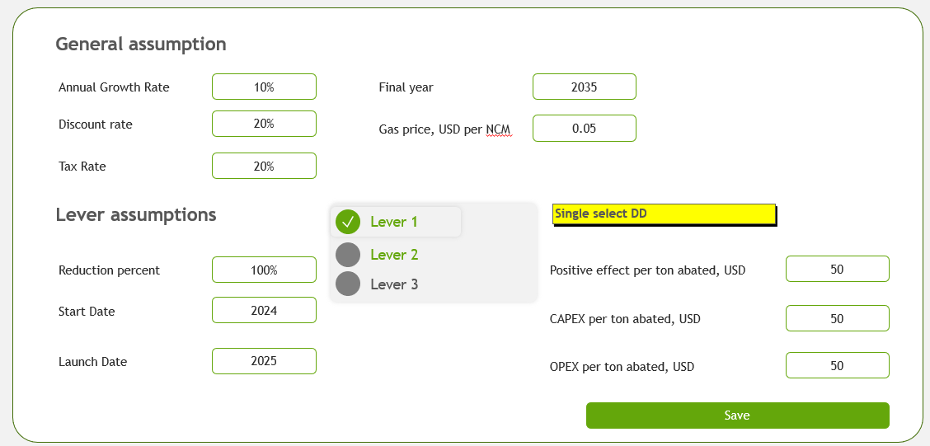
 | Function | Project related data structures |  |  |  |  | Project related data buttons
 | Assumptions page User can adjust assumption used for calculation. This is connected to flow 1. | General assumption values | Values are universally used
 |  | Lever assumption values | Values are used for specific levers. User can select lever for which assumptions are adjusted

 |  | Save button | By click windows closes and values are saved

Added | Emission register "Follow up" screen | New drop down - "Assessment level" | Can take "High-level assessment", "Detailed assessment" or "Budgeted" values

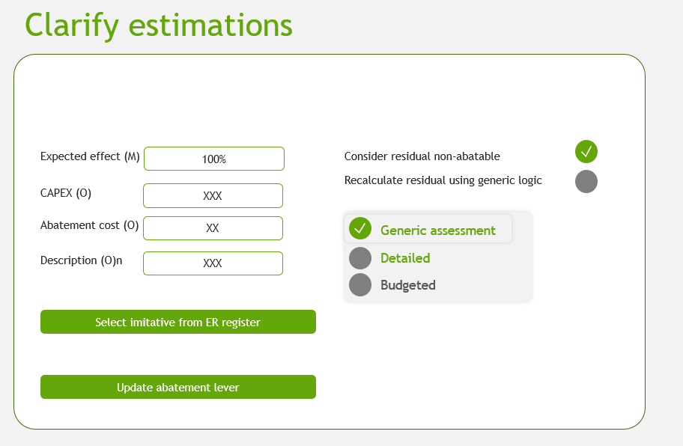
 | No longer required
 | Clarify estimations Window is called by clicking on bar on abatement chart
 |  | Expected Reductions | - is used to estimated reduction volume (calls relevant emission volumes and mutiplies by th
 |  | CAPEX | Replaces calculated value. Tooltip will provide reference value which will be calculated as defined below.
 |  | Abatement cost | Replaces calculated value. Tooltip will provide reference value which will be provided as hardcoded number.
 |  | Consider residual non-abatable | IF selected and if "Expected reductions" is less then 100% system will disregard any residual values. Example: If for given lever total related volumes are 1000, user inputs 70% then system will display 700 of reductions and 300 will be removed from AC.
 |  | Calculate residual using generic logic | IF selected and if "Expected reductions" is less then 100% system will recalculate any residual values using generic logic. Example: If for given lever total related volumes are 1000, user inputs 70% then system will display 700 of reductions and 300 will be recaculated using generic logic and pllotted on chart as separate bar
 |  | Generic/Detailed/Budgeted drop down toggle | Determines parameter that defines color of the bar
 |  | Select initative from ER | System calls pop-up with list of relevant levers (filter followups by FollowUp_initiative=selected_lever and FollowUp_asset=selected_asset)
 |  | Update lever | System saves results

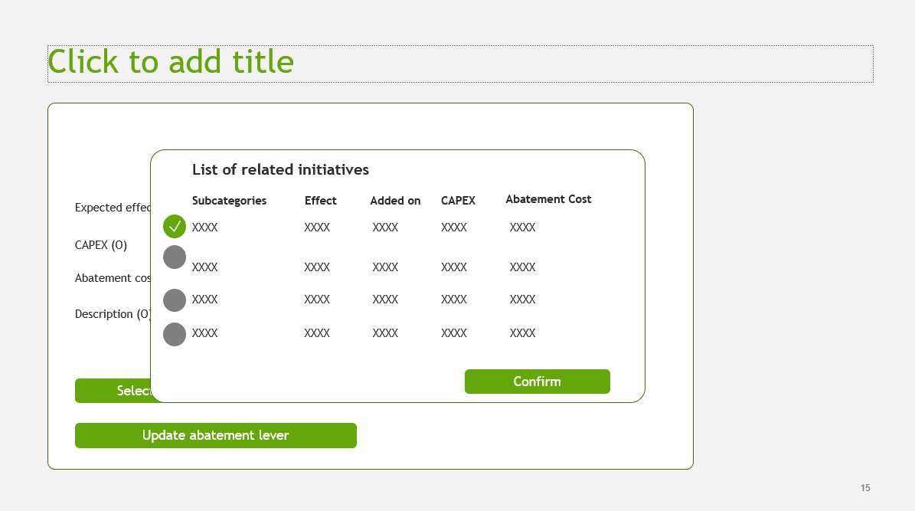
 | No longer required
 | List of relevant levers System pulls list of relevant initatives from ER and allows user to select one. Systems fetches all available data points for selected initative into preceding screen
 |  |  |  | *Please include Status column in this visual

 | Tooltip calculation

 | Capex per ton abated

 | Capex per ton abated reference value = (Sum of Capex of FollowUps with FollowUp_Initiative=Lever) / (Sum of AbatedVol of FollowUps with FollowUp_Initiative=Lever)

