SQL_1
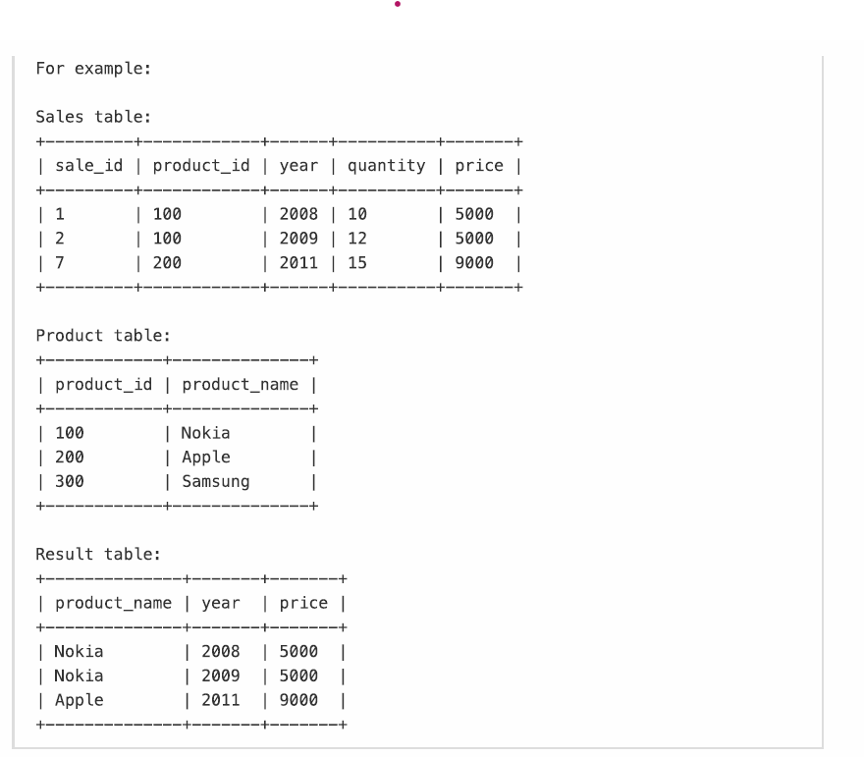

select p.product_name as product_name, s.year as year, s.price as price from Sales as s inner join Product as p on s.product_id = p.product_id;

SQL_2
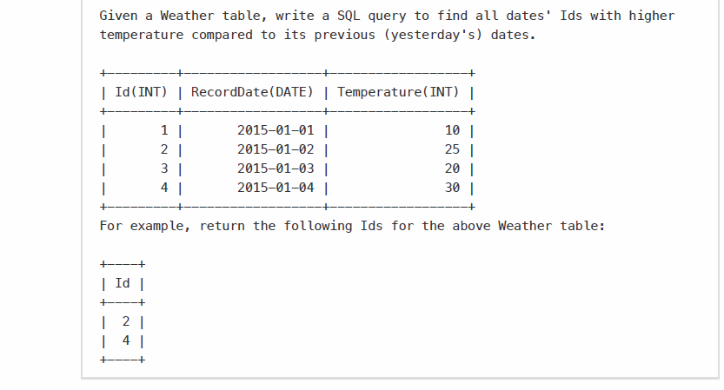

select t.Id from Weather as t, Weather as y where Datediff (t.RecordDate, y.RecordDate) =1 and t.Temperature > y.Temperature

SQL.3
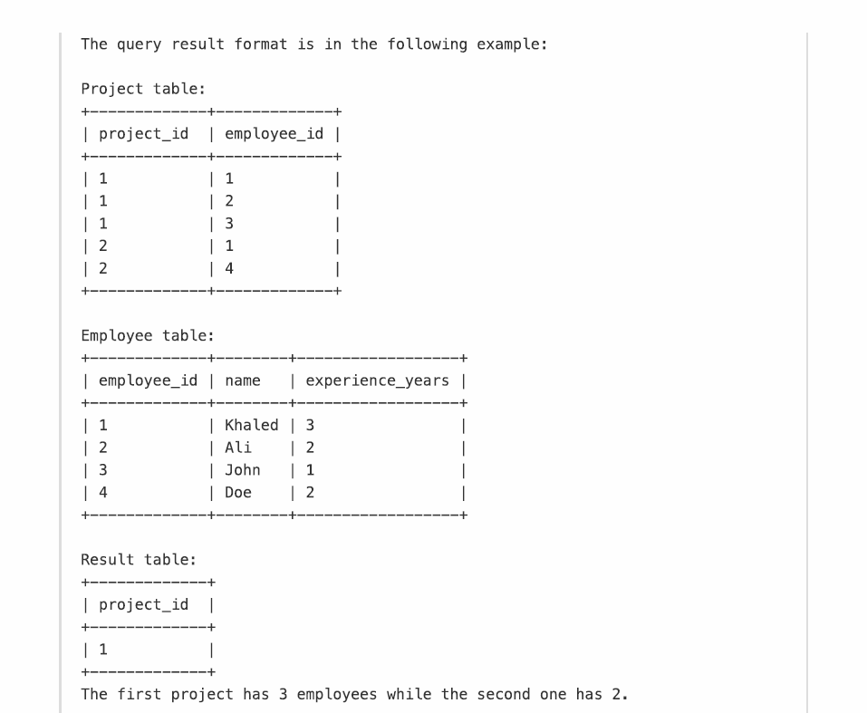

select p.project_id from Project p group by p.project_id having count(p.employee_id) = (select max(p1.employee_cnt) from (select project_id, count(employee_id) as employee_cnt from Project group by project_id) p1 )

