DRB - Summary
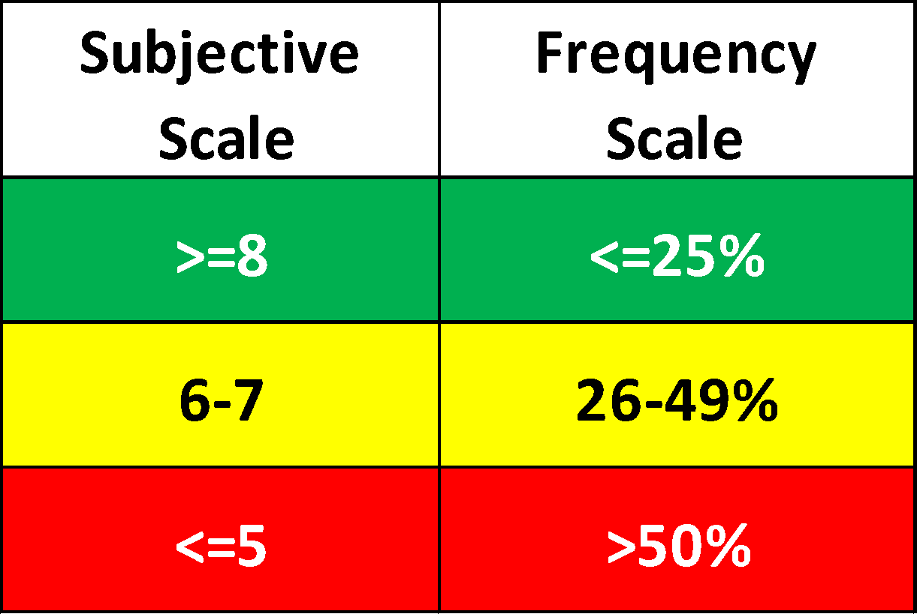
Overall Driveability Status |  | Model Year: |  |  |  |  |  | Engine: |  |  |  |  |  | Software Level:
 |  | Vehicle Line: |  |  |  |  |  | Transmisson: |  |  |  |  |  | Vin+(Last 3):
Ratings |  | Subjective | Frequency | Objective | Subjective | Frequency | Objective | Subjective | Frequency | Objective | Subjective | Frequency | Objective | Subjective | Frequency | Objective | Subjective | Frequency | Objective | Subjective | Frequency | Objective | Subjective | Frequency | Objective | TOP Speed

Block Pedal [Sweeps] Summary | Pedal % | Launch (0 -5mph/8kph) |  |  | 5mph/8kph-20mph/32kph |  |  | 20mph/32kph-35mph/56kph |  |  | 35mph/56kph-50mph/81kph |  |  | 50mph/81kph-65mph/105kph |  |  | 65mph/105kph-75mph/121 |  |  | 75mph/121kph-85mph/137kph |  |  | 85mph/137kph-93mph/150kph |  |  | Speed
 | 5% | w | w |  | w | w |  | w | w |  | w | w |  | w | w |  | w | w |  | w | w |  | w | w |  | 0
 | 10% | w | w |  | w | w |  | w | w |  | w | w |  | w | w |  | w | w |  | w | w |  | w | w |  | 0
 | 15% | w | w |  | w | w |  | w | w |  | w | w |  | w | w |  | w | w |  | w | w |  | w | w |  | 0
 | 20% | w | w |  | w | w |  | w | w |  | w | w |  | w | w |  | w | w |  | w | w |  | w | w |  | 0
 | 25% | w | w |  | w | w |  | w | w |  | w | w |  | w | w |  | w | w |  | w | w |  | w | w |  | 0
 | 30% | w | w |  | w | w |  | w | w |  | w | w |  | w | w |  | w | w |  | w | w |  | w | w |  | 0
 | 35% | w | w |  | w | w |  | w | w |  | w | w |  | w | w |  | w | w |  | w | w |  | w | w |  | 0
 | 40% | w | w |  | w | w |  | w | w |  | w | w |  | w | w |  | w | w |  | w | w |  | w | w |  | 0
 | 45% | w | w |  | w | w |  | w | w |  | w | w |  | w | w |  | w | w |  | w | w |  | w | w |  | 0
 | 50% | w | w |  | w | w |  | w | w |  | w | w |  | w | w |  | w | w |  | w | w |  | w | w |  | 0
 | 60% | w | w |  | w | w |  | w | w |  | w | w |  | w | w |  | w | w |  | w | w |  | w | w |  | 0
 | 70% | w | w |  | w | w |  | w | w |  | w | w |  | w | w |  | w | w |  | w | w |  | w | w |  | 0
 | 80% | w | w |  | w | w |  | w | w |  | w | w |  | w | w |  | w | w |  | w | w |  | w | w |  | 0
 | 99% (Opt.) | w | w |  | w | w |  | w | w |  | w | w |  | w | w |  | w | w |  | w | w |  | w | w |  | 0
 | 100% | w | w |  | w | w |  | w | w |  | w | w |  | w | w |  | w | w |  | w | w |  | w | w |  | 0

Decel Coastdown | Coastdown [No Pedal] | 90 - 75 mph |  |  | 75 - 60 mph |  |  | 60 - 45 mph |  |  | 45 - 30 mph |  |  | 30 - 15 mph |  |  | 15 - 0 mph |  |  | Top Speed
 | Closed Pedal | w | w |  | w | w |  | w | w |  | w | w |  | w | w |  | w | w |  | 0

Decel OPD | Coastdown [No Pedal] | 90 - 75 mph |  |  | 75 - 60 mph |  |  | 60 - 45 mph |  |  | 45 - 30 mph |  |  | 30 - 15 mph |  |  | 15 - 0 mph |  |  | Top Speed
 | Closed Pedal | w | w |  | w | w |  | w | w |  | w | w |  | w | w |  | w | w |  | 0

Rolling tip in and tip out at Deceleration | Pedal % | TI 6mph/10kph |  |  | TO 28mph/45kph |  |  | TI 19mph/30kph |  |  | TO 37mph/60kph |  |  | TI 31mph/50kph |  |  | TO 50mph/80kph |  |  | TI 43mph/70kph |  |  | TO 62mph/100kph |  |  | TI 56mph/90kph |  |  | TO 78mph/125kph
 | 20% | w | #DIV/0! |  | w | #DIV/0! |  | w | #DIV/0! |  | w | #DIV/0! |  | w | #DIV/0! |  | w | #DIV/0! |  | w | #DIV/0! |  | w | #DIV/0! |  | w | #DIV/0! |  | w | #DIV/0! | -
 | 40% | w | #DIV/0! |  | w | #DIV/0! |  | w | #DIV/0! |  | w | #DIV/0! |  | w | #DIV/0! |  | w | #DIV/0! |  | w | #DIV/0! |  | w | #DIV/0! |  | w | #DIV/0! |  | w | #DIV/0! | -
 | 50% | w | #DIV/0! |  | w | #DIV/0! |  | w | #DIV/0! |  | w | #DIV/0! |  | w | #DIV/0! |  | w | #DIV/0! |  | w | #DIV/0! |  | w | #DIV/0! |  | w | #DIV/0! |  | w | #DIV/0! | -
 | 70% | w | #DIV/0! |  | w | #DIV/0! |  | w | #DIV/0! |  | w | #DIV/0! |  | w | #DIV/0! |  | w | #DIV/0! |  | w | #DIV/0! |  | w | #DIV/0! |  | w | #DIV/0! |  | w | #DIV/0! | -
 | 100% | w | #DIV/0! |  | w | #DIV/0! |  | w | #DIV/0! |  | w | #DIV/0! |  | w | #DIV/0! |  | w | #DIV/0! |  | w | #DIV/0! |  | w | #DIV/0! |  | w | #DIV/0! |  | w | #DIV/0! | -

Tip in at Constant speed | Pedal % | TI 6mph/10kph |  |  | TI 19mph/30kph |  |  | TI 40 31mph/50kph |  |  | TI 43mph/70kph |  |  | TI 56mph/90kph |  |  | Tip Out at Constant Speed |  |  |  |  |  |  |  |  |  |  |  |  |  |  | 25 | <=25%
 | 20% | 0 | #DIV/0! |  | 0 | #DIV/0! |  | 0 | #DIV/0! |  | 0 | #DIV/0! |  | 0 | #DIV/0! |  | TO 28mph/45kph |  |  | TO 37mph/60kph |  |  | TO 50mph/80kph |  |  | TO 62mph/100kph |  |  | TO 75mph/120kph |  |  | 26 | 26% to 49%
 | 30% | 0 | #DIV/0! |  | 0 | #DIV/0! |  | 0 | #DIV/0! |  | 0 | #DIV/0! |  | 0 | #DIV/0! |  | 0 | #DIV/0! |  | 0 | #DIV/0! |  | 0 | #DIV/0! |  | 0 | #DIV/0! |  | 0 | #DIV/0! |  | 49 | >=50%
 | 40% | 0 | #DIV/0! |  | 0 | #DIV/0! |  | 0 | #DIV/0! |  | 0 | #DIV/0! |  | 0 | #DIV/0! |  |  |  |  |  |  |  |  |  |  |  |  |  |  |  |  | 50 | >=8
 | 50% | 0 | #DIV/0! |  | 0 | #DIV/0! |  | 0 | #DIV/0! |  | 0 | #DIV/0! |  | 0 | #DIV/0! |  |  |  |  |  |  |  |  |  |  |  |  |  |  |  |  |  | 6-7
 | 70% | 0 | #DIV/0! |  | 0 | #DIV/0! |  | 0 | #DIV/0! |  | 0 | #DIV/0! |  | 0 | #DIV/0! |  |  |  |  |  |  |  |  |  |  |  |  |  |  |  |  |  | <=5
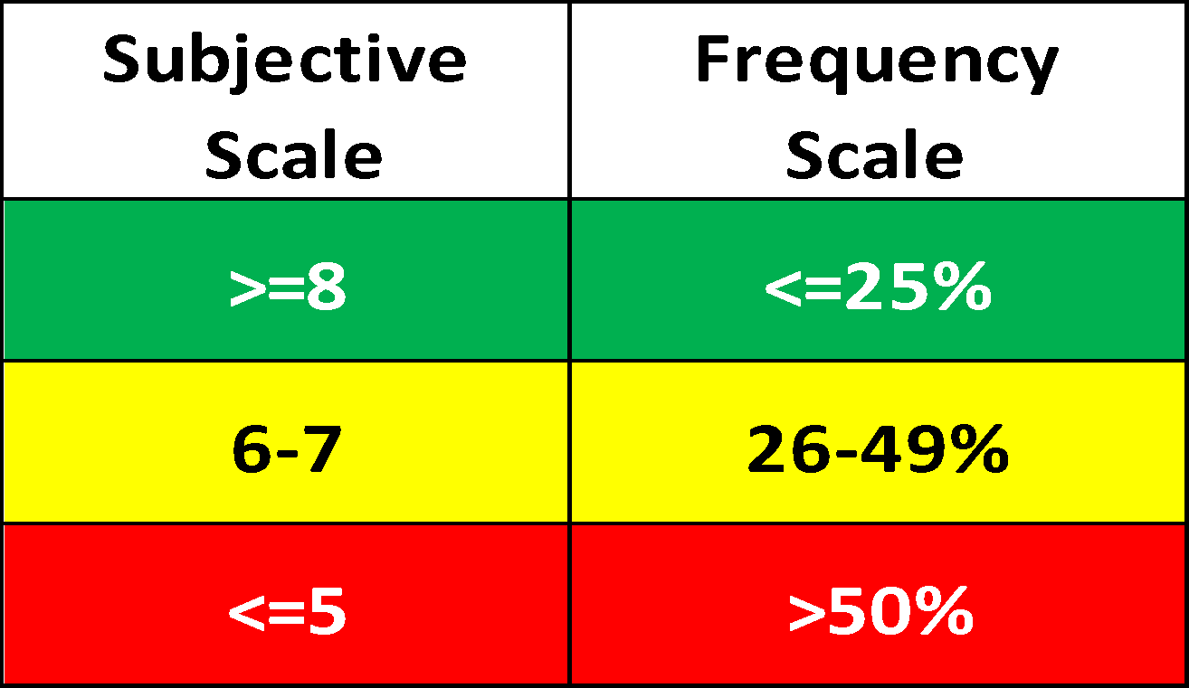
 | 100% | 0 | #DIV/0! |  | 0 | #DIV/0! |  | 0 | #DIV/0! |  | 0 | #DIV/0! |  | 0 | #DIV/0!

Garage Shift - Shift Lever Change
 | Garage Shifts [Static] | Garage Shifts |  |  |  | Garage Shift - Maneuvering |  | Garage Shifts Rolling |  |  | DRD
 | PRP | w | #DIV/0! |  |  |  |  | Without Pedal |  |  | w | #DIV/0!
 | PDP | w | #DIV/0! |  |  |  |  | With Pedal |  |  | w | #DIV/0!
 | NDN | w | #DIV/0! |  |  | Constant Speed - D Range
 | NRN | w | #DIV/0! |  |  | Gear |  |  | Creep |  |  | 6mph/10kph |  |  | 12mph/20kph |  |  | 25mph/40kph |  |  | 50mph/80kph |  |  | 62mph/100kph |  |  | 75mph/120kph
 | DRD | w | #DIV/0! |  |  | D |  |  | 0 | #DIV/0! |  | 0 | #DIV/0! |  | 0 | #DIV/0! |  | 0 | #DIV/0! |  | 0 | #DIV/0! |  | 0 | #DIV/0! |  | 0 | #DIV/0!

Data Names

MAKE SURE TO INPUT VEHICLE INFO ON DRB - SUMMARY PAGE. THAT DATA IS FED INTO THE CELLS BELLOW

1 | Desired Data/Vehicle Label
 | Model Year | 0
 | Engine Disp. | 0
 | Transmission | 0 |  | Result: | 0_0_0_0_0_072926
 | Model Code | 0
 | Prototype Level | 0
 | Last 4 of VIN | 0
 | Date | 072926

Test: |  | Prefix: |  | Concatenate
Drive away launch sweeps |  | DriveAway_10_1_ |  | DriveAway_10_1_0_0_0_0_0_072926
Drive away ESS |  | DriveAway_ESS_10_1_ |  | DriveAway_ESS_10_1_0_0_0_0_0_072926
RTITO_AD |  | RTITO_AD_6_20pct_ |  | RTITO_AD_6_20pct_0_0_0_0_0_072926
 |  | Extra_RTITO_AD_10_20pct |  | Extra_RTITO_AD_10_20pct0_0_0_0_0_072926
TI_CstSpd |  | TI_CstSpd_6_20pct_ |  | TI_CstSpd_6_20pct_0_0_0_0_0_072926
TO_CstSpd |  | TO_CstSpd_28_RL_ |  | TO_CstSpd_28_RL_0_0_0_0_0_072926
RRL |  | RRL_30pct_3mph_ |  | RRL_30pct_3mph_0_0_0_0_0_072926
GS |  | Extra_GS_DRD_AftMov_ |  | Extra_GS_DRD_AftMov_0_0_0_0_0_072926
 |  | GS_Static_DRD_ |  | GS_Static_DRD_0_0_0_0_0_072926
 |  | GS_RNDN_ |  | GS_RNDN_0_0_0_0_0_072926
 |  | GS_RL_0pct_ |  | GS_RL_0pct_0_0_0_0_0_072926
GS_RL max creep |  | GS_RLMC_0pct_ |  | GS_RLMC_0pct_0_0_0_0_0_072926
 |  | GS_RL_10pct_ |  | GS_RL_10pct_0_0_0_0_0_072926
 |  | Extra_GS_0%_ |  | Extra_GS_0%_0_0_0_0_0_072926
 |  | Extra_GS_5%_ |  | Extra_GS_5%_0_0_0_0_0_072926
Full Load |  | FullLoad_M1_ |  | FullLoad_M1_0_0_0_0_0_072926
PLCP |  | PLCP_M2_20pct_ |  | PLCP_M2_20pct_0_0_0_0_0_072926
PLRP |  | PLRP_M2_ |  | PLRP_M2_0_0_0_0_0_072926
Const. Spd |  | CS_M12_ |  | CS_M12_0_0_0_0_0_072926
Constant spd |  | CstSpd_D_25mph_ |  | CstSpd_D_25mph_0_0_0_0_0_072926
TITO |  | TITO_M2_25pct_ |  | TITO_M2_25pct_0_0_0_0_0_072926
Engine Start Stop |  | EngineOnOff_ |  | EngineOnOff_0_0_0_0_0_072926
Idle AC On/OFF |  | IdleACOnOff_ |  | IdleACOnOff_0_0_0_0_0_072926
Idle Electric Load |  | IdleElectricLoad_ |  | IdleElectricLoad_0_0_0_0_0_072926
Throttle Response |  | ThrRes_25pct_ |  | ThrRes_25pct_0_0_0_0_0_072926
Decel coastdowns |  | Decel_nobrk_1_ |  | Decel_nobrk_1_0_0_0_0_0_072926
Decel OPD |  | Decel_OPD_1_ |  | Decel_OPD_1_0_0_0_0_0_072926

Optional Test - Summary
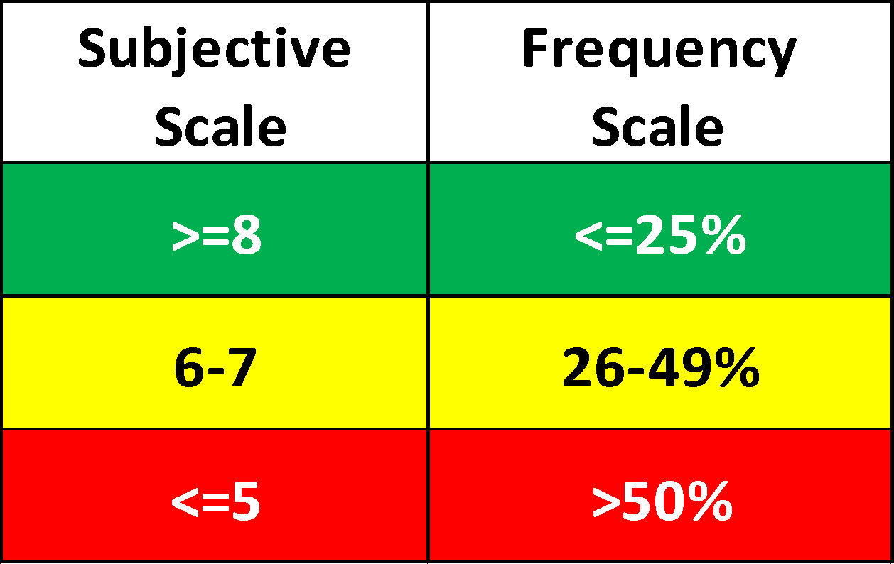
Overall Driveability Status |  | Model Year: |  |  |  |  |  | 0 |  |  |  |  |  | Engine: |  |  |  |  |  | 0 |  |  |  |  |  | Software Level: |  |  |  |  |  | 0
 |  | Vehicle Line: |  |  |  |  |  | 0 |  |  |  |  |  | Transmisson: |  |  |  |  |  | 0 |  |  |  |  |  | Vin+(Last 3) |  |  |  |  |  | 0
Ratings |  | Subjective | Frequency | Objective | Subjective | Frequency | Objective | Subjective | Frequency | Objective | Subjective | Frequency | Objective | Subjective | Frequency | Objective | Subjective | Frequency | Objective | Subjective | Frequency | Objective | Subjective | Frequency | Objective | Subjective | Frequency | Objective | Subjective | Frequency | Objective | Subjective | Frequency | Objective | Subjective | Frequency | Objective | Subjective | Frequency | Objective | Subjective | Frequency | Objective | Subjective | Frequency | Objective | Subjective | Frequency | Objective

 | | Gear | Pedal % | | TI |  |  | TO |  |  | TI |  |  | TO |  |  | TI |  |  | TO |  |  | TI |  |  | TO |  |  | TI |  |  | TO |  |  | TI |  |  | TO |  |  | TI |  |  | TO |  |  | TI |  |  | TO
Tip-IN Tip-OUT [TITO] Opt |  | 1500 |  |  | 2500 |  |  | 2000 |  |  | 3000 |  |  | 2500 |  |  | 3500 |  |  | 3000 |  |  | 4000 |  |  | 3500 |  |  | 4500 |  |  | 4000 |  |  | 5000 |  |  | 4500 |  |  | 5500 |  |  | 5000 |  |  | 6000
 | M2 - 25% | 0 | #DIV/0! |  | 0 | #DIV/0! |  | 0 | #DIV/0! |  | 0 | #DIV/0! |  | 0 | #DIV/0! |  | 0 | #DIV/0! |  | 0 | #DIV/0! |  | 0 | #DIV/0! |  | 0 | #DIV/0! |  | 0 | #DIV/0! |  | 0 | #DIV/0! |  | 0 | #DIV/0! |  | 0 | #DIV/0! |  | 0 | #DIV/0! |  | 0 | #DIV/0! |  | 0 | #DIV/0!
 | M2 - 50% | 0 | #DIV/0! |  | 0 | #DIV/0! |  | 0 | #DIV/0! |  | 0 | #DIV/0! |  | 0 | #DIV/0! |  | 0 | #DIV/0! |  | 0 | #DIV/0! |  | 0 | #DIV/0! |  | 0 | #DIV/0! |  | 0 | #DIV/0! |  | 0 | #DIV/0! |  | 0 | #DIV/0! |  | 0 | #DIV/0! |  | 0 | #DIV/0! |  | 0 | #DIV/0! |  | 0 | #DIV/0!
 | M2 - 75% | 0 | #DIV/0! |  | 0 | #DIV/0! |  | 0 | #DIV/0! |  | 0 | #DIV/0! |  | 0 | #DIV/0! |  | 0 | #DIV/0! |  | 0 | #DIV/0! |  | 0 | #DIV/0! |  | 0 | #DIV/0! |  | 0 | #DIV/0! |  | 0 | #DIV/0! |  | 0 | #DIV/0! |  | 0 | #DIV/0! |  | 0 | #DIV/0! |  | 0 | #DIV/0! |  | 0 | #DIV/0!
 | M2 - 100% | 0 | #DIV/0! |  | 0 | #DIV/0! |  | 0 | #DIV/0! |  | 0 | #DIV/0! |  | 0 | #DIV/0! |  | 0 | #DIV/0! |  | 0 | #DIV/0! |  | 0 | #DIV/0! |  | 0 | #DIV/0! |  | 0 | #DIV/0! |  | 0 | #DIV/0! |  | 0 | #DIV/0! |  | 0 | #DIV/0! |  | 0 | #DIV/0! |  | 0 | #DIV/0! |  | 0 | #DIV/0!
 | M3 - 25% |  | #DIV/0! |  |  | #DIV/0! |  |  | #DIV/0! |  |  | #DIV/0! |  |  | #DIV/0! |  |  | #DIV/0! |  |  | #DIV/0! |  |  | #DIV/0! |  |  | #DIV/0! |  |  | #DIV/0! |  |  | #DIV/0! |  |  | #DIV/0! |  |  | #DIV/0! |  |  | #DIV/0! |  |  | #DIV/0! |  |  | #DIV/0!
 | M3 - 50% |  | #DIV/0! |  |  | #DIV/0! |  |  | #DIV/0! |  |  | #DIV/0! |  |  | #DIV/0! |  |  | #DIV/0! |  |  | #DIV/0! |  |  | #DIV/0! |  |  | #DIV/0! |  |  | #DIV/0! |  |  | #DIV/0! |  |  | #DIV/0! |  |  | #DIV/0! |  |  | #DIV/0! |  |  | #DIV/0! |  |  | #DIV/0!
 | M3 - 75% |  | #DIV/0! |  |  | #DIV/0! |  |  | #DIV/0! |  |  | #DIV/0! |  |  | #DIV/0! |  |  | #DIV/0! |  |  | #DIV/0! |  |  | #DIV/0! |  |  | #DIV/0! |  |  | #DIV/0! |  |  | #DIV/0! |  |  | #DIV/0! |  |  | #DIV/0! |  |  | #DIV/0! |  |  | #DIV/0! |  |  | #DIV/0!
 | M3 - 100% |  | #DIV/0! |  |  | #DIV/0! |  |  | #DIV/0! |  |  | #DIV/0! |  |  | #DIV/0! |  |  | #DIV/0! |  |  | #DIV/0! |  |  | #DIV/0! |  |  | #DIV/0! |  |  | #DIV/0! |  |  | #DIV/0! |  |  | #DIV/0! |  |  | #DIV/0! |  |  | #DIV/0! |  |  | #DIV/0! |  |  | #DIV/0!
 | M4 - 50% |  | #DIV/0! |  |  | #DIV/0! |  |  | #DIV/0! |  |  | #DIV/0! |  |  | #DIV/0! |  |  | #DIV/0! |  |  | #DIV/0! |  |  | #DIV/0! |  |  | #DIV/0! |  |  | #DIV/0! |  |  | #DIV/0! |  |  | #DIV/0! |  |  | #DIV/0! |  |  | #DIV/0! |  |  | #DIV/0! |  |  | #DIV/0!
 | M4 - 100% |  | #DIV/0! |  |  | #DIV/0! |  |  | #DIV/0! |  |  | #DIV/0! |  |  | #DIV/0! |  |  | #DIV/0! |  |  | #DIV/0! |  |  | #DIV/0! |  |  | #DIV/0! |  |  | #DIV/0! |  |  | #DIV/0! |  |  | #DIV/0! |  |  | #DIV/0! |  |  | #DIV/0! |  |  | #DIV/0! |  |  | #DIV/0!

 |  | Part Load Rising Pedal |  |  | Starting Engine Speed [RPM] |  |  | 2nd |  |  | 3rd |  |  |  |  |  |  |  |  | Full Load
 |  |  |  |  |  |  |  |  |  |  |  |  |  |  |  |  |  |  |  | Pedal |  |  | 1st |  |  | 2nd |  |  | 3rd |  |  | 4th |  |  | 5th
 |  |  |  |  | 1500 |  |  | 0 | #DIV/0! |  | 0 | #DIV/0! |  |  |  |  |  |  |  | 100% |  |  | 0 | #DIV/0! |  | 0 | #DIV/0! |  | 0 | #DIV/0! |  | 0 | #DIV/0! |  | 0 | #DIV/0!
 |  |  |  |  | 2000 |  |  | 0 | #DIV/0! |  | 0 | #DIV/0!
 |  |  |  |  | 2500 |  |  | 0 | #DIV/0! |  | 0 | #DIV/0!
 |  |  |  |  | 3500 |  |  | 0 | #DIV/0! |  | 0 | #DIV/0!

 |  | Part Load Constant Pedal |  |  | Pedal |  |  | 2nd |  |  | 3rd
 |  |  |  |  | 20% |  |  | 0 | #DIV/0! |  | 0 | #DIV/0!
 |  |  |  |  | 30% |  |  | 0 | #DIV/0! |  | 0 | #DIV/0!
 |  |  |  |  | 40% |  |  | 0 | #DIV/0! |  | 0 | #DIV/0!

 |  |  |  |  | 50% |  |  | 0 | #DIV/0! |  | 0 | #DIV/0!
 |  |  |  |  | 75% |  |  | 0 | #DIV/0! |  | 0 | #DIV/0!
 |  |  |  |  | 90% |  |  | 0 | #DIV/0! |  | 0 | #DIV/0!

 |  | Engine Idle |  |  | Target NE [RPM] |  |  | AC ON |  |  | AC OFF
 |  |  |  |  | IDLE |  |  | 0 | #DIV/0! |  | 0 | #DIV/0!
 |  | Electric Load |  |  | Target NE [RPM] |  |  | AC ON |  |  | AC OFF
 |  |  |  |  | IDLE |  |  | 0 | #DIV/0! |  | 0 | #DIV/0!

TI_CstSpd

3.832 B | Filename: | TI_CstSpd_6_20pct_0_0_0_0_0_072926 |  |  |  |  |  |  |  | <- Copy Cell & Paste into INCA/AVL "Save Window" |  |  |  |  |  | Rolling tip in and tip out at Constant speed(Former CMNRL). Core testing up to 75mph/120kph
 | Step-In Pedal: Ramp-Pedal: | COMPLETE | TI | COMPLETE | TI | COMPLETE | TI | COMPLETE | TI | COMPLETE | TI | COMPLETE | TI | COMPLETE | TI | Comments | Orange Optional Speeds
 |  |  | 6 MPH 10 KPH |  | 19 MPH 30 KPH |  | 31 MPH 50 KPH |  | 43 MPH 70 KPH |  | 56 MPH 90 KPH |  | 68 MPH 110 KPH |  | 81 MPH 130 KPH
0.777 | 20% Fast TI/TO
 | 20% Fast TI/TO
 | 20% Slow TI/TO
 | Comments:
1.158 | 30% Fast TI/TO
 | 30% Fast TI/TO
 | 30% Slow TI/TO
 | Comments:
1.535 | 40% Fast TI/TO
 | 40% Fast TI/TO
 | 40% Slow TI/TO
 | Comments:
 | COOLDOWN LAP
1.916 | 50% Fast TI/TO
 | 50% Fast TI/TO
 | 50% Slow TI/TO
 | Comments:
2.297 | 70% Fast TI/TO
 | 70% Fast TI/TO
 | 70% Slow TI/TO
 | Comments:
 | COOLDOWN LAP
Ctrl + U | 100% or detent switch
 | 100% or detent switch
 | 100% or detent switch active
 | Comments:

Notes:

Pedal Geo
Pedal Geo Process

Hardware Setup
 | 1 | Grab a Pedal Geo kit [with 410 included]
 | 2 | Mount the arm bar onto the steering wheel
 |  | Move the steering wheel to the highest, most telescoped position.
 |  | Try to get the string pot wire to be in a straight line with the Pedal.
 | 3 | Tape the Load Cell to the Accel pedal.
 |  |  | It helps to tape the top portion flat on the pedal first.
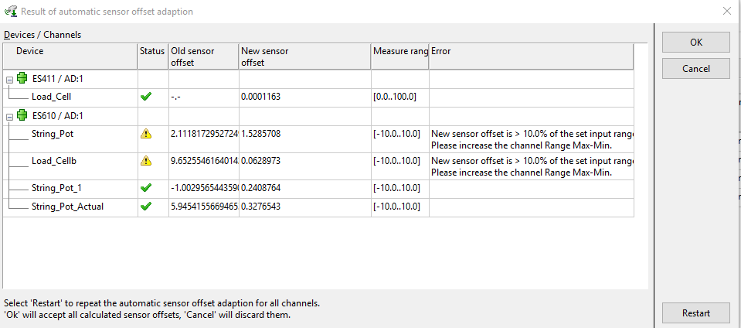
 |  |  | Then tape the bottom of the cell with a lot of force to cause the top to pull up and wedge the cell against the pedal.
 | 4 | Hook the string pot to the load cell.
 | 5 | Connect the 410 and string pot connectors to the 593-D & 610.

Software setup
 | 0 | Import pre-existing workspace for the Pedal Geo.
 | 1 | Go to the hardware page
 |  | Ensure that the 410, 610, and 593-D are connected
 |  | The 593-D should have CAN Monitoring assigned to it.
 | 2 | Set up the sensor calibrations if needed.
 |  | Load cell values can be found when Configure is clicked.
 |  | Ensure that Load Cell is set to Auto Phys.
 | 3 | Zero the sensors. They should look something like the IMG to the right:
 | 4 | Open the Experiement
 |  | Hit record and make sure that a dot appears in the graph.
 |  | Add the AccelPdlPosn_OBD or AccelPdlPosn signals into the experiment and check with signal shows 0% & 100% when the pedal is released/depressed.

Gathering Data
 | 1 | Once recording is active, the pedal must be applied within 8 seconds.
 | 2 | The pedal cannot be depressed prior to hitting record.
 | 3 | The pedal must be completely released and load cell not touched [momentarily] between runs for 1 second.
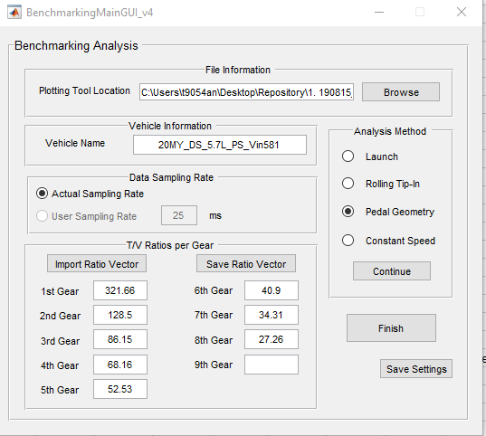
 | 4 | Record 2 separate files of 3 depressions.
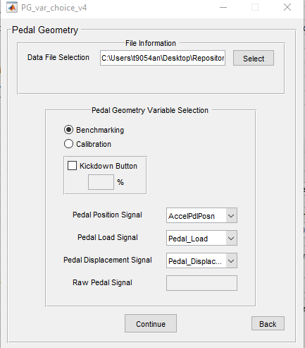
Data Checking
 | 1 | Open the BMC script and run the Pedal Geo portion of the tool.
 | 2 | Select the 2 data files, correct signals
 | 3 | Let ML output the result to confirm things look OK.

 |  |  |  | 20MY KL
 |  |  |  | KITH | Samaranayake

