Sheet1
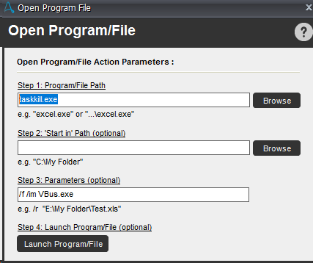
AA_Queries | Solution
Kill Process | Open file

Connect excel with DB | Provider=MSDASQL.1;Persist Security Info=False;Extended Properties="DSN=ExcelDB;DBQ=$vMonthlyQueue_Path$;DefaultDir=C:;DriverId=1046;FIL=excel 12.0;MaxBufferSize=2048;PageTimeout=5;";Initial Catalog=$vMonthlyQueue_Path$;;ReadOnly=0

