LinearRegression
Month | Spend (x) | Sales (y) | Avg(x) – x | Fxx=(Avg(x) – x)^2 | Avg(y) – y | Fxy=(Avg(x)-x) * (Avg(y)-y)
1 | 1,000.00 | 9,914.00 | 5,541.67 | 30,710,069.44 | 60,956.33 | 337,799,680.56
2 | 4,000.00 | 40,487.00 | 2,541.67 | 6,460,069.44 | 30,383.33 | 77,224,305.56
3 | 5,000.00 | 54,324.00 | 1,541.67 | 2,376,736.11 | 16,546.33 | 25,508,930.56
4 | 4,500.00 | 50,044.00 | 2,041.67 | 4,168,402.78 | 20,826.33 | 42,520,430.56
5 | 3,000.00 | 34,719.00 | 3,541.67 | 12,543,402.78 | 36,151.33 | 128,035,972.22
6 | 4,000.00 | 42,551.00 | 2,541.67 | 6,460,069.44 | 28,319.33 | 71,978,305.56
7 | 9,000.00 | 94,871.00 | -2,458.33 | 6,043,402.78 | -24,000.67 | 59,001,638.89
8 | 11,000.00 | 118,914.00 | -4,458.33 | 19,876,736.11 | -48,043.67 | 214,194,680.56
9 | 15,000.00 | 158,484.00 | -8,458.33 | 71,543,402.78 | -87,613.67 | 741,065,597.22
10 | 12,000.00 | 131,348.00 | -5,458.33 | 29,793,402.78 | -60,477.67 | 330,107,263.89
11 | 7,000.00 | 78,504.00 | -458.33 | 210,069.44 | -7,633.67 | 3,498,763.89
12 | 3,000.00 | 36,284.00 | 3,541.67 | 12,543,402.78 | 34,586.33 | 122,493,263.89
Average | 6,541.67 | 70,870.33 | sum | 172,019,097.22 | sum | 2,153,428,833.33
Corelation | 0.99883224796
Slope | 10.6222 |  |  | SUM(Fxy)/SUM(Fxx)
Intercept | 1,383.47 |  |  | AVG(y) – Slope * AVG(x)
Formula | y = 10.62x + 1383.47

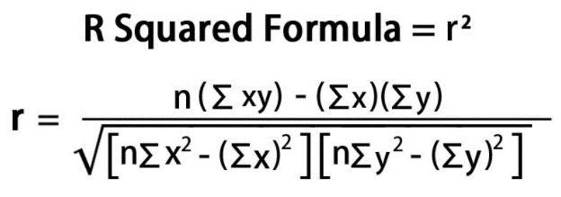
Month | Spend (x) | Sales (y) | xy | x | y^2
1 | 1,000.00 | 9,914.00 | 9,914,000.00 | 1,000,000.00 | 98,287,396.00
2 | 4,000.00 | 40,487.00 | 161,948,000.00 | 16,000,000.00 | 1,639,197,169.00
3 | 5,000.00 | 54,324.00 | 271,620,000.00 | 25,000,000.00 | 2,951,096,976.00
4 | 4,500.00 | 50,044.00 | 225,198,000.00 | 20,250,000.00 | 2,504,401,936.00
5 | 3,000.00 | 34,719.00 | 104,157,000.00 | 9,000,000.00 | 1,205,408,961.00
6 | 4,000.00 | 42,551.00 | 170,204,000.00 | 16,000,000.00 | 1,810,587,601.00
7 | 9,000.00 | 94,871.00 | 853,839,000.00 | 81,000,000.00 | 9,000,506,641.00
8 | 11,000.00 | 118,914.00 | 1,308,054,000.00 | 121,000,000.00 | 14,140,539,396.00
9 | 15,000.00 | 158,484.00 | 2,377,260,000.00 | 225,000,000.00 | 25,117,178,256.00
10 | 12,000.00 | 131,348.00 | 1,576,176,000.00 | 144,000,000.00 | 17,252,297,104.00
11 | 7,000.00 | 78,504.00 | 549,528,000.00 | 49,000,000.00 | 6,162,878,016.00
12 | 3,000.00 | 36,284.00 | 108,852,000.00 | 9,000,000.00 | 1,316,528,656.00
12 | 78,500.00 | 850,444.00 | 7,716,750,000.00 | 716,250,000.00 | 83,198,908,108.00 | <=== SUM

 |  | r | 0.998832
 |  | r-Sq | 0.99767

predict | spend(X) | sales(Y)
1 | 8000 | 86,361.04
2 | 9000 | 96,983.23

