Sheet1
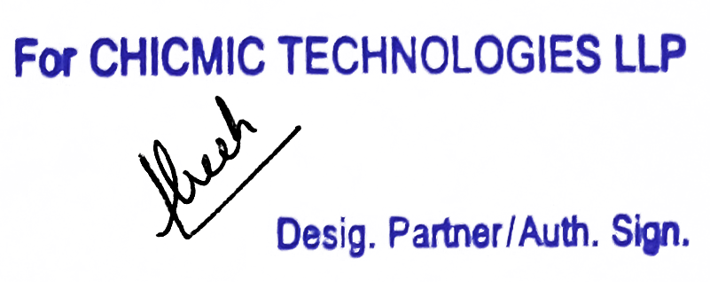
 Tax Invoice

Invoice # | 612573639 | Invoice Date | Aug 20, 2023 | Total Amount | $753.33
FROM |  |  |  | TO
CHICMIC TECHNOLOGIES LLP |  |  |  | Funko International AB
F-273, Phase VIII-B, Industrial Focal Point |  |  |  | Solåkern 137 Borlänge,
Mohali, SAS Nagar, Punjab, 160071 |  |  |  | 78478 Sweden VAT ID:
India |  |  |  | SE556284311901
GSTIN: 03AARFC2070M1ZC |  |  |  | Place of Supply | Outside India

Contact Name: | Manish Gulati |  |  | Contact Name: | Simon Stromberg

HSN/SAC- 998313
Item Description | Sub-Tasks |  |  |  | Line Total
Software Development Services | (34513688) Paramveer Singh Bhatia - 18:50 hrs @ $40.00/hr - 08/14/2023 - 08/20/2023 753.33 |  |  |  | $753.33

Tax Payable on reverse charge basis: No |  |  |  | Add : IGST @ 18% | NIL*

Invoice Total |  |  |  |  | $753.33

* Export of Services as Zero Rated Supply made under Letter of Undertaking ('LUT') without payment of Integrated Tax (LUT ARN: AD030322009147P dated 30-03-22)

