Sheet1
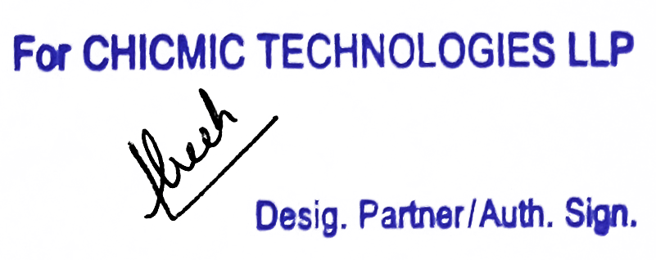
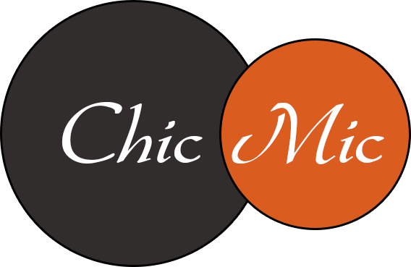 Tax Invoice

Invoice # | 601615122 | Invoice Date | Jul 16, 2023 | Total Amount | $16.67
FROM |  |  |  | TO
CHICMIC TECHNOLOGIES LLP |  |  |  | ICOSE Limited Initial
F-273, Phase VIII-B, Industrial Focal Point |  |  |  | Business Centre, Wilsons
Mohali, SAS Nagar, Punjab, 160071 |  |  |  | Business Park
India |  |  |  | Manchester, M40 8WN United Kingdom VAT ID: GB993386171
GSTIN: 03AARFC2070M1ZC |  |  |  | Place of Supply | Outside India

Contact Name: | Manish Gulati |  |  | Contact Name: | ICOSE Ltd

HSN/SAC- 998313
Item Description | Sub-Tasks |  |  |  | Line Total
Software Development Services | (32142434) Hidayat Rehmat - 0:40 hrs @ $25.00/hr - 07/10/2023 - 07/16/2023 16.67 |  |  |  | $16.67

Tax Payable on reverse charge basis: No |  |  |  | Add : IGST @ 18% | NIL*

Invoice Total |  |  |  |  | $16.67

* Export of Services as Zero Rated Supply made under Letter of Undertaking ('LUT') without payment of Integrated Tax (LUT ARN: AD030322009147P dated 30-03-22)

