Sheet1
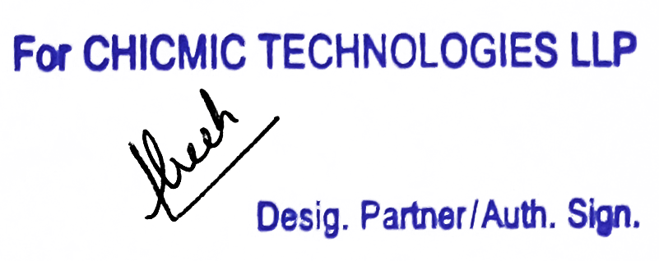
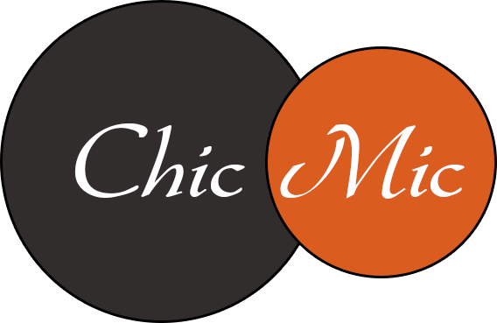 Tax Invoice

Invoice # | 604163558 | Invoice Date | Jul 23, 2023 | Total Amount | $133.33
FROM |  |  |  | TO
CHICMIC TECHNOLOGIES LLP |  |  |  | 8128 N Rainbow Blvd
F-273, Phase VIII-B, Industrial Focal Point |  |  |  | Suite 2138 Las Vegas,
Mohali, SAS Nagar, Punjab, 160071 |  |  |  | NV, 89107 United States
India
GSTIN: 03AARFC2070M1ZC |  |  |  | Place of Supply | Outside India

Contact Name: | Manish Gulati |  |  | Contact Name: | FOR THE MOBILE-CAPPTIVATE

HSN/SAC- 998313
Item Description | Sub-Tasks |  |  |  | Line Total
Software Development Services | (34212566) Shreya Singh - 5:20 hrs @ $25.00/hr - 07/17/2023 - 07/23/2023 133.33 |  |  |  | $133.33

Tax Payable on reverse charge basis: No |  |  |  | Add : IGST @ 18% | NIL*

Invoice Total |  |  |  |  | $133.33

* Export of Services as Zero Rated Supply made under Letter of Undertaking ('LUT') without payment of Integrated Tax (LUT ARN: AD030322009147P dated 30-03-22)

