Sheet1
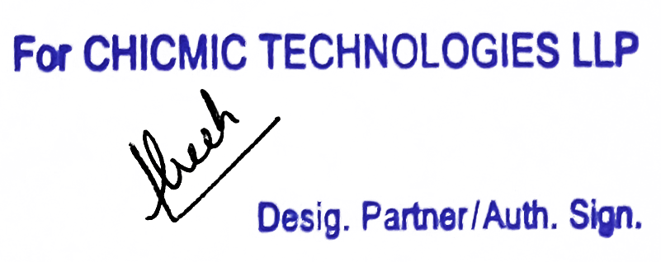
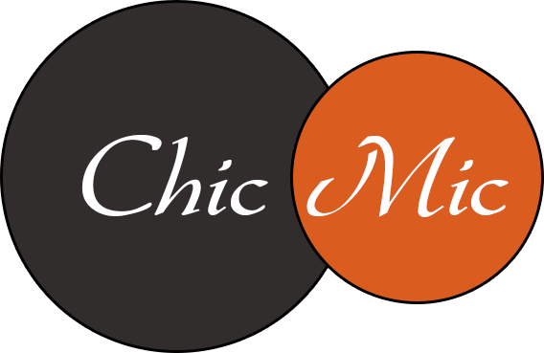 Tax Invoice

Invoice # | 610510404 | Invoice Date | Aug 13, 2023 | Total Amount | $25.00
FROM |  |  |  | TO
CHICMIC TECHNOLOGIES LLP |  |  |  | 541 Ave Outremont
F-273, Phase VIII-B, Industrial Focal Point |  |  |  | Montreal, QC, H2V 3M4
Mohali, SAS Nagar, Punjab, 160071 |  |  |  | Canada GST: 783587900
India |  |  |  | QST: 1228773774TQ0001
GSTIN: 03AARFC2070M1ZC |  |  |  | Place of Supply | Outside India

Contact Name: | Manish Gulati |  |  | Contact Name: | 9447-7932 QUEBEC INC.

HSN/SAC- 998313
Item Description | Sub-Tasks |  |  |  | Line Total
Software Development Services | (34476603) Deepak Sharma - 1:00 hrs @ $25.00/hr - 08/07/2023 - 08/13/2023 25.00 |  |  |  | $25.00

Tax Payable on reverse charge basis: No |  |  |  | Add : IGST @ 18% | NIL*

Invoice Total |  |  |  |  | $25.00

* Export of Services as Zero Rated Supply made under Letter of Undertaking ('LUT') without payment of Integrated Tax (LUT ARN: AD030322009147P dated 30-03-22)

