Inventory Creation Partner
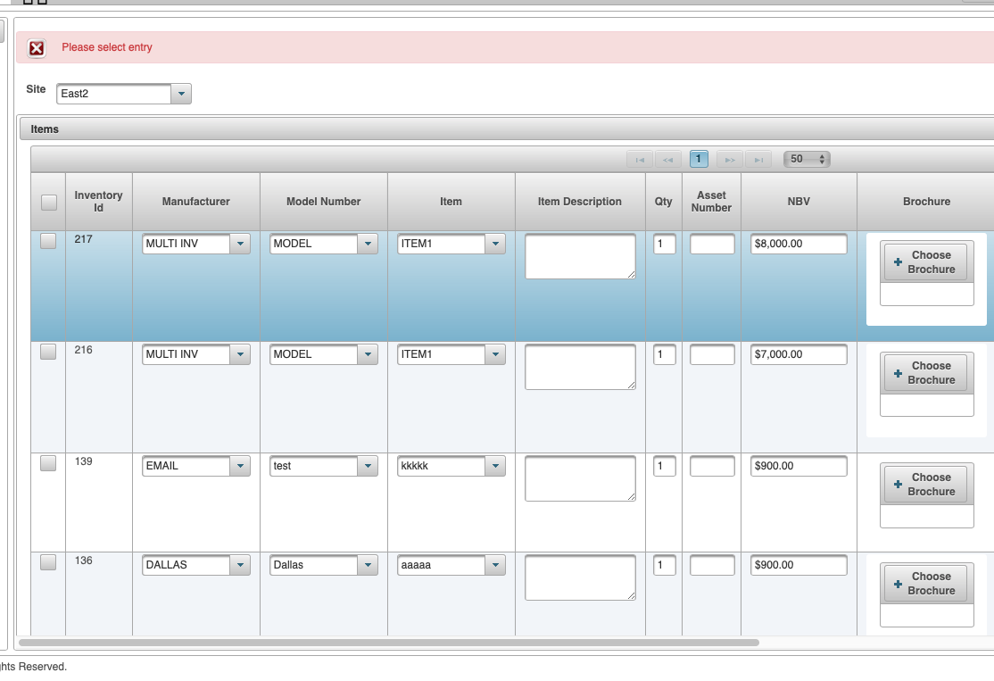
S No. | Case | Expected Result | Success/Fail | Comment
1 | Click Add Quick Inventory | Go to quick inventory page | Success
2 | Select site from dropwdon | Show sites under the Partner | Fail | Allows to manually enter any site
3 | Inventory fields | Inventory ID, Manufacturer,Model, Item,Item description,QTY,Asset number, Partner specific cost label,Brochure, image,Family Program Eligibility, Start Date, Number of Days to publish | Success
4 | Dropdown search Manufacturer | Smart box with Manufacturers of Inventory | Success
5 | Dropdown Search Model | Smart box with Model of Inventory | Success
6 | Dropdown Search Site | Smart box with Sites | Success
7 | Pre check family eligibility | Family eligibility should be prechecked,start date: Today(), days to publish: 45 | Success
8 | Create inventory without site selected | Error: Site is mandatory | Success
9 | Create qty 20 inventory with Eligibility for Family Program without checking tick box | Error Please select entry on clickin save | Success
10 | Create qty 20 inventory with Eligibility for Family Program checking tick box | Inventory uploaded on clicking save | Success
11 | Create qty 20 inventory with Eligibility for Family Program without checking tick box | Error Please select entry on clickin save and add more | Success
12 | Create qty 20 inventory with Eligibility for Family Program checking tick box | Inventory uploaded on clicking save and add more | Success
13 | Create qty 1 inventory with Eligibility for Family Program | Inventory Created within family program | Success
14 | Show inventory in "View All Family Inventory" | Show Inventory | Success
15 | Create qty 3 inventory without Eligibility for Family Program | Inventory Created outside family program in View my Inventory | Success
16 | Create qty 1 inventory without Eligibility for Family Program | Inventory Created outside family program in View my Inventory | Success
17 | Edit inventory in transfer process | Error: Inventory is in transfer and cannot be edited | Success
18 | Delete image on inventory created | Image Deleted | Success
19 | Select site to search inventory | Site selected.Results shown | Partial Success | X mark not showing for delete | Saurabh
20 | Delete inventory | Inventoy Deleted | Fail | Says select entry | Saurabh
21 | Performance issue while searchin
22 | Image delete button after searching |  |  |  | Saurabh

Partner Creation
S No. | Case | Expected Result | Success/Fail | Comment
1 | Create new site for a partner | Site Created | Success
2 | Click Customer Setup | Route to setup page | Success
3 | Select PartnerTesting and add URL | URL saved | Success
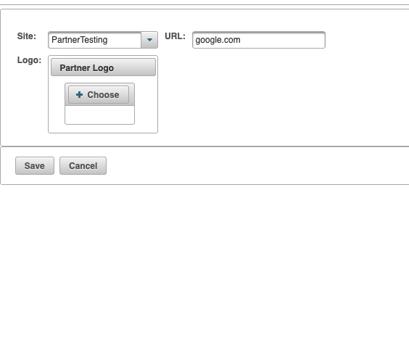
4 | Upload partner logo | Logo uploaded | Success | No logo showing
5 | Click save | Partner Saved | Success
6 | Go to partner again and try uploading logo | Logo shows | Success
7 | Create new partner uploading logo first(before entering url) | Logo uploaded | Success
8 | Click Save | Partner Saved | Success
9 | Upload logo | Logo shows | Success

