Index
P&G Financial Modeling |  |  | 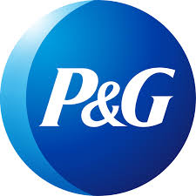

 | Core Financial Statements
 |  | Income Statement
 |  | Balance Sheet
 |  | Cash Flows

 | Supporting Financial Modeling Schedules
 |  | Ratio Analysis
 |  | Revenue Built-up
 |  | Cost Sheet
 |  | Working Capital
 |  | Depreciation Schedule
 |  | Shareholder's Equity
 |  | Debt Schedule
 | Valuations
 |  | DCF Valuation

Note: | This Excel model is intended solely for educational purposes and should not be used for any other purpose.

