Conservatism
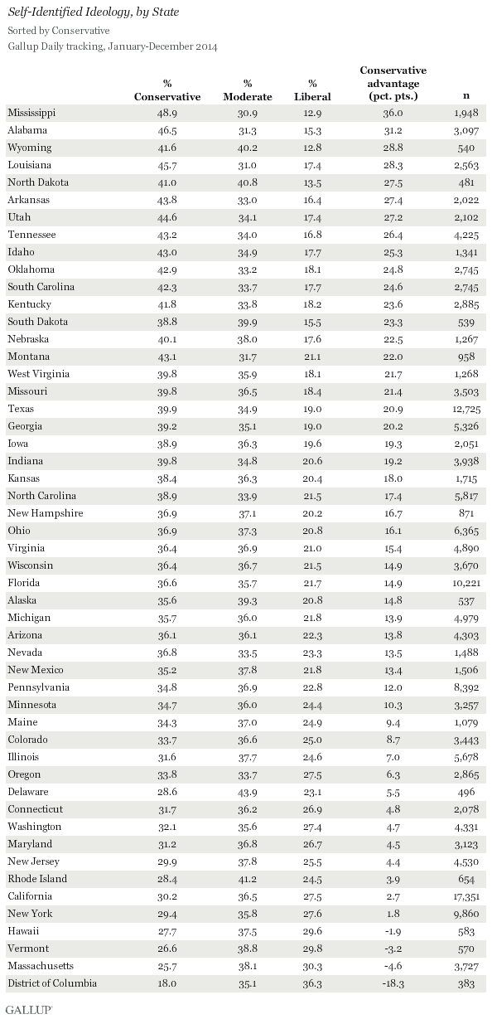

State | Conservative advantage |  | https://news.gallup.com/poll/181505/mississippi-alabama-louisiana-conservative-states.aspx
Alabama | 31.2 | 0.312
Alaska | 14.8 | 0.148
Arizona | 13.8 | 0.138
Arkansas | 27.4 | 0.274
California | 2.7 | 0.027
Colorado | 8.7 | 0.087
Connecticut | 4.8 | 0.048
Delaware | 5.5 | 0.055
Florida | 14.9 | 0.149
Georgia | 20.2 | 0.202
Hawaii | -1.9 | -0.019
Idaho | 25.3 | 0.253
Illinois | 7 | 0.07
Indiana | 19.2 | 0.192
Iowa | 19.3 | 0.193
Kansas | 18 | 0.18
Kentucky | 23.6 | 0.236
Louisiana | 28.3 | 0.283
Maine | 9.4 | 0.094
Maryland | 4.5 | 0.045
Massachusetts | -4.6 | -0.046
Michigan | 13.9 | 0.139
Minnesota | 10.3 | 0.103
Mississippi | 36 | 0.36
Missouri | 21.4 | 0.214
Montana | 22 | 0.22
Nebraska | 22.5 | 0.225
Nevada | 13.5 | 0.135
New Hampshire | 16.7 | 0.167
New Jersey | 4.4 | 0.044
New Mexico | 13.4 | 0.134
New York | 1.8 | 0.018
North Carolina | 17.4 | 0.174
North Dakota | 27.5 | 0.275
Ohio | 16.1 | 0.161
Oklahoma | 24.8 | 0.248
Oregon | 6.3 | 0.063
Pennsylvania | 12 | 0.12
Rhode Island | 3.9 | 0.039
South Carolina | 24.6 | 0.246
South Dakota | 23.3 | 0.233
Tennessee | 26.4 | 0.264
Texas | 20.9 | 0.209
Utah | 27.2 | 0.272
Vermont | -3.2 | -0.032
Virginia | 15.4 | 0.154
Washington | 4.7 | 0.047
West Virginia | 21.7 | 0.217
Wisconsin | 14.9 | 0.149
Wyoming | 28.8 | 0.288

Religiousity
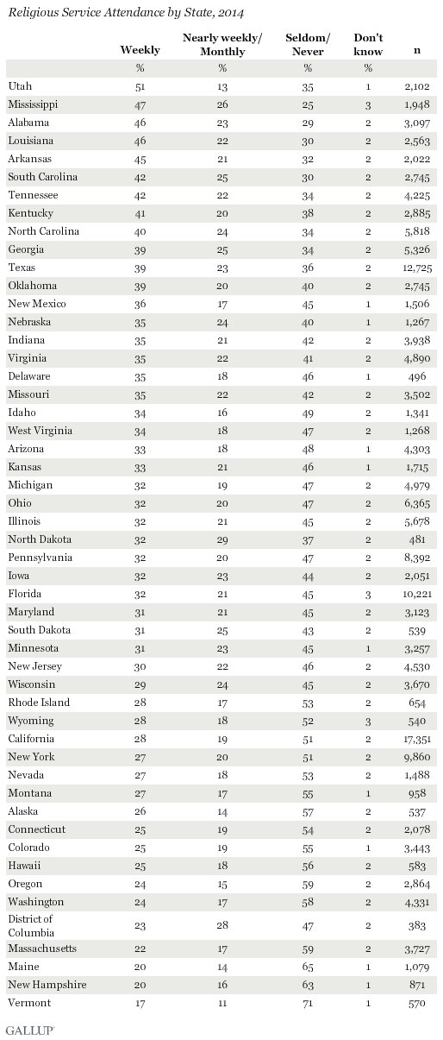

State | Very Religious (%)
Alabama | 46 | 0.46
Alaska | 26 | 0.26
Arizona | 33 | 0.33
Arkansas | 45 | 0.45
California | 28 | 0.28
Colorado | 25 | 0.25
Connecticut | 25 | 0.25
Delaware | 35 | 0.35
Florida | 32 | 0.32
Georgia | 39 | 0.39
Hawaii | 25 | 0.25
Idaho | 34 | 0.34
Illinois | 32 | 0.32
Indiana | 35 | 0.35
Iowa | 32 | 0.32
Kansas | 33 | 0.33
Kentucky | 41 | 0.41
Louisiana | 46 | 0.46
Maine | 20 | 0.2
Maryland | 31 | 0.31
Massachusetts | 22 | 0.22
Michigan | 32 | 0.32
Minnesota | 31 | 0.31
Mississippi | 47 | 0.47
Missouri | 35 | 0.35
Montana | 27 | 0.27
Nebraska | 35 | 0.35
Nevada | 27 | 0.27
New Hampshire | 20 | 0.2
New Jersey | 30 | 0.3
New Mexico | 36 | 0.36
New York | 27 | 0.27
North Carolina | 40 | 0.4
North Dakota | 32 | 0.32
Ohio | 32 | 0.32
Oklahoma | 39 | 0.39
Oregon | 24 | 0.24
Pennsylvania | 32 | 0.32
Rhode Island | 28 | 0.28
South Carolina | 42 | 0.42
South Dakota | 31 | 0.31
Tennessee | 42 | 0.42
Texas | 39 | 0.39
Utah | 51 | 0.51
Vermont | 17 | 0.17
Virginia | 35 | 0.35
Washington | 24 | 0.24
West Virginia | 34 | 0.34
Wisconsin | 29 | 0.29
Wyoming | 28 | 0.28

