Documentation
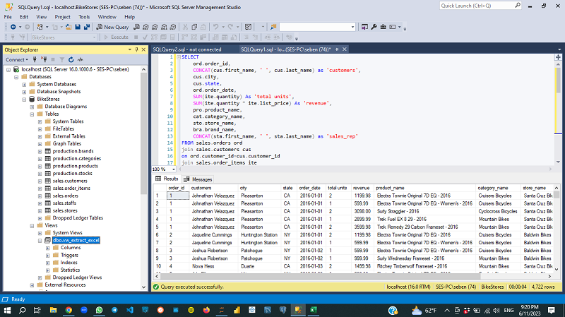
Steps | Tasks/Procedures
1 | Access the database or Explore/study the data you are going to use for analysis
2 | Extract the required data using SQL script(Query)
 | SELECT
 | ord.order_id,
 | CONCAT(cus.first_name, ' ', cus.last_name) as 'customers',
 | cus.city,
 | cus.state,
 | ord.order_date,
 | SUM(ite.quantity) As 'total units',
 | SUM(ite.quantity * ite.list_price) As 'revenue',
 | pro.product_name,
 | cat.category_name,
 | sto.store_name,
 | bra.brand_name,
 | CONCAT(sta.first_name, ' ', sta.last_name) as 'sales_rep'
 | FROM sales.orders ord
 | join sales.customers cus
 | on ord.customer_id=cus.customer_id
 | join sales.order_items ite
 | on ord.order_id=ite.order_id
 | join production.products pro
 | on ite.product_id=pro.product_id
 | join production.categories cat
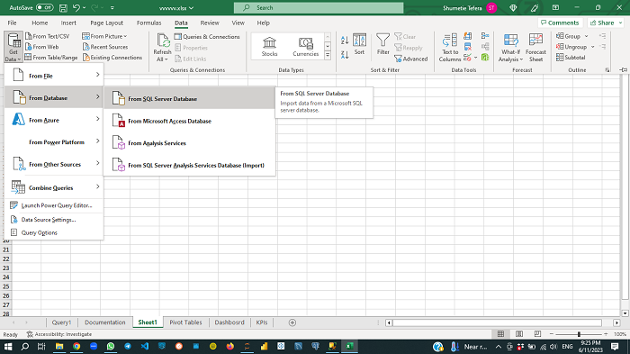
 | on cat.category_id=pro.category_id
 | join sales.stores sto
 | on sto.store_id=ord.store_id
 | join sales.staffs sta
 | on sta.staff_id=ord.staff_id
 | join production.brands bra
 | on pro.brand_id=bra.brand_id
 | Group by
 | ord.order_id,
 | CONCAT(cus.first_name, ' ', cus.last_name),
 | cus.city,
 | cus.state,
 | ord.order_date,
 | pro.product_name,
 | cat.category_name,
 | sto.store_name,
 | bra.brand_name,
 | CONCAT(sta.first_name, ' ', sta.last_name)
3 | Clean the extracted data and check if anyadditional adjustments are required
4 | Import the data into Excel
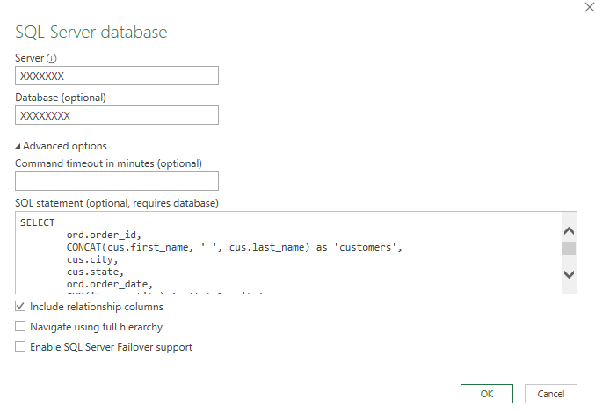
 | Create a connection with the excel workbook and the db so that any updates in the db get sync with the sheet
 | Query used to extract the dataset serves here too
 | Data--> Get Data -->Fron DB -->From SQL Server DB -->Give server and db name on the dialogue box poping up
 | Additional Options-->Paste the sql script on the box -->OK-->Load
 | Look over the imported data
5 | Analyze the data
 | Create pivot tables and Dashboards
 | Insert--> Pivot tables-->pivot tables from table range and select the Query data tbl
 | A. Revenue per yr
 | Revenue to values and order_date to Rows
 | Group by yrs only (By selecting a year cell)
 | B. Revenue per Month and yr
 | NB: If it affects the previous table===> ctrl+D and P-->Next-->give the src name as Query1(ectracted data src)-->No-->Finish
 | same columns in values and Rows fields
 | Group by yrs and Months only (By selecting a year cell)
 | Create pivot charts for these pivot tables
 | 1. Select first row from first pvt tbl and got to Insert--> Recommended charts-->clustered column-->And the format it the way you like
 | 2.Create line graph for each yr independently
 | Click on empty area in the sheet Insert-->Line graph-->Select Data(Menu bar)-->Add-->2016 for series name and select the data for the yr for series values-->ok-->Edit-->select tme months under the yr to edit horiz cat
 | Do the same for 2017 and 2018
 | Add legend from + sign
 | Cut and paste these charts to Dashboard sheet
 | Decorate them as per your choice
 | C. Revenue per state and revenue breakdown per state (Map chart)& revenue breakdown per state (Piechart)
 | Insert--> pvt tbl-->---
 | state in Rows and Revenue in values flds
 | copy and paste the pvt tbl created and change it to regular table by using the ctrl in the paste values option
 | Remove Grand totlas
 | Insert-->Map and format it
 | Another pvt tbl for rev per store
 | store_name in Rows and Rev in Values flds
 | create simple pie chart for the pvt tbl
 | Remove the legend and rt clk--> format data labels and choose percentge and cat name
 | D. Revenues per brand and per product category
 | create two pvt tbls with brand_name and category_name in in Rows and Revenue in values flds
 | for both tbls ctreate bar charts sorted from highest to lewest
 | Format them as per req't (40:00) ---rt clk --> sort
 | E. Top ten customers by revenue and sales reps by revenue
 | Custered bar charts and simple column bar chart
 | i. pvt tbl for customers in Row and Revenue in Values flds
 | sort the values from largest to smalest in rev colunm of this pvt tbl and value filter for the row labels coln of it() by top ten customers by revenue
 | ii. pvt tbl for sales reps in Row and Revenue in Values flds
 | format it in the way req'd
 | Once all the dashboard elts are ready, the next step is to make them interactive
 | I used slicer for that purpose
 | Insert-->slicer --> select order date, state and store name-->ok
 | position and format them
 | rt clk on a slicer-->report connection-->choose those elts of the dash board we want to filter ()
 | do same for all the slicers
 | test if the slicers are working properly
 | Decorate the dashhboard in such a way that it looks proffessional
 | i. view-->uncheck Gride lines check box in menu
 | ii. Rt clk on each chart and pvt chart options-->borders-->no line
 | Send for Comments
 | Fix all errors and intertain comments & recommendations

Dashbosrd
3S Bike Stores Revenue Analysis Executive Dashboard

Total Revenue
$8,578,989

Revenue per Store
 | Total
Baldwin Bikes | 5826242.21
Rowlett Bikes | 962600.76
Santa Cruz Bikes | 1790145.91
Revenue per State
 | 2016 | 2017 | 2018
Jan | 241184.15 | 316954.77 | 426301.72
Feb | 175768.1 | 348740.47 | 223941.44
Mar | 202157.14 | 348177.13 | 406701.2
Apr | 187223.55 | 254105.57 | 909179.47
Jun | 228701.13 | 297754.66 | 209.99
Jul | 231120.29 | 419892.07 | 12949.89
Aug | 222854.21 | 255727.63 | 10256.91
Sep | 253130.83 | 322553.32 | 9949.96
Oct | 303282.61 | 329388.68 | 4219.92
Nov | 235051.79 | 345316.18 | 12278.93
Dec | 205315.47 | 315881.67 | 7999.96
 | 223695.2 | 291022.87

Revenue per Product Category
 | Total
Children Bicycles | 327888.21
Comfort Bicycles | 438506.87
Cyclocross Bicycles | 799874.6
Electric Bikes | 1020236.85
Cruisers Bicycles | 1109151.04
Road Bikes | 1852555.6
Mountain Bikes | 3030775.71
Top 3 Customers
 | Total
Pamelia Newman | 37801.84
Abby Gamble | 37500.89
Sharyn Hopkins | 37138.86
 | Total
Genna Serrano | 952722.26
Marcelene Boyer | 2938888.73
Venita Daniel | 2887353.48

