drn_compare
Mason Creek
boundary | DRN11 | Mason Creek
time | baseline | scenario | Boudnaries | drain_name
31 | -97.330119376 | -97.323232323 | DRN01 | Boise River Above Glenwood
59 | -93.344811754 | -93.319559229 | DRN02 | Boise River Glenwood to Middleton
90 | -89.990817264 | -89.928833792 | DRN03 | Boise River Middleton to Parma
120 | -104.69237833 | -104.55463728 | DRN04 | Conway Gulch
151 | -136.34986226 | -136.09044995 | DRN05 | Dixie Slough
181 | -162.59871442 | -162.17401286 | DRN06 | Eagle Drain
212 | -175.91368228 | -174.97015611 | DRN07 | Fifteenmile
243 | -184.54545455 | -183.27594123 | DRN08 | Hartley East and West
273 | -178.29201102 | -176.82736455 | DRN09 | Indian Creek
304 | -146.60697888 | -145.00688705 | DRN10 | Lowell
334 | -124.53856749 | -122.97061524 | DRN11 | Mason Creek
365 | -111.59320478 | -110.46372819 | DRN12 | Middleton North and South
396 | -103.63177227 | -102.45408632 | DRN13 | Payette Valley
424 | -98.076216713 | -96.850321396 | DRN14 | Sand Hollow abv Sharp Lane
455 | -93.154269972 | -91.866391185 | DRN15 | Snake River above Boise
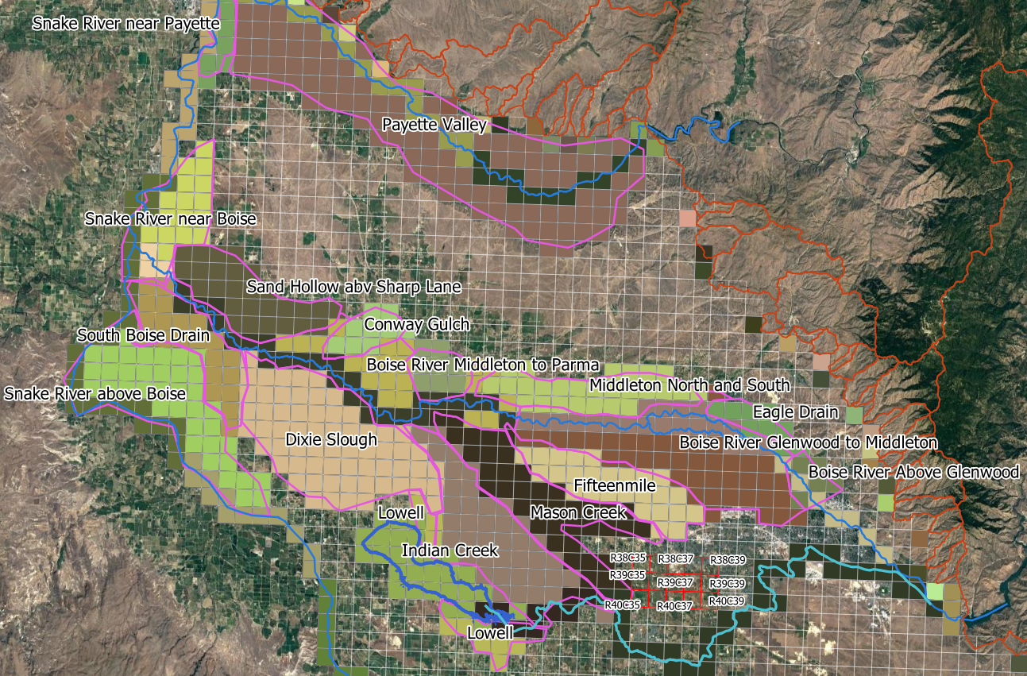
485 | -111.88705234 | -110.43158861 | DRN16 | Snake River near Boise
516 | -139.75206612 | -138.16115702 | DRN17 | Snake River near Payette
546 | -163.19559229 | -161.41414141 | DRN18 | South Boise Drain
577 | -168.35629017 | -165.51423324
608 | -178.07392103 | -174.87373737
638 | -165.17676768 | -162.05922865
669 | -128.49403122 | -125.36501377
699 | -112.23599633 | -109.54775023
730 | -103.02571166 | -100.67493113
761 | -96.703397612 | -94.31359045
789 | -92.164830119 | -89.731404959
820 | -88.007346189 | -85.51882461
850 | -100.84710744 | -98.269054178
881 | -132.34618916 | -129.47887971
911 | -158.3677686 | -155.31221304
942 | -178.77640037 | -174.28833792
973 | -184.51561065 | -179.63498623
1003 | -180.67263545 | -175.68640955
1034 | -142.31404959 | -137.71120294
1064 | -120.56473829 | -117.03168044
1095 | -109.25849403 | -105.8815427
1126 | -101.74242424 | -98.328741965
1154 | -96.439393939 | -92.995867769
1185 | -95.337465565 | -91.850321396
1215 | -110.37649219 | -106.60009183
1246 | -141.8204775 | -137.91781451
1276 | -165.26629936 | -160.5486685
1307 | -185.32598714 | -179.32966024
1338 | -189.43985308 | -183.18870523
1368 | -184.5661157 | -178.32185491
1399 | -160.43847567 | -154.24012856
1429 | -134.02662994 | -128.21395776
1460 | -118.68686869 | -114.27226814
1491 | -109.61432507 | -105.42011019
1519 | -103.71671258 | -99.515610652
1550 | -98.477961433 | -94.240128558
1580 | -90.436179982 | -86.13865932
1611 | -120.31680441 | -115.6359045
1641 | -149.63957759 | -144.73599633
1672 | -174.45362718 | -168.35858586
1703 | -182.17401286 | -174.92883379
1733 | -177.94306703 | -170.59458219
1764 | -162.41735537 | -155.14003673
1794 | -133.80165289 | -127.79843893
1825 | -118.37924702 | -113.24150597
1856 | -109.21487603 | -104.34573003
1884 | -103.20018365 | -98.333333333
1915 | -98.034894399 | -93.138200184
1945 | -110.64279155 | -105.37649219
1976 | -136.13177227 | -130.75528007
2006 | -154.46280992 | -148.88888889
2037 | -172.71120294 | -164.82093664
2068 | -182.68135904 | -174.53856749
2098 | -179.85766758 | -171.54958678
2129 | -161.228191 | -153.09687787
2159 | -133.55601469 | -126.23048669
2190 | -118.2231405 | -112.80532599
2221 | -109.64187328 | -104.24242424
2249 | -103.9164371 | -98.533057851
2280 | -99.556932966 | -94.141414141
2310 | -119.28374656 | -113.47796143
2341 | -141.8067034 | -135.89761249
2371 | -167.31634527 | -159.97704316
2402 | -182.14187328 | -173.3379247
2433 | -188.76951331 | -179.77272727
2463 | -181.75619835 | -172.6584022
2494 | -156.78833792 | -148.00045914
2524 | -133.14049587 | -125.043618
2555 | -118.08539945 | -112.18319559
2586 | -109.92424242 | -104.15518825
2614 | -104.38246097 | -98.601928375
2645 | -100.46831956 | -94.669421488
2675 | -119.15518825 | -112.92699725
2706 | -146.76997245 | -140.32369146
2736 | -170.5486685 | -161.87098255
2767 | -168.06932966 | -159.25160698
2798 | -178.3677686 | -169.29522498
2828 | -158.51928375 | -149.88751148
2859 | -126.16161616 | -117.93617998
2889 | -111.13406795 | -104.8989899
2920 | -102.97061524 | -96.714876033
2951 | -97.004132231 | -90.748393021
2979 | -92.715794307 | -86.45087236
3010 | -90.449954086 | -84.171258035
3040 | -109.13911846 | -102.52066116
3071 | -136.96280992 | -130.12167126
3101 | -156.15243343 | -147.92011019
3132 | -154.41000918 | -145.23645546
3163 | -169.63498623 | -160.38108356
3193 | -171.0261708 | -161.6046832
3224 | -131.79292929 | -123.06473829
3254 | -114.06565657 | -106.15472911
3285 | -103.55601469 | -96.875573921
3316 | -97.114325069 | -90.44077135
3344 | -92.525252525 | -85.856290174
3375 | -90.77594123 | -84.102387511
3405 | -113.13360882 | -106.02846648
3436 | -136.05601469 | -128.81313131
3466 | -146.49908173 | -137.29568411
3497 | -165.64049587 | -156.02387511
3528 | -166.20293848 | -156.57024793
3558 | -161.53810836 | -151.91460055
3589 | -128.83149679 | -119.71303949
3619 | -111.20293848 | -103.54453627
3650 | -101.40266299 | -94.375573921

head_compare
HEAD_1_38_35
boundary | HEAD_1_38_35
time | baseline | scenario | Boudnaries
31 | 2556 | 2556 | HEAD_1_38_35
59 | 2555.8 | 2555.8 | HEAD_1_38_39
90 | 2555.6 | 2555.6 | HEAD_1_39_37
120 | 2555.5 | 2555.4 | HEAD_1_40_35
151 | 2555.6 | 2555.5 | HEAD_1_40_39
181 | 2555.7 | 2555.5 | HEAD_3_38_35
212 | 2555.8 | 2555.5 | HEAD_3_38_39
243 | 2556.1 | 2555.8 | HEAD_3_39_37
273 | 2556.3 | 2555.9 | HEAD_3_40_35
304 | 2556.3 | 2555.9 | HEAD_3_40_39
334 | 2556.2 | 2555.8
365 | 2556.2 | 2555.7
396 | 2556.1 | 2555.6
424 | 2555.9 | 2555.5
455 | 2555.7 | 2555.3
485 | 2555.6 | 2555.1
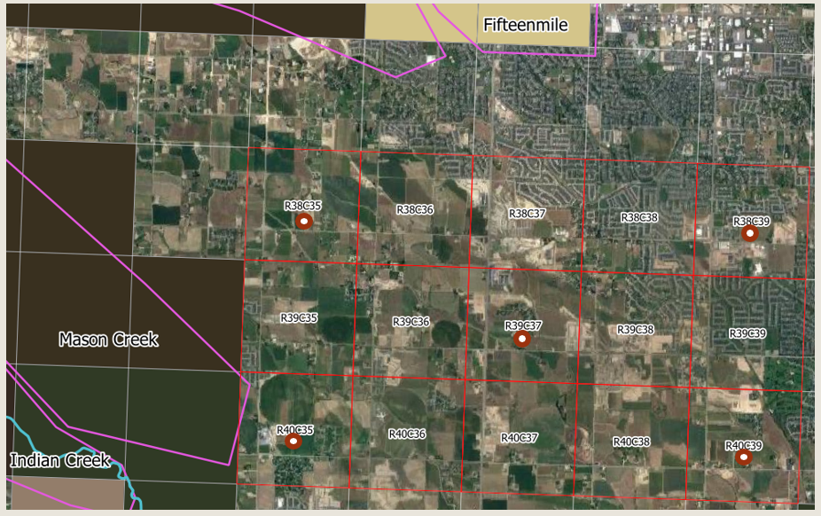
516 | 2555.7 | 2555.2
546 | 2556.1 | 2555.5
577 | 2556 | 2555.4
608 | 2556.1 | 2555.4
638 | 2556 | 2555.3
669 | 2555.8 | 2555.1
699 | 2555.7 | 2555
730 | 2555.6 | 2554.9
761 | 2555.5 | 2554.7
789 | 2555.3 | 2554.6
820 | 2555.1 | 2554.3
850 | 2554.9 | 2554.2
881 | 2555.2 | 2554.4
911 | 2555.4 | 2554.6
942 | 2555.7 | 2554.8
973 | 2556 | 2555.1
1003 | 2556.3 | 2555.3
1034 | 2556.1 | 2555.1
1064 | 2556 | 2555
1095 | 2555.9 | 2554.9
1126 | 2555.7 | 2554.8
1154 | 2555.6 | 2554.6
1185 | 2555.4 | 2554.4
1215 | 2555.3 | 2554.3
1246 | 2555.5 | 2554.5
1276 | 2555.8 | 2554.7
1307 | 2556.1 | 2555
1338 | 2556.5 | 2555.3
1368 | 2556.7 | 2555.5
1399 | 2556.8 | 2555.6
1429 | 2556.8 | 2555.6
1460 | 2556.7 | 2555.5
1491 | 2556.6 | 2555.5
1519 | 2556.5 | 2555.3
1550 | 2556.3 | 2555.1
1580 | 2556 | 2554.9
1611 | 2556.1 | 2555
1641 | 2556.2 | 2555
1672 | 2556.5 | 2555.3
1703 | 2556.8 | 2555.5
1733 | 2557 | 2555.7
1764 | 2557.1 | 2555.7
1794 | 2557 | 2555.6
1825 | 2556.9 | 2555.5
1856 | 2556.7 | 2555.4
1884 | 2556.5 | 2555.3
1915 | 2556.3 | 2555
1945 | 2556.1 | 2554.8
1976 | 2556.2 | 2554.9
2006 | 2556.4 | 2555.1
2037 | 2556.8 | 2555.3
2068 | 2557.1 | 2555.7
2098 | 2557.3 | 2555.9
2129 | 2557.5 | 2556
2159 | 2557.4 | 2555.9
2190 | 2557.3 | 2555.8
2221 | 2557.1 | 2555.7
2249 | 2556.9 | 2555.5
2280 | 2556.7 | 2555.3
2310 | 2556.6 | 2555.2
2341 | 2556.8 | 2555.3
2371 | 2556.9 | 2555.5
2402 | 2557.2 | 2555.7
2433 | 2557.6 | 2556
2463 | 2557.8 | 2556.2
2494 | 2557.8 | 2556.3
2524 | 2557.8 | 2556.2
2555 | 2557.7 | 2556.2
2586 | 2557.5 | 2556
2614 | 2557.4 | 2555.9
2645 | 2557.1 | 2555.7
2675 | 2557 | 2555.6
2706 | 2557.2 | 2555.7
2736 | 2557.1 | 2555.6
2767 | 2557 | 2555.4
2798 | 2557 | 2555.4
2828 | 2556.8 | 2555.2
2859 | 2556.7 | 2555.1
2889 | 2556.6 | 2555
2920 | 2556.4 | 2554.8
2951 | 2556.2 | 2554.7
2979 | 2556 | 2554.5
3010 | 2555.8 | 2554.2
3040 | 2555.7 | 2554.2
3071 | 2555.7 | 2554.2
3101 | 2555.8 | 2554.2
3132 | 2555.9 | 2554.3
3163 | 2556.1 | 2554.4
3193 | 2556.3 | 2554.6
3224 | 2556.1 | 2554.3
3254 | 2556 | 2554.3
3285 | 2555.9 | 2554.2
3316 | 2555.7 | 2554.1
3344 | 2555.6 | 2553.9
3375 | 2555.4 | 2553.7
3405 | 2555.2 | 2553.6
3436 | 2555.3 | 2553.6
3466 | 2555.2 | 2553.5
3497 | 2555.5 | 2553.7
3528 | 2555.6 | 2553.8
3558 | 2555.7 | 2553.9
3589 | 2555.6 | 2553.8
3619 | 2555.6 | 2553.8
3650 | 2555.5 | 2553.7

