drn_compare
Mason Creek
boundary | DRN11 | Mason Creek
time | baseline | scenario | Boudnaries | drain_name
31 | -97.330119376 | 0 | DRN01 | Boise River Above Glenwood
59 | -93.344811754 | 0 | DRN02 | Boise River Glenwood to Middleton
90 | -89.990817264 | 0 | DRN03 | Boise River Middleton to Parma
120 | -104.69237833 | 0 | DRN04 | Conway Gulch
151 | -136.34986226 | 0 | DRN05 | Dixie Slough
181 | -162.59871442 | 0 | DRN06 | Eagle Drain
212 | -175.91368228 | 0 | DRN07 | Fifteenmile
243 | -184.54545455 | 0 | DRN08 | Hartley East and West
273 | -178.29201102 | 0 | DRN09 | Indian Creek
304 | -146.60697888 | 0 | DRN10 | Lowell
334 | -124.53856749 | 0 | DRN11 | Mason Creek
365 | -111.59320478 | 0 | DRN12 | Middleton North and South
396 | -103.63177227 | 0 | DRN13 | Payette Valley
424 | -98.076216713 | 0 | DRN14 | Sand Hollow abv Sharp Lane
455 | -93.154269972 | 0 | DRN15 | Snake River above Boise
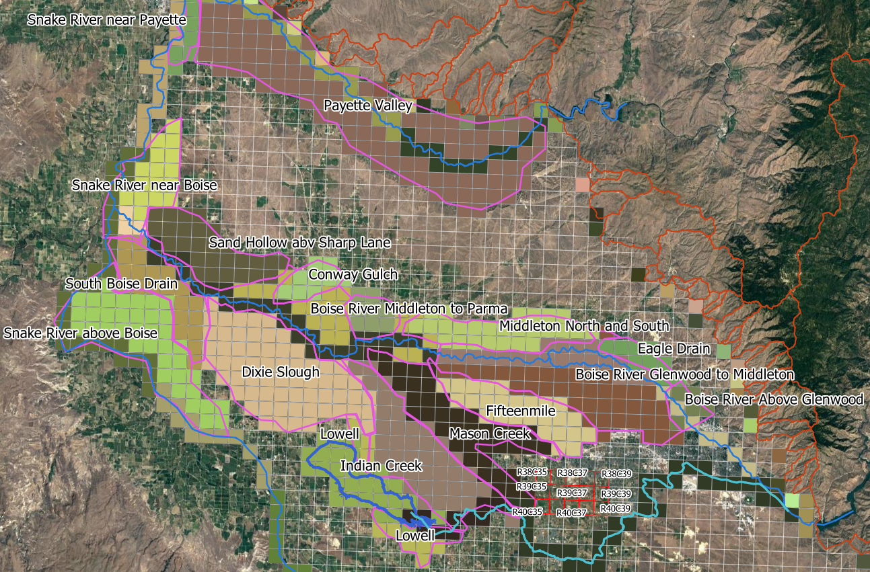
485 | -111.88705234 | 0 | DRN16 | Snake River near Boise
516 | -139.75206612 | 0 | DRN17 | Snake River near Payette
546 | -163.19559229 | 0 | DRN18 | South Boise Drain
577 | -168.35629017 | 0
608 | -178.07392103 | 0
638 | -165.17676768 | 0
669 | -128.49403122 | 0
699 | -112.23599633 | 0
730 | -103.02571166 | 0
761 | -96.703397612 | 0
789 | -92.164830119 | 0
820 | -88.007346189 | 0
850 | -100.84710744 | 0
881 | -132.34618916 | 0
911 | -158.3677686 | 0
942 | -178.77640037 | 0
973 | -184.51561065 | 0
1003 | -180.67263545 | 0
1034 | -142.31404959 | 0
1064 | -120.56473829 | 0
1095 | -109.25849403 | 0
1126 | -101.74242424 | 0
1154 | -96.439393939 | 0
1185 | -95.337465565 | 0
1215 | -110.37649219 | 0
1246 | -141.8204775 | 0
1276 | -165.26629936 | 0
1307 | -185.32598714 | 0
1338 | -189.43985308 | 0
1368 | -184.5661157 | 0
1399 | -160.43847567 | 0
1429 | -134.02662994 | 0
1460 | -118.68686869 | 0
1491 | -109.61432507 | 0
1519 | -103.71671258 | 0
1550 | -98.477961433 | 0
1580 | -90.436179982 | 0
1611 | -120.31680441 | 0
1641 | -149.63957759 | 0
1672 | -174.45362718 | 0
1703 | -182.17401286 | 0
1733 | -177.94306703 | 0
1764 | -162.41735537 | 0
1794 | -133.80165289 | 0
1825 | -118.37924702 | 0
1856 | -109.21487603 | 0
1884 | -103.20018365 | 0
1915 | -98.034894399 | 0
1945 | -110.64279155 | 0
1976 | -136.13177227 | 0
2006 | -154.46280992 | 0
2037 | -172.71120294 | 0
2068 | -182.68135904 | 0
2098 | -179.85766758 | 0
2129 | -161.228191 | 0
2159 | -133.55601469 | 0
2190 | -118.2231405 | 0
2221 | -109.64187328 | 0
2249 | -103.9164371 | 0
2280 | -99.556932966 | 0
2310 | -119.28374656 | 0
2341 | -141.8067034 | 0
2371 | -167.31634527 | 0
2402 | -182.14187328 | 0
2433 | -188.76951331 | 0
2463 | -181.75619835 | 0
2494 | -156.78833792 | 0
2524 | -133.14049587 | 0
2555 | -118.08539945 | 0
2586 | -109.92424242 | 0
2614 | -104.38246097 | 0
2645 | -100.46831956 | 0
2675 | -119.15518825 | 0
2706 | -146.76997245 | 0
2736 | -170.5486685 | 0
2767 | -168.06932966 | 0
2798 | -178.3677686 | 0
2828 | -158.51928375 | 0
2859 | -126.16161616 | 0
2889 | -111.13406795 | 0
2920 | -102.97061524 | 0
2951 | -97.004132231 | 0
2979 | -92.715794307 | 0
3010 | -90.449954086 | 0
3040 | -109.13911846 | 0
3071 | -136.96280992 | 0
3101 | -156.15243343 | 0
3132 | -154.41000918 | 0
3163 | -169.63498623 | 0
3193 | -171.0261708 | 0
3224 | -131.79292929 | 0
3254 | -114.06565657 | 0
3285 | -103.55601469 | 0
3316 | -97.114325069 | 0
3344 | -92.525252525 | 0
3375 | -90.77594123 | 0
3405 | -113.13360882 | 0
3436 | -136.05601469 | 0
3466 | -146.49908173 | 0
3497 | -165.64049587 | 0
3528 | -166.20293848 | 0
3558 | -161.53810836 | 0
3589 | -128.83149679 | 0
3619 | -111.20293848 | 0
3650 | -101.40266299 | 0

head_compare
HEAD_1_39_37
boundary | HEAD_1_39_37
time | baseline | scenario | Boudnaries
31 | 2597 | 0 | HEAD_1_38_35
59 | 2596.8 | 0 | HEAD_1_38_39
90 | 2596.7 | 0 | HEAD_1_39_37
120 | 2596.6 | 0 | HEAD_1_40_35
151 | 2596.7 | 0 | HEAD_1_40_39
181 | 2596.8 | 0 | HEAD_3_38_35
212 | 2596.9 | 0 | HEAD_3_38_39
243 | 2597.1 | 0 | HEAD_3_39_37
273 | 2597.1 | 0 | HEAD_3_40_35
304 | 2597.1 | 0 | HEAD_3_40_39
334 | 2596.9 | 0
365 | 2596.8 | 0
396 | 2596.7 | 0
424 | 2596.5 | 0
455 | 2596.4 | 0
485 | 2596.3 | 0
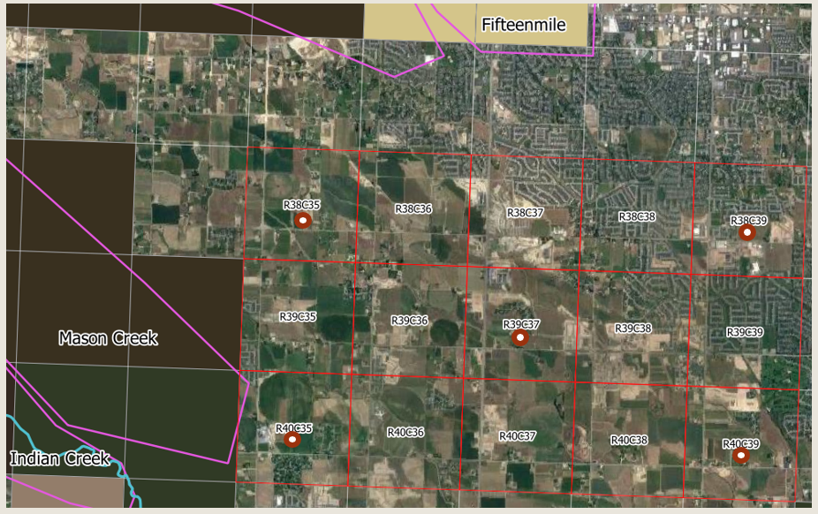
516 | 2596.4 | 0
546 | 2596.7 | 0
577 | 2596.7 | 0
608 | 2596.7 | 0
638 | 2596.7 | 0
669 | 2596.5 | 0
699 | 2596.4 | 0
730 | 2596.2 | 0
761 | 2596.1 | 0
789 | 2596 | 0
820 | 2595.8 | 0
850 | 2595.7 | 0
881 | 2595.9 | 0
911 | 2596.1 | 0
942 | 2596.3 | 0
973 | 2596.5 | 0
1003 | 2596.7 | 0
1034 | 2596.5 | 0
1064 | 2596.4 | 0
1095 | 2596.2 | 0
1126 | 2596.1 | 0
1154 | 2596 | 0
1185 | 2595.8 | 0
1215 | 2595.8 | 0
1246 | 2595.9 | 0
1276 | 2596.1 | 0
1307 | 2596.4 | 0
1338 | 2596.6 | 0
1368 | 2596.7 | 0
1399 | 2596.7 | 0
1429 | 2596.6 | 0
1460 | 2596.5 | 0
1491 | 2596.3 | 0
1519 | 2596.2 | 0
1550 | 2596.1 | 0
1580 | 2596 | 0
1611 | 2596.1 | 0
1641 | 2596.2 | 0
1672 | 2596.5 | 0
1703 | 2596.7 | 0
1733 | 2596.9 | 0
1764 | 2596.8 | 0
1794 | 2596.7 | 0
1825 | 2596.6 | 0
1856 | 2596.5 | 0
1884 | 2596.4 | 0
1915 | 2596.2 | 0
1945 | 2596.1 | 0
1976 | 2596.2 | 0
2006 | 2596.4 | 0
2037 | 2596.6 | 0
2068 | 2596.9 | 0
2098 | 2597 | 0
2129 | 2597.1 | 0
2159 | 2597 | 0
2190 | 2596.9 | 0
2221 | 2596.7 | 0
2249 | 2596.6 | 0
2280 | 2596.5 | 0
2310 | 2596.4 | 0
2341 | 2596.6 | 0
2371 | 2596.7 | 0
2402 | 2597 | 0
2433 | 2597.2 | 0
2463 | 2597.3 | 0
2494 | 2597.3 | 0
2524 | 2597.2 | 0
2555 | 2597.1 | 0
2586 | 2597 | 0
2614 | 2596.9 | 0
2645 | 2596.8 | 0
2675 | 2596.7 | 0
2706 | 2596.9 | 0
2736 | 2596.9 | 0
2767 | 2596.9 | 0
2798 | 2596.9 | 0
2828 | 2596.8 | 0
2859 | 2596.7 | 0
2889 | 2596.6 | 0
2920 | 2596.5 | 0
2951 | 2596.3 | 0
2979 | 2596.2 | 0
3010 | 2596 | 0
3040 | 2596 | 0
3071 | 2596.1 | 0
3101 | 2596.2 | 0
3132 | 2596.4 | 0
3163 | 2596.5 | 0
3193 | 2596.5 | 0
3224 | 2596.4 | 0
3254 | 2596.2 | 0
3285 | 2596.1 | 0
3316 | 2596 | 0
3344 | 2595.9 | 0
3375 | 2595.7 | 0
3405 | 2595.6 | 0
3436 | 2595.7 | 0
3466 | 2595.7 | 0
3497 | 2595.9 | 0
3528 | 2595.9 | 0
3558 | 2596 | 0
3589 | 2595.9 | 0
3619 | 2595.8 | 0
3650 | 2595.7 | 0

