drn_compare
Conway Gulch
boundary | DRN04 | Conway Gulch
time | baseline | scenario | Boudnaries | drain_name
31 | -23.663911846 | 0 | DRN01 | Boise River Above Glenwood
59 | -22.654499541 | 0 | DRN02 | Boise River Glenwood to Middleton
90 | -21.595959596 | 0 | DRN03 | Boise River Middleton to Parma
120 | -21.604683196 | 0 | DRN04 | Conway Gulch
151 | -23.26446281 | 0 | DRN05 | Dixie Slough
181 | -24.825528007 | 0 | DRN06 | Eagle Drain
212 | -26.191460055 | 0 | DRN07 | Fifteenmile
243 | -27.435720845 | 0 | DRN08 | Hartley East and West
273 | -27.858126722 | 0 | DRN09 | Indian Creek
304 | -26.965105601 | 0 | DRN10 | Lowell
334 | -25.649678604 | 0 | DRN11 | Mason Creek
365 | -24.419191919 | 0 | DRN12 | Middleton North and South
396 | -23.27594123 | 0 | DRN13 | Payette Valley
424 | -22.280073462 | 0 | DRN14 | Sand Hollow abv Sharp Lane
455 | -21.235996327 | 0 | DRN15 | Snake River above Boise
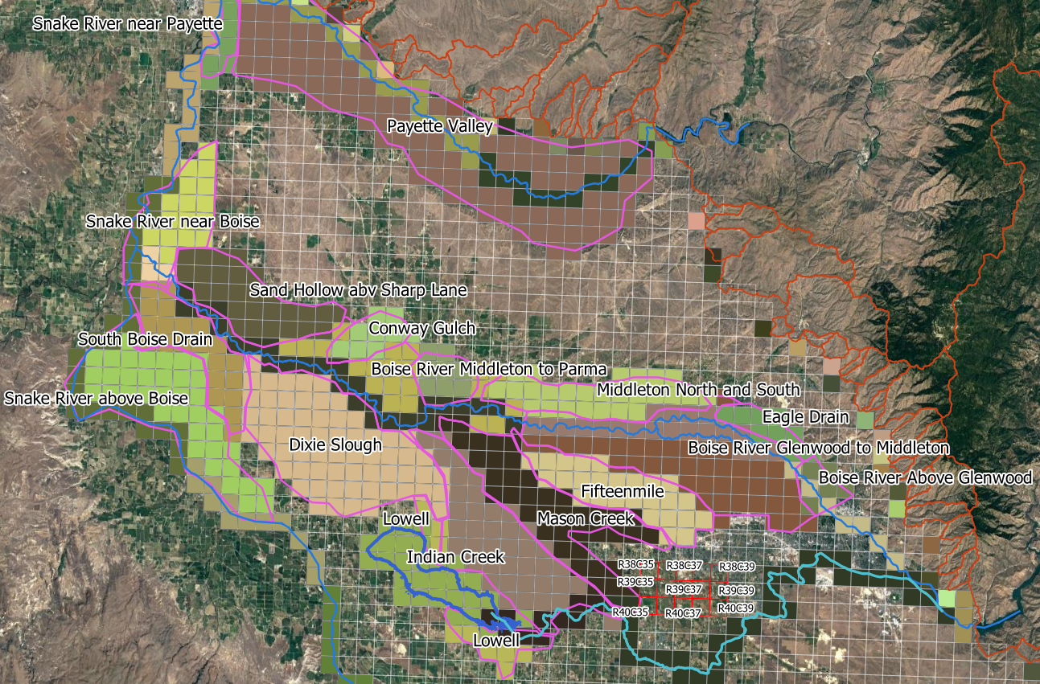
485 | -22.143939394 | 0 | DRN16 | Snake River near Boise
516 | -24.593663912 | 0 | DRN17 | Snake River near Payette
546 | -26.476124885 | 0 | DRN18 | South Boise Drain
577 | -27.796143251 | 0
608 | -28.955463728 | 0
638 | -29.722222222 | 0
669 | -28.436639118 | 0
699 | -27.0087236 | 0
730 | -25.677226814 | 0
761 | -24.44214876 | 0
789 | -23.390725436 | 0
820 | -22.287878788 | 0
850 | -22.956841139 | 0
881 | -25.020661157 | 0
911 | -26.104224059 | 0
942 | -27.447199265 | 0
973 | -28.840679522 | 0
1003 | -29.926538108 | 0
1034 | -28.962350781 | 0
1064 | -27.596418733 | 0
1095 | -26.299357208 | 0
1126 | -25.08953168 | 0
1154 | -24.051882461 | 0
1185 | -22.961432507 | 0
1215 | -23.75573921 | 0
1246 | -25.794306703 | 0
1276 | -27.947658402 | 0
1307 | -29.258494031 | 0
1338 | -31.037649219 | 0
1368 | -31.698806244 | 0
1399 | -31.033057851 | 0
1429 | -29.607438017 | 0
1460 | -28.241505969 | 0
1491 | -26.962809917 | 0
1519 | -25.867768595 | 0
1550 | -24.71533517 | 0
1580 | -24.846189164 | 0
1611 | -26.56795225 | 0
1641 | -28.000459137 | 0
1672 | -29.286042241 | 0
1703 | -30.876951331 | 0
1733 | -31.168503214 | 0
1764 | -30.523415978 | 0
1794 | -29.120752984 | 0
1825 | -27.78466483 | 0
1856 | -26.533516988 | 0
1884 | -25.461432507 | 0
1915 | -24.329660239 | 0
1945 | -24.407713499 | 0
1976 | -26.370523416 | 0
2006 | -27.858126722 | 0
2037 | -29.205693297 | 0
2068 | -30.567033976 | 0
2098 | -31.106519743 | 0
2129 | -30.77594123 | 0
2159 | -29.400826446 | 0
2190 | -28.080808081 | 0
2221 | -26.838842975 | 0
2249 | -25.773645546 | 0
2280 | -24.674012856 | 0
2310 | -24.150596878 | 0
2341 | -23.969237833 | 0
2371 | -25.360422406 | 0
2402 | -26.90312213 | 0
2433 | -28.774104683 | 0
2463 | -29.306703398 | 0
2494 | -29.320477502 | 0
2524 | -28.009641873 | 0
2555 | -26.749311295 | 0
2586 | -25.567033976 | 0
2614 | -24.54775023 | 0
2645 | -23.661616162 | 0
2675 | -25.027548209 | 0
2706 | -26.951331497 | 0
2736 | -28.230027548 | 0
2767 | -29.451331497 | 0
2798 | -30.456841139 | 0
2828 | -30.713957759 | 0
2859 | -29.46969697 | 0
2889 | -28.046372819 | 0
2920 | -26.701101928 | 0
2951 | -25.445362718 | 0
2979 | -24.368686869 | 0
3010 | -23.422865014 | 0
3040 | -24.471992654 | 0
3071 | -26.035353535 | 0
3101 | -27.339302112 | 0
3132 | -28.611111111 | 0
3163 | -29.543158861 | 0
3193 | -29.797979798 | 0
3224 | -28.592745638 | 0
3254 | -27.139577594 | 0
3285 | -25.789715335 | 0
3316 | -24.540863177 | 0
3344 | -23.477961433 | 0
3375 | -22.440082645 | 0
3405 | -23.337924702 | 0
3436 | -24.7543618 | 0
3466 | -26.115702479 | 0
3497 | -27.525252525 | 0
3528 | -28.475665748 | 0
3558 | -28.328741965 | 0
3589 | -27.242883379 | 0
3619 | -25.890725436 | 0
3650 | -24.623507805 | 0

head_compare
HEAD_1_38_35
boundary | HEAD_1_38_35
time | baseline | scenario | Boudnaries
31 | 2556 | 0 | HEAD_1_38_35
59 | 2555.8 | 0 | HEAD_1_38_39
90 | 2555.6 | 0 | HEAD_1_39_37
120 | 2555.5 | 0 | HEAD_1_40_35
151 | 2555.6 | 0 | HEAD_1_40_39
181 | 2555.7 | 0 | HEAD_3_38_35
212 | 2555.8 | 0 | HEAD_3_38_39
243 | 2556.1 | 0 | HEAD_3_39_37
273 | 2556.3 | 0 | HEAD_3_40_35
304 | 2556.3 | 0 | HEAD_3_40_39
334 | 2556.2 | 0
365 | 2556.2 | 0
396 | 2556.1 | 0
424 | 2555.9 | 0
455 | 2555.7 | 0
485 | 2555.6 | 0
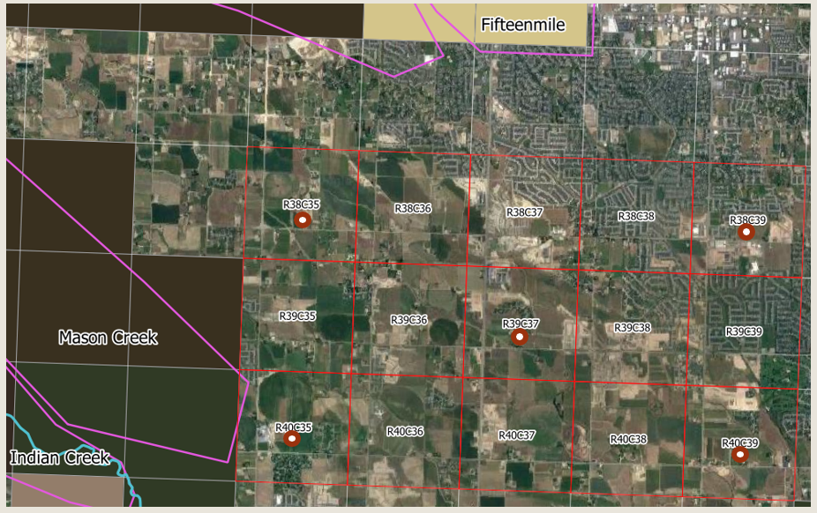
516 | 2555.7 | 0
546 | 2556.1 | 0
577 | 2556 | 0
608 | 2556.1 | 0
638 | 2556 | 0
669 | 2555.8 | 0
699 | 2555.7 | 0
730 | 2555.6 | 0
761 | 2555.5 | 0
789 | 2555.3 | 0
820 | 2555.1 | 0
850 | 2554.9 | 0
881 | 2555.2 | 0
911 | 2555.4 | 0
942 | 2555.7 | 0
973 | 2556 | 0
1003 | 2556.3 | 0
1034 | 2556.1 | 0
1064 | 2556 | 0
1095 | 2555.9 | 0
1126 | 2555.7 | 0
1154 | 2555.6 | 0
1185 | 2555.4 | 0
1215 | 2555.3 | 0
1246 | 2555.5 | 0
1276 | 2555.8 | 0
1307 | 2556.1 | 0
1338 | 2556.5 | 0
1368 | 2556.7 | 0
1399 | 2556.8 | 0
1429 | 2556.8 | 0
1460 | 2556.7 | 0
1491 | 2556.6 | 0
1519 | 2556.5 | 0
1550 | 2556.3 | 0
1580 | 2556 | 0
1611 | 2556.1 | 0
1641 | 2556.2 | 0
1672 | 2556.5 | 0
1703 | 2556.8 | 0
1733 | 2557 | 0
1764 | 2557.1 | 0
1794 | 2557 | 0
1825 | 2556.9 | 0
1856 | 2556.7 | 0
1884 | 2556.5 | 0
1915 | 2556.3 | 0
1945 | 2556.1 | 0
1976 | 2556.2 | 0
2006 | 2556.4 | 0
2037 | 2556.8 | 0
2068 | 2557.1 | 0
2098 | 2557.3 | 0
2129 | 2557.5 | 0
2159 | 2557.4 | 0
2190 | 2557.3 | 0
2221 | 2557.1 | 0
2249 | 2556.9 | 0
2280 | 2556.7 | 0
2310 | 2556.6 | 0
2341 | 2556.8 | 0
2371 | 2556.9 | 0
2402 | 2557.2 | 0
2433 | 2557.6 | 0
2463 | 2557.8 | 0
2494 | 2557.8 | 0
2524 | 2557.8 | 0
2555 | 2557.7 | 0
2586 | 2557.5 | 0
2614 | 2557.4 | 0
2645 | 2557.1 | 0
2675 | 2557 | 0
2706 | 2557.2 | 0
2736 | 2557.1 | 0
2767 | 2557 | 0
2798 | 2557 | 0
2828 | 2556.8 | 0
2859 | 2556.7 | 0
2889 | 2556.6 | 0
2920 | 2556.4 | 0
2951 | 2556.2 | 0
2979 | 2556 | 0
3010 | 2555.8 | 0
3040 | 2555.7 | 0
3071 | 2555.7 | 0
3101 | 2555.8 | 0
3132 | 2555.9 | 0
3163 | 2556.1 | 0
3193 | 2556.3 | 0
3224 | 2556.1 | 0
3254 | 2556 | 0
3285 | 2555.9 | 0
3316 | 2555.7 | 0
3344 | 2555.6 | 0
3375 | 2555.4 | 0
3405 | 2555.2 | 0
3436 | 2555.3 | 0
3466 | 2555.2 | 0
3497 | 2555.5 | 0
3528 | 2555.6 | 0
3558 | 2555.7 | 0
3589 | 2555.6 | 0
3619 | 2555.6 | 0
3650 | 2555.5 | 0

