IEC 61850 LNs
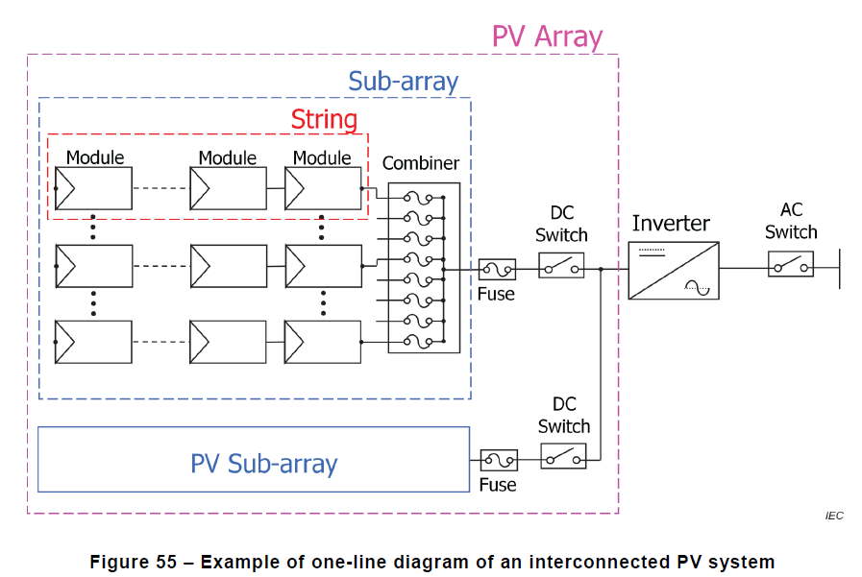
This is a collection of IEC 61850 Logical Nodes (LN) related to DER integration.
More LN may be added to the list, rows in bold are vital for the implementation in T6.3.

Function | description | LNs | relavente Standard
Switchgear operation | functions for the control and monitoring of breakers and disconnect devices | XCBR, XSWI, CSWI | 61850-7-4
protection | functions required to protect the electrical equipment and personnel in case of a malfunction | PTOC, PTOV, PTTR, PHIZ | 61850-7-4
Measuring and metering | functions required to obtain electrical measurements like voltage and current. | MMXU/MMXN, MMTR/MMTN, MMDC | 61850-7-4
DC to AC conversion | functions for the control and monitoring of the inverter | DINV & SINV | 61850-7-420
Array operation | functions to maximize the power output of the array | DPVC, DTRC | 61850-7-420
Islanding | functions required to synchronize the PV system operation with the power system | DHVT, DLVT, DHFT, DLFT, RSYN | 61850-7-4, 61850-7-420
Energy storage | functions required to store excess energy produced by the system | DSTO, DBAT, SBAT | 61850-7-420
CLS
LLN0
LPHD
Meteorological monitoring | functions required to obtain meteorological measurement like solar irradiation and ambient temperature | MMET, STMP | 61850-7-4
Schedule | Schedule and schedule controller | FSCH, FSCC | 61850-7-4
Grid coupling | (Virtual) Grid coupling point | DECP, DPCC, DVER | 61850-7-420
PCC
LLN0
DPCC
MMXU
MMTR
Home Energy Management | interaction with existing home energy management system | DPMC | 61850-7-420
Distributed Energy System | Distributed Loads and Generation | DLOD, DGEN | 61850-7-420
Economic dispatch | Economic dispatch parameters and information | DCCT, DSCT | 61850-7-420
PV
LLN0
DECP
DGEN
DINV

DCCT
DSCT
MMTR
MMXU
MMXU
MMTR

FSCH
FSCC

STO
LLN0
LLN0
DECP
DSTO

DCCT
DSCT
MMXU
MMTR

FSCH
FSCC

LOAD
LLN0
DECP
DLOD

DCCT
DSCT
MMXU
MMTR

METEO
LLN0
LPHD
MMET

FSCH
FSCC

