TC_Report_AM
Test Case Report
Project Name | Aleshamart official website
Module Name | Sign Up and Log In
Test Case Version | N/A
Created By | Shuvo Karmakar
Executed By | Shuvo Karmakar |  |  |  |  | New features | N/A
Reviewed By | N/A |  |  |  |  | Improvement scope | 10

TEST EXECUTION REPORT |  |  |  |  |  | SEVERITY REPORT
TEST CASE | PASS | FAIL | NOT EXECUTED | OUT OF SCOPE | TOTAL TEST CASE | HIGH | MEDIUM | LOW
 | 23 | 9 | 1 | 1 | 34 | 8 | 1 | 1
Grand Total | 23 | 9 | 1 | 1 | 34
TEST EXECUTION REPORT
SEVERITY REPORT

Test_Metrics
Test Metrics
#SL | Metrics | Formulas
1 | Percentage of test cases Executed | (Total number of test cases executed / Total No. of Test cases written ) * 100
2 | Percentage of test cases Not Executed | (Total number of test cases NOT executed / Total No. of Test cases written) * 100
3 | Percentage of Test Cases Passed | (Total number of test cases Passed /Total Test cases executed) * 100
4 | Percentage of Test Cases Failed | (Total number of test cases failed / Total Test cases executed) * 100
5 | Percentage of Test cases Blocked | (Total number of test cases blocked / Total Test cases executed ) * 100
6 | Defect Density | (No. of Defects found / Size(No. Of Requirements)
7 | Defect Removal Efficiency (DRE) | (Fixed defects / (Fixed defects + Missed defects)) * 100
8 | Defect leakage | (No. of Defects found in UAT / No. of Defects found in QA testing) * 100
9 | Defect Rejection Ratio | (No. of defects rejected/ total No. of defects raised) * 100
10 | Defect Age | Fixed date + Reported date
11 | Customer Satisfaction | No. of complaints per Period of Time

Testing Execution Progress
Testing Execution Progress
Metrics |  | Results (%)
Test cases Executed |  | 94%
Test cases Not Executed |  | 3%
Test cases Passed |  | 72%
Test cases Failed |  | 28%
Test cases Blocked |  | 3%

Mind_Map
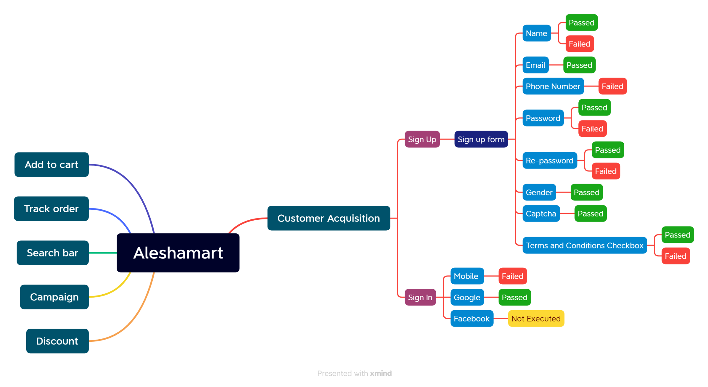
Mind Map

