Screenshots
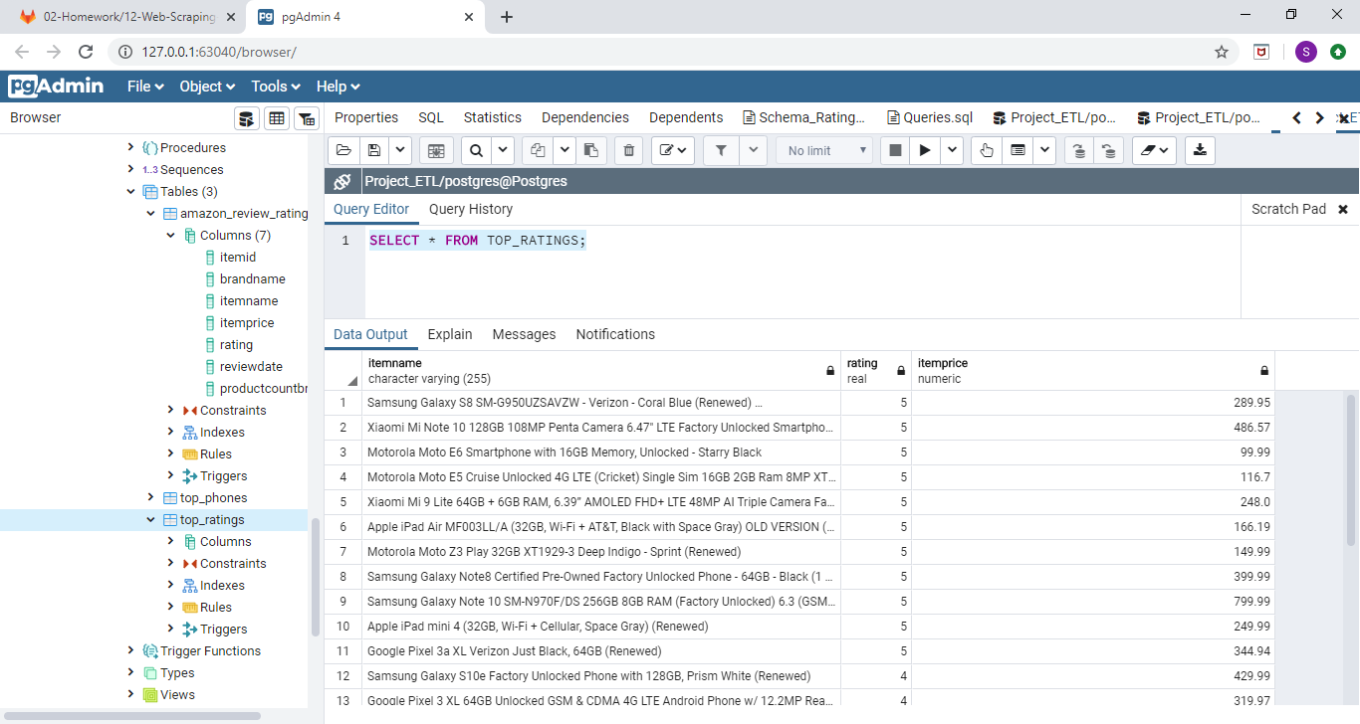
TABLE AMAZON_REVIEW_RATINGS

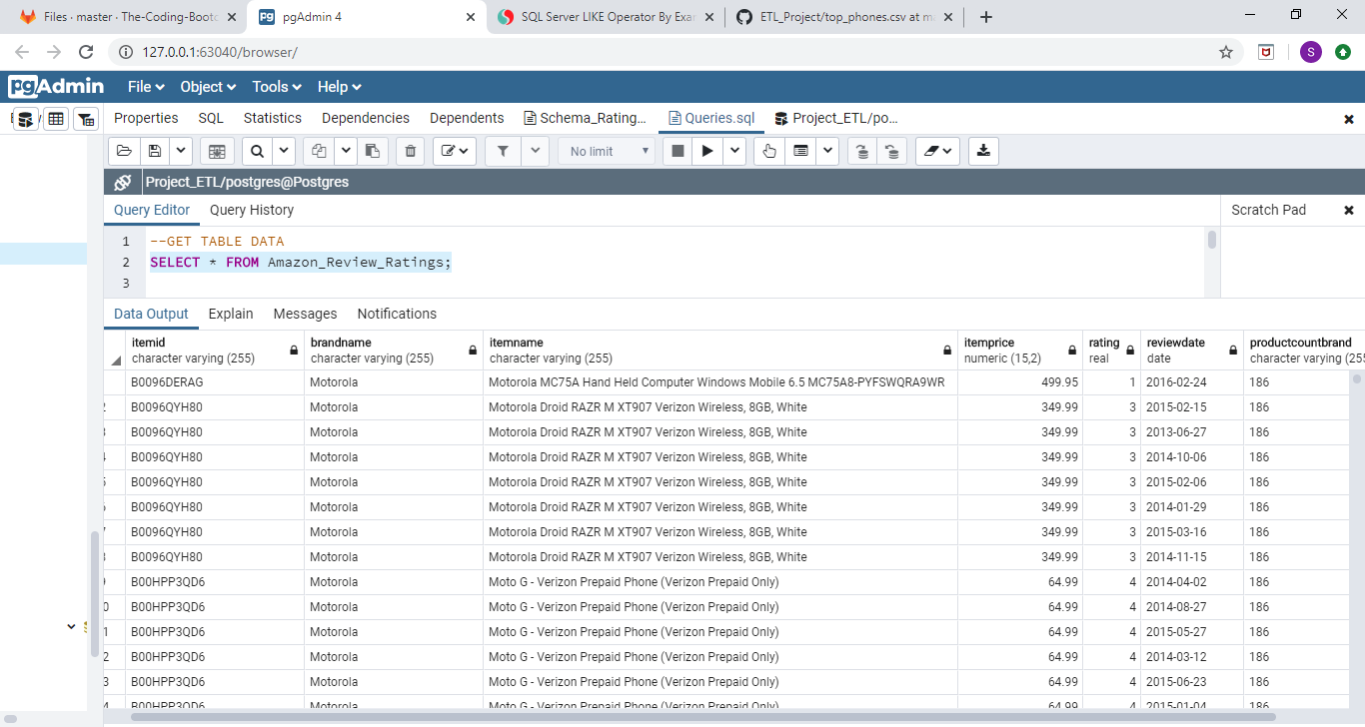

TABLE TOP_PHONES

