BANK MARKETING DASHBOARD
Bank Marketing Dashboard

Total Sales
SUBCRIBED
SUBCRIPTION RATE
NON SUBCRIBED
AVG BALANCE CATEGORY

4521
521
11,5%
4000
MEDIUM

FALSE

 | Total
Very High | 92
High | 217
Negative | 366
Medium | 1172
Low | 2674
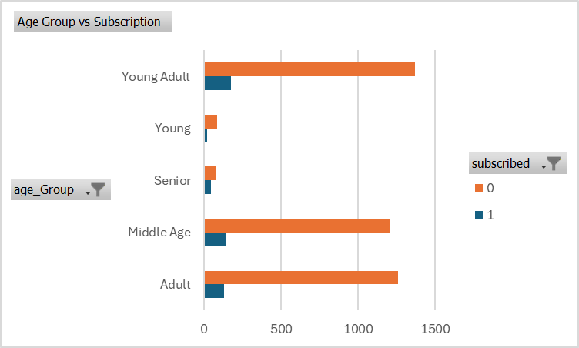
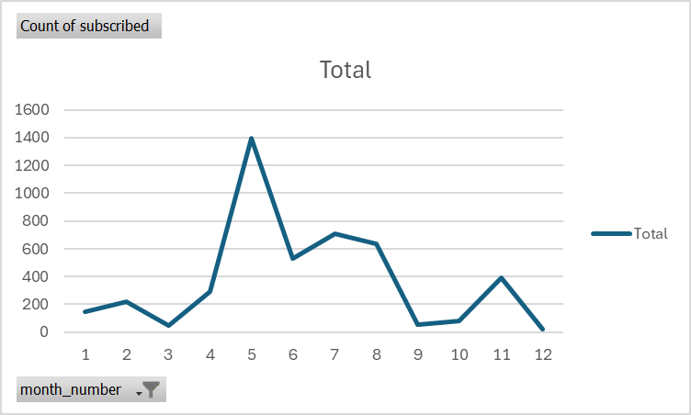

 | FALSE

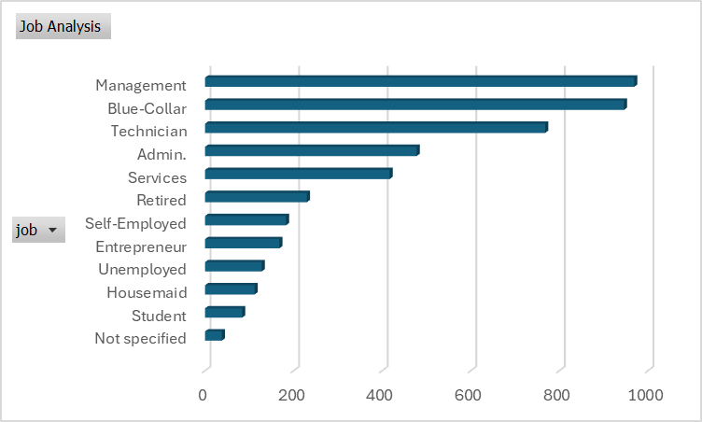
 | Total
0 | 0.88476000885
1 | 0.11523999115

