PHP_Laravel
https://windows.php.net/download/

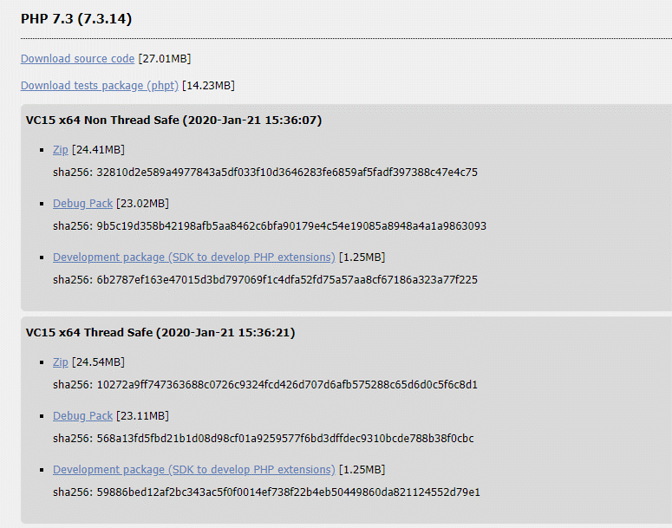

Extract C: path

Copy your path
Control Panel\All Control Panel Items\System => Click Advanced system settings => Click Environment Variables
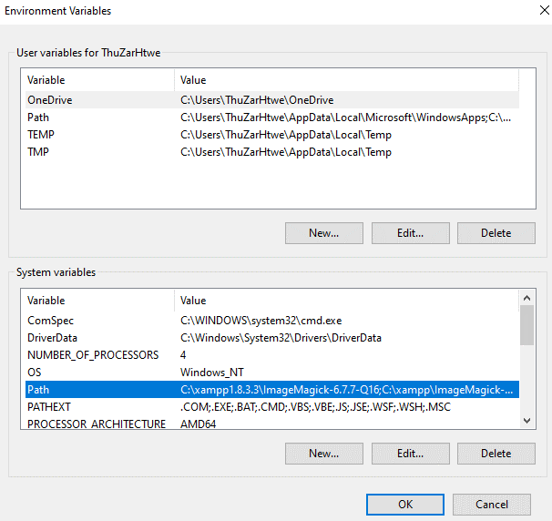

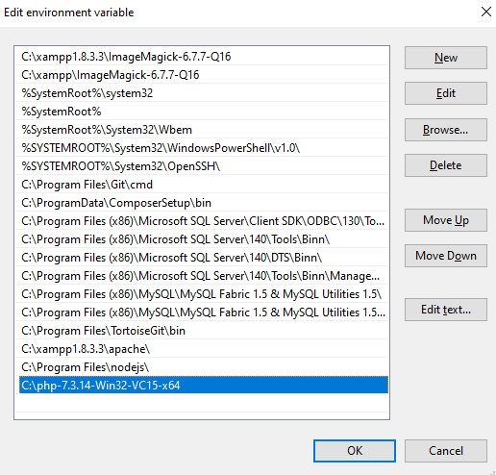

Paste your path

Change Rename

Rename => php.ini

Open and Settings of php.ini

extension_dir = "ext"
extension=php_curl.dll
extension=php_fileinfo.dll
extension=php_gd2.dll
extension=php_mbstring.dll
extension=php_openssl.dll
extension=pdo_mysql

[mbstring]
mbstring.language = Japanese
mbstring.internal_encoding = UTF-8
mbstring.http_input = pass
mbstring.http_output = pass
mbstring.encoding_translation = Off
mbstring.detect_order = UTF-8,SJIS,EUC-JP,JIS,ASCII
mbstring.substitute_character = none
mbstring.func_overload = 0
mbstring.strict_detection = Off
;mbstring.http_output_conv_mimetype=

date.timezone = Asia/Rangoon

Check php version

create Database

app/Providers/AppServiceProvider.php
Insert
use Illuminate\Support\Facades\Schema;
public function boot()
{
//
Schema::defaultStringLength(191);
}

php artisan migrate

php artisan serve

Composer
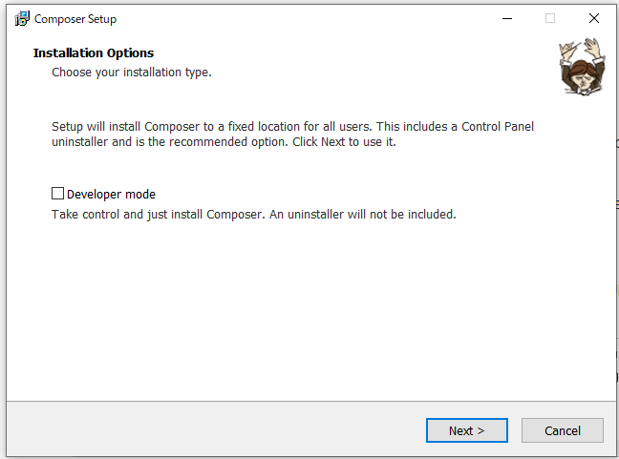
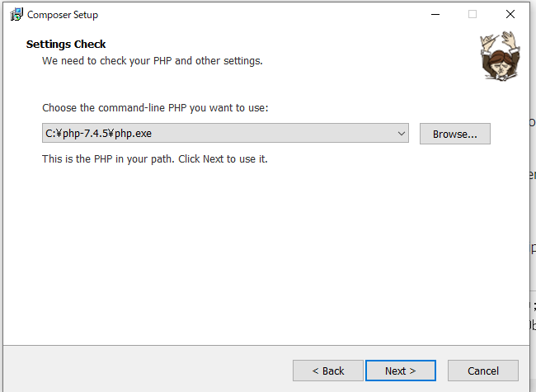
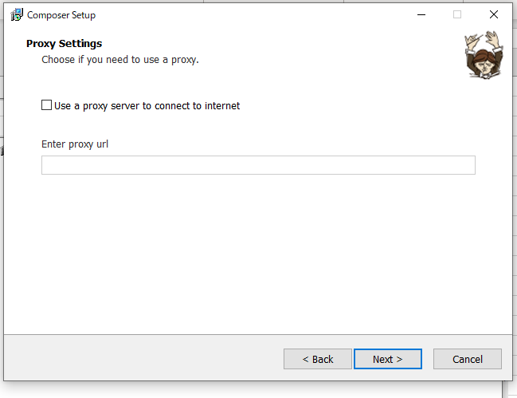
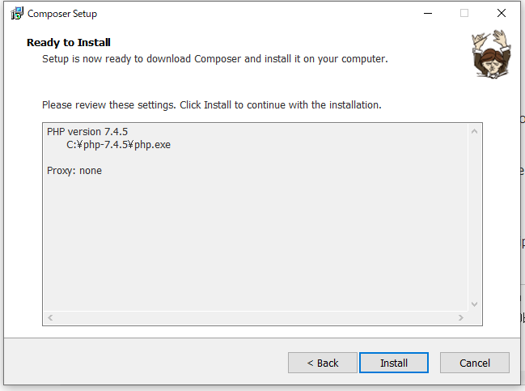
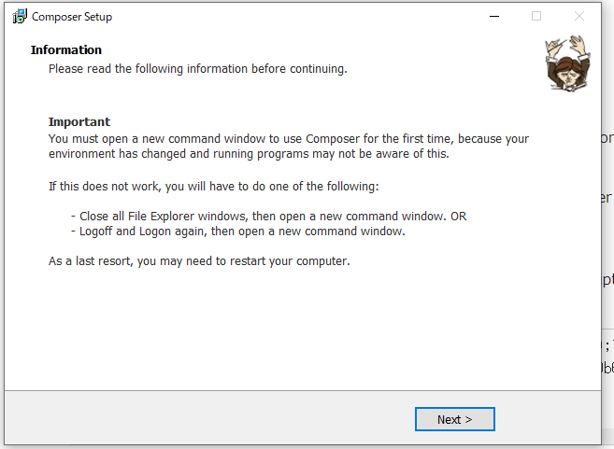
1 | minimum version of php 7.3 is required | install php 7.4

2 | If there is no composer installed, download and install it.
 | https://getcomposer.org/download/

Apache
Installation
download Apache 2.4.39 Win64 |  | https://www.apachelounge.com/download/
httpd-2.4.39-win64-VC15.zip

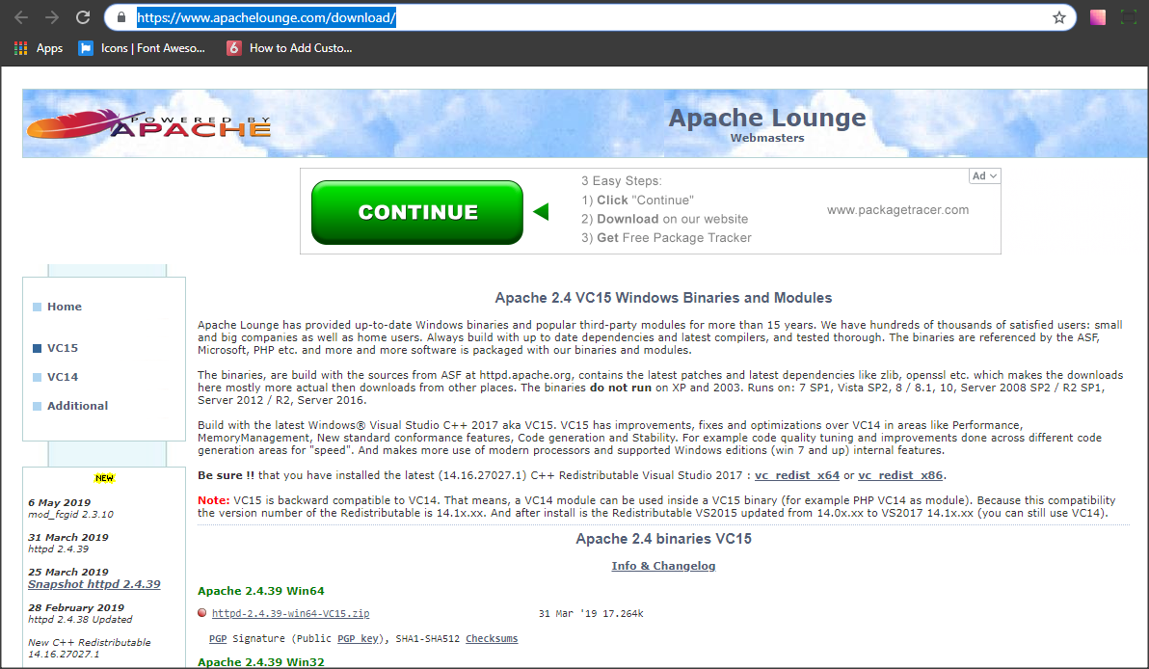

Extract file

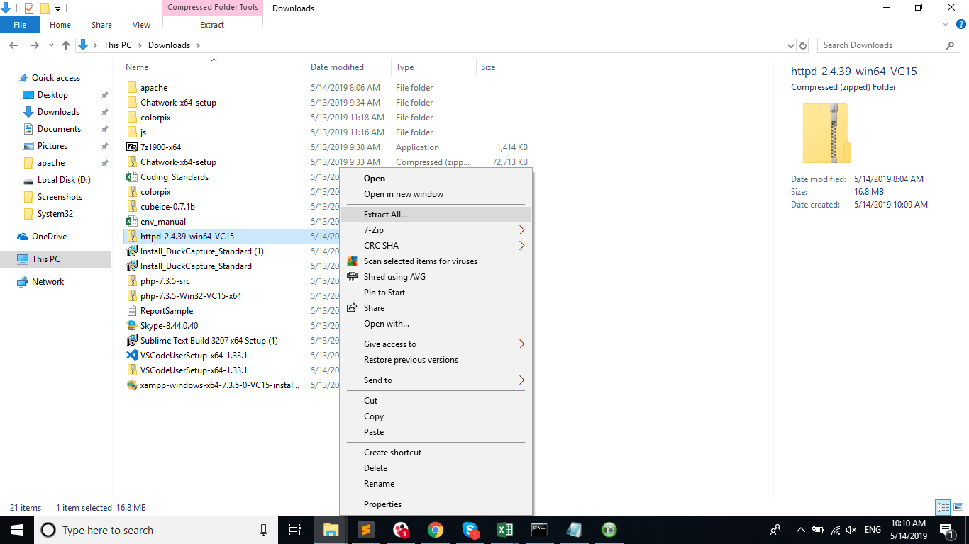

Apache Base Directory

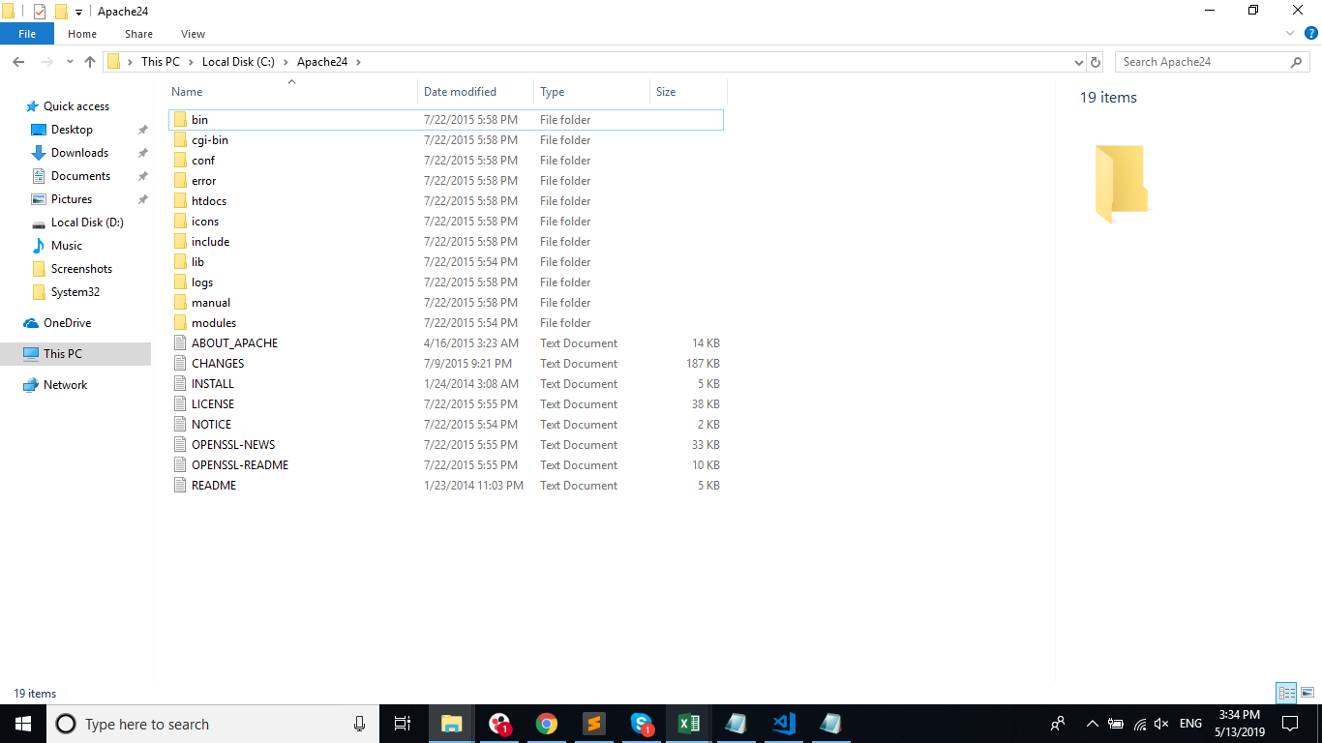

Setting of httpd.conf

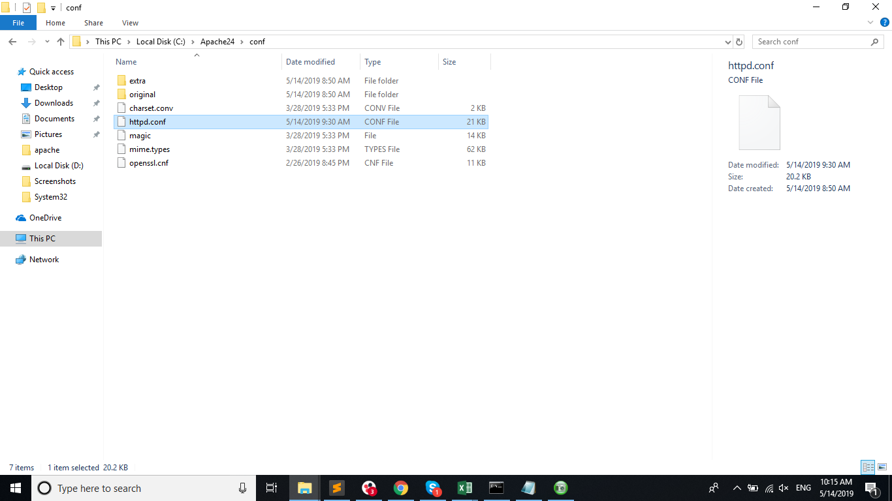

Define SRVROOT "c:/Apache24"

ServerRoot "${SRVROOT}"

#Listen 12.34.56.78:80
Listen 80
ServerName localhost:80

AllowOverride None | to change |  | AllowOverride All

#LoadModule rewrite_module modules/mod_rewrite.so |  |  |  | remove '#'
LoadModule rewrite_module modules/mod_rewrite.so

Register apache service

open cmd run as administrator

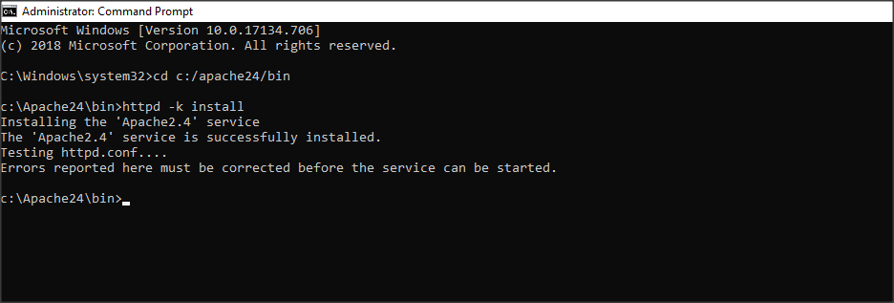

start Apache2.4 services | (run box -> services.msc -> enter)
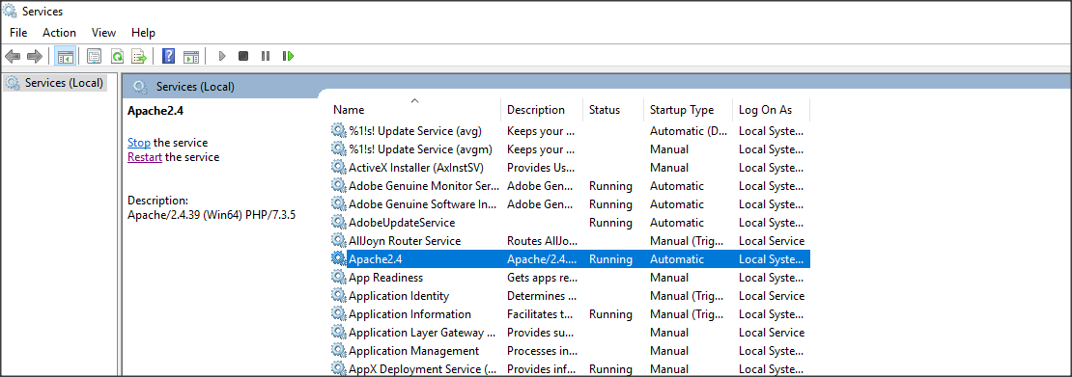

Enter url: localhost


And Setting of httpd.conf |  | //To connect PHP and Apache server

PHPIniDir "C:/php/php-7.3.5-Win32-VC15-x64" |  |  |  |  | //You must copy
AddHandler application/x-httpd-php .php
LoadModule php7_module "C:/php/php-7.3.5-Win32-VC15-x64/php7apache2_4.dll"

restart Apache2.4 services

Contents of index.php
<?php phpinfo(); ?>

Enter url: localhost/index.php
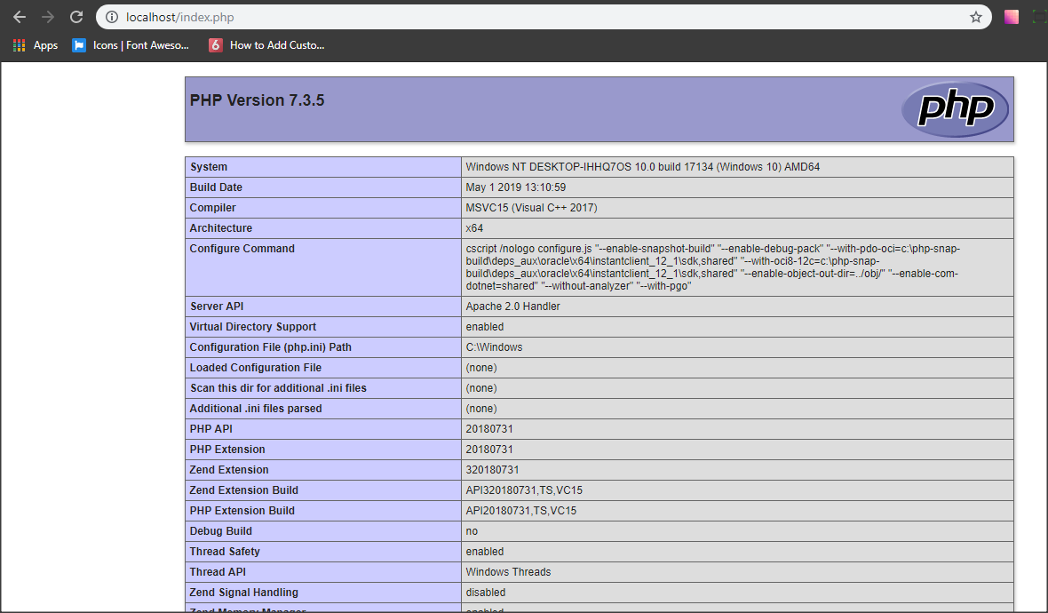

Setting of httpd-vhosts.conf

Listen 8001 |  |  | //You must copy
<VirtualHost *:8001>
DocumentRoot "C:\laravel\blog\public"
<Directory C:\laravel\blog\public>
DirectoryIndex index.php
AllowOverride ALL
Require all granted
</Directory>
</VirtualHost>

