TRUMPF3000
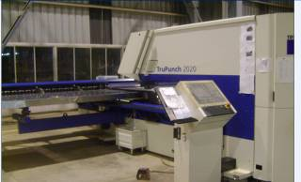
TRUPUNCH 3000 |  |  |  | TMML/MS/PP/01
 |  |  |  | ISSUE-01 | REV-00
 |  |  |  | PAGE1-1

MACHINE NAME | : | TRUPUNCH 3000

MACHINE GROUP | : | TPP_GROUP_2.1

TECHNICAL SPECIFICATIONS

WORKING RANGE | : | X-AXIS=3070mm

 | : | Y-AXIS=1660mm

MAXIMUM WORKPIECE WEIGHT | : | 230 Kg

MAXIMUM PUNCHING CAPACITY | : | 180 KN

SPEED | : | X-AXIS=90m/min

 | : | Y-AXIS=60m/min

 | : | C-AXIS=180m/min

STROKE RATE [1 / MIN ] | : | 780

POSITIONING ACCURACY | : | ± 0.1

TOOLS IN THE LINEAR MAGAZINE | : | 25 (WITH 4 CLAMPS)

MACHINE WEIGHT | : | 14850 Kg

MAIN SUPPLY | : | 400 V / 50 Hz

CONNECTING LOAD | : | 18 KVA

CONTROL VOLTAGE | : | 24 V

AIR CONNECTION | : | 7 - 14 BAR

MAXIMUM SHEET THICKNESS | : | 6.4 MM

PRELIMINARY FUSE | : | 3 X 35 A
RECOMMANDED HYDRAULLIC OIL | : | SHELL TELLUS OIL DO 46 (HLPD / ISO VG 46)
OIL TANK CAPACITY | : | MAX.140 Litres

POWER CONSUMPTION | : | 8 KW

PREPARED BY : | REVIEWED BY : |  | APPROVED BY :
Santosh.A | Priya.H |  | Devaraj .N

