PEDRAZOLI 3-AXIS bending
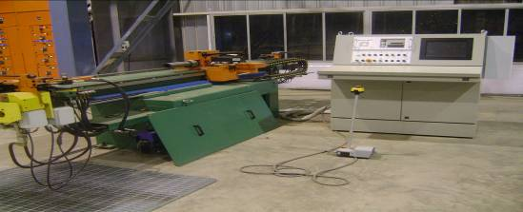
PEDRAZOLI TUBE BENDING M/C3-AXIS (42 IMS) |  |  |  | TMML/MS/PP/01
 |  |  |  | ISSUE-01 | REV-00
 |  |  |  | PAGE1-1

MACHINE NAME | : | PEDRAZOLI TUBE BENDING M/C

MACHINE GROUP | : | TBH_GROUP_3.1

TECHNICAL SPECIFICATIONS

MAXIMUM BENDING CAPACITY R= 40Kg/mm2 | : | 42X42X2.5 mm

MINIMUM INSIDE BENDING RADIUS WITH | :

(A) STD SPINDLE | : | 21 mm
(B) SPECIAL SPINDLE | : | 21 mm

MAX CENTER LINE BENDING RADIUS WITH FOLLOWER SIDE | : | 260 mm

MAX BENDING RADIUS WITH ROLLERS | : | 165 mm

MAX BENDING ANGLE | : | 187 DEGREE

MAXIMUM LENGTH OF TUBE TO BE BENT | : | 3000 mm

END OF CLAMPING COLLET USING THE STEP ENABLING THE TUBE TO BE RECLAMPED | : | 3700 mm

ADJUSTABLE MANDREL EXTRACTION STROKE | : | 80MM

HYDRULIC UNIT MOTOR | : | 7.5 KW

MOTOR SPEED AT 50 HZ | : | 1450 GR/SEC

BENDING ANGLE TOLERANCE | : | 0.1 mm

ROTATING ANGLE TOLERANCE OF COLLET CHUCK | : | 150 LTRS

VARIABLE DELIVERY PUMP | : | 5220 mm

MAX PRESSURE OF HYDRULIC INSTALATION | : | 1300 mm

PREPARED BY : | REVIEWED BY : |  | APPROVED BY :

