COMAC T B MC
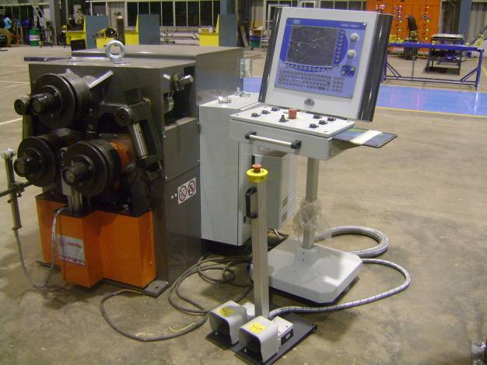
COMAC UNIVERSAL BENDING MACHINE |  |  |  |  | TMML/MS/PP/01
 |  |  |  |  | ISSUE-01 | REV-00
 |  |  |  |  | PAGE1-1

MACHINE NAME |  | : | COMAC UNIVERSAL BENDING MACHINE

MACHINE GROUP |  | : | TBV_GROUP_1.1

TECHNICAL SPECIFICATIONS

MACHINE MODEL |  | : | 305

HYDRAULLIC UNIT
TANK CAPACITY |  | : | 16 LTR

TYPE OF OIL ADVISED |  | : | ISO 32

PUMP CHARACTERISTIC |  | : | 4 + 4 L/MIN.GEARING

BENDING OF PROFILES WITH MAXIMUM RESISTING TORQUE |  | : | 16 CM³

TOTAL POWER INSTALLED |  | : | 7.7 KW

MACHINE WEIGHT |  | : | ~ 1520 kg

DIAMETER OF SHAFTS |  | : | 70 MM

DIAMETER OF STANDARD ROLLS |  | : | 245 MM

PROFILE FEEDING SPEED |  | : | 6.1 M / MIN

POWER OUTPUT |  | : | 4.75 KW

DIMENSIONS (L X W X H,W / HORIZONTAL SHAFTS) |  | : | 1.05 X 1.40 X 1.32 MTR

WEIGHT (APPROX) |  | : | 1520 KG

PREPARED BY : | REVIEWED BY : |  |  | APPROVED BY :

