4 MTR SHEARING(BYSTRO) MC
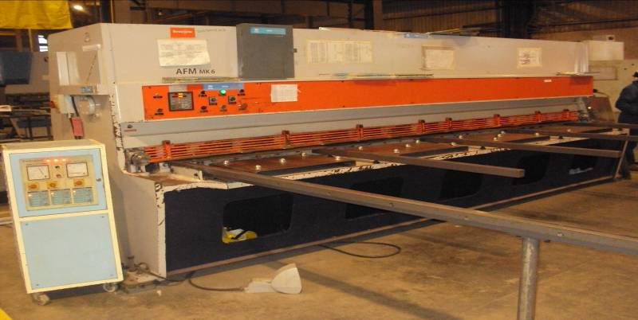
BYSTRONIC SHEARING MC |  |  |  |  |  | TMML/MS/PP/01
 |  |  |  |  |  | ISSUE-01 | REV-00
 |  |  |  |  |  | PAGE1-1

MACHINE NAME | : | BYSTRONIC SHEARING MACHINE

MACHINE NUMBER | : | SMC_GROUP_2.1

TECHNICAL SPECIFICATIONS

MACHINE SIZE | : | 4000X2620X1910 | (LBH)

WEIGHT OF MACHINE | : | 9000KG

SHEARING CAPACITY | : | 6.3 mm

DIMENSION OF ALLUMINIUM PLATE | : | THICKNESS-0.6 to 4mm; |  | LENGTH:4000mm; | WIDTH:1200mm

DIMENSION OF MILD STEEL PLATE | : | THICKNESS-0.6 to 6.3mm; |  | LENGTH:4000mm; | WIDTH:1500mm

DIMENSION OF GI PLATE | : | THICKNESS-0.6 to 2.7mm; |  | LENGTH:4000mm; | WIDTH:1500mm

AXIS TYPE | : | NC

RAKE ANGLE RANGE | : | 0.5 ~ 2.5 (degrees)

NUMBER OF STROKES PER MINUTE | : | 9 ~ 26

BACKGAUGE RANGE | : | 900 mm

MOTOR RATING | : | 7.5 Kw

PANEL CONTROL VOLTAGE | : | 24 V DC

TANK VOLUME | : | 175 Ltrs

HYDRAULLIC OIL CHANGE INTERVAL | : | 5000 Hours

AXIS TYPE & AXIS NO | : | NC & SINGLE

PREPARED BY : | REVIEWED BY : |  |  | APPROVED BY :

