S.DENDING DURMA 3MTR
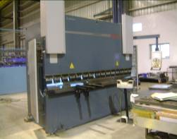
durmazlar E 30160 |  |  |  |  | TMML/MS/PP/01
 |  |  |  |  | ISSUE-01 | REV-00
 |  |  |  |  | PAGE1-1

MACHINE NAME | : | DURMAZLAR E 30160

MACHINE NUMBER | : | 7531084075-E

MACHINE GROUP |  | PBM_GROUP_1.1

TECHNICAL SPECIFICATIONS

MACHINE SIZE | : | 4200x2100x2700 mm

WEIGHT OF MACHINE | : | 9420Kg

BENDING CAPACITY | : | 160 TONS

BENDING LENGTH | : | 3050 mm

APPROACH SPEED | : | 100 mm/sec

BENDING SPEED | : | 9 mm/sec

RETURN SPEED | : | 86 mm/sec

BENDING STROKE | : | 200 mm

THROAT DEPTH | : | 350 mm

MOTOR RATING | : | 15 KW

BENDING CAPACITY | : | O-6mm for 3000 mm length of bending

COMMAND VOLTAGE | : | 24V

OIL TYPE | : | HYDRAULLIC OIL- 1.SHELL 2.B.P 3.CASTROL

OIL TANK CAPACITY | : | 150 LITRES

NOISE LEVEL | : | UNLOADED WORK - 61dBA | LOADED WORK - 67dBA

PREPARED BY : |  | REVIEWED BY : |  | APPROVED BY :

