DRILLING MC1
DRILLING MACHINE |  |  |  |  | TMML/MS/PP/01
 |  |  |  |  | ISSUE-01 | REV-00
 |  |  |  |  | PAGE1-1
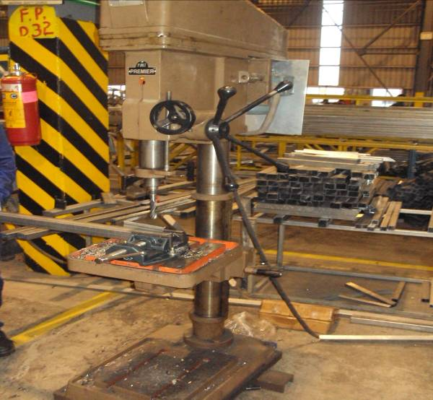

MACHINE NAME |  | : | DRILLING MACHINE

MACHINE NUMBER |  | : | MODEL SI-40/1

MACHINE GROUP |  | : | DMC_GROUP_1.1

TECHNICAL SPECIFICATIONS

MAX DRILLING CAPACITY |  | : | 40mm

COLUMN DIAMETER | (LXBXH) | : | 130 mm

CENTRE OF SPINDLE TO COLUMN |  | : | 305 mm

DISTANCE OF SPINDLE TO TABLE |  | : | 515 mm

DISTANCE SPINDLE TO BASE |  | : | 1040 mm

EACH HYDRAULLI C CYLIBDER THRUST |  | : | 158 KN

STANDARD TENSION |  | : | 380V 50Hz 3phases

DIMENSIONS WITHOUT PACKING IN HORIZONTAL |  | : | 164X122X158h

MACHINE WEIGHT |  | : | 1300 KG

PREPARED BY : |  | REVIEWED BY : |  | APPROVED BY :

