hori band saw3
HORIZONTAL SWIVEL BAND SAWING MACHINE (BOMAR) |  |  |  | TMML/MS/PP/01
 |  |  |  | ISSUE-01 | REV-00
 |  |  |  | PAGE1-1
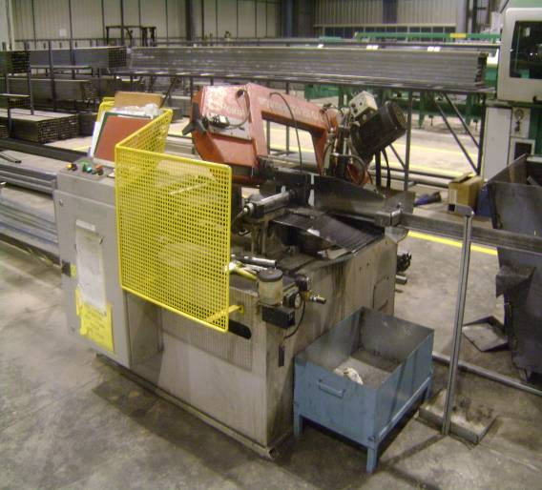

MACHINE NAME | : | HORIZONTAL SWIVEL BAND SAWING MACHINE

MACHINE GROUP | : | TCM_GROUP_1.5

TECHNICAL SPECIFICATIONS

TUBE MATERIAL THICKNESS | : | 1.25-6 mm

SECTION HEIGHT | : | 20 - 80 mm

SECTION WIDTH | : | 20 -50 mm

PROFILE THICKNESS | : | 0.8 - 6.35 mm

MACHINE DIMENSIONS | : | 1810 x 1790x 1200

MACHINE WEIGHT | : | 565 Kg

MAIN MOTOR RATING | : | 1.5 Kw

ANGULAR CUTTING CAPACITY RANGE | : | -45˚ TO +45˚

SUPPLY VOLTAGE | : | ~3 400 ,50Hz, TN-C-S

TOTAL INPUT | : | 3,9 KVA

CUTTING SPEED | : | 40 / 80 m/min

PREPARED BY : |  | REVIEWED BY : | APPROVED BY :

