HORIZON brown 425 (tc ped (3)
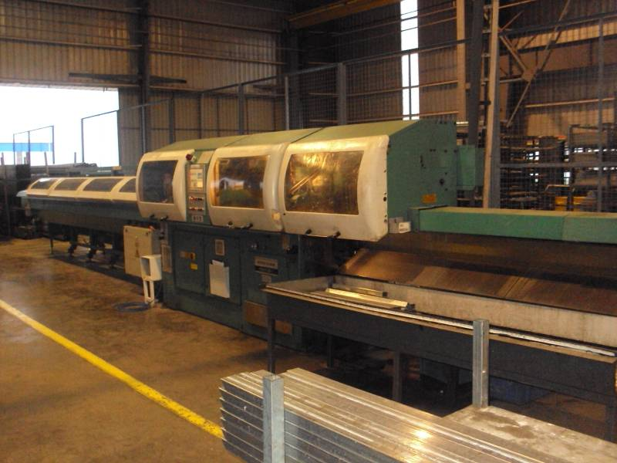
PEDRAZZOLI HORIZON BROWN 425-AP/1500
 |  |  |  |  | TMML/MS/PP/01
 |  |  |  |  | ISSUE-01 | REV-00
 |  |  |  |  | PAGE2-2

MACHINE NAME |  | : | PEDRAZZOLI HORIZON BROWN 425-AP/1500

MACHINE GROUP |  | : | TCA_GROUP_1.1

TECHNICAL SPECIFICATIONS

OPERATING HEAD MOTOR POWER |  | : | 4 KW

HYDRAULLIC UNIT MOTOR POWER |  | : | 1.5 KW

LUBRICATING PUMP MOTOR POWER |  | : | 20 -50 mm

MAXIMUM TABLE ROTATING TABLE SPEED |  | : | 120˚/S

TABLE 45˚ ROTATION TIME |  | : | 0.5 SEC

HYDRAULLIC UNTIT OIL TANK CAPACITY |  | : | 40 LTR

COOLANT TANK CAPACITY |  | : | 70 LTR

INSTALLED POWER |  | : | 6 KW

CLAMPING STROKE WITH TIMER |  | : | 8 mm

STANDARD JAW HEIGHT |  | : | 70 mm

PREPARED BY : | REVIEWED BY : |  |  | APPROVED BY :

PEDRAZZOLI HORIZON BROWN 425-AP/1500
 |  |  |  |  | TMML/MS/PP/01
 |  |  |  |  | ISSUE-01 | REV-00
 |  |  |  |  | PAGE2-2

CUTTING SPEED |  | : | 40 / 80 m/min

VERTICAL VICE ADJUSTMENT STROKE |  | : | 150 mm

HORIZONTAL VICE ADJUSTMENT STROKE |  | : | 100 mm

MAXIMUM OPENING OF FEEDING CARRIAGE COLLET |  | : | 310 mm

JAW CLAMPING STROKE |  | : | 20 mm

SPEED OF SCRAP REMOVER CARRIAGE |  | : | 90 m / min

MINIMUM LENGTH OF SCRAP END PIECE |  | : | 55 mm

MINIMUM CUTTING LENGTH FROM 20˚ TO 45˚ RIGHT |  | : | 140 mm

MAXIMUM BLADE DIAMETER |  | : | 425 mm

MACHINE SIZE (B X H X P) |  | : | 2700x1860x1430

WEIGHT VERSION STANDARD |  | : | 1990 kg

AIR PRESSURE |  | : | 7 bar

TUBE LOADING SYSTEM |  | : | AUTO LOADER

PREPARED BY : | REVIEWED BY : |  |  | APPROVED BY :

