NOTCHING MC
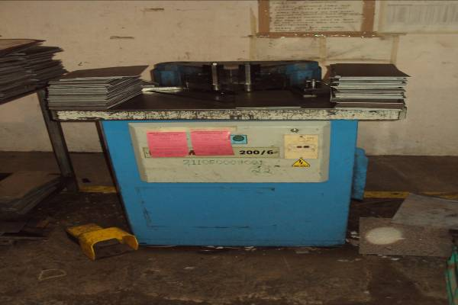
EUROMAC VARIABLE ANGLE NOTCHING MACHINE
 |  |  |  | TMML/MS/PP/01
 |  |  |  | ISSUE-01 | REV-00
 |  |  |  | PAGE1-1

MACHINE NAME | : | EUROMAC VARIABLE NOTCHING MACHINE

MACHINE GROUP | : | NMC_GROUP_1.1

TECHNICAL SPECIFICATIONS

DIMENSIONS OF PLATE ALLUMINIUM

A) PLATE THICKNESS | : | 1.2 - 4 mm

B) LENGTH | : | 100 - 3000 mm

C)WIDTH | : | 100 - 1500 mm

DIMENSIONS OF PLATE MILD STEEL

A) PLATE THICKNESS | : | 0.6 -6.3 mm

B) LENGTH | : | 100 - 3000 mm

C)WIDTH | : | 100 - 1500 mm

DIMENSIONS OF PLATE GI

A) PLATE THICKNESS | : | 0.6 - 4.25 mm

B) LENGTH | : | 100- 3000 mm

C)WIDTH | : | 100 - 1500 mm
MACHINE DIMENSIONS | : | 950 x 790 x 1200

WEIGHT | : | 950 Kg

MAX. THICKNESS OF SHEET | : | 6.5 mm in 42 kg/mm2

MAIN MOTOR RATING | : | 4 Kw

PREPARED BY : | REVIEWED BY : |  | APPROVED BY :

