4 MTR S BENDING (YAWEI)MC
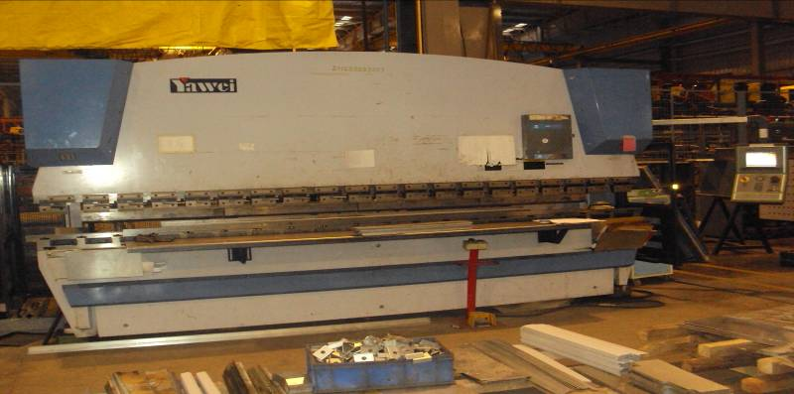
YAWEI |  |  |  | TMML/MS/PP/01
 |  |  |  | ISSUE-01 | REV-00
 |  |  |  | PAGE1-1

MACHINE NAME | : | YAWEI

MACHINE GROUP | : | PBM_GROUP_2.1

TECHNICAL SPECIFICATIONS

OVERALL DIMENSION | : | 4580 x 1860 x 2630 mm

WEIGHT OF MACHINE | : | 15200 Kg

BENDING CAPACITY | : | 220 Tons

BENDING LENGTH | : | 4100 mm

MAX.THICKNESS OF BENDING | : | 6.3 mm

MOTOR RATING | : | 15 Kw

BACKGAUGE STROKE | : | X-AXIS = 500 MM

MAXIMUM RUNSPEED | : | 300 MM /SEC

CNC | : | DELEM DA 65w

RAM SPEED RAPID DOWN | : | 90 MM / SEC

RAM SPEED WORK | : | 8 MM /SEC

RAM SPEED BACKHAUL | : | 90 MM /SEC

MAXIMUM UNLOCK HEIGHT | : | 480 MM

RAM STROKE | : | 215 MM

PROGRAM MEMORY CAPACITY | : | 64 MB

PANEL CONTROL VOLTAGE | : | 24 V DC

PROTECTIVE GUARDS FOR OPERATOR SAFETY(ON BOTH SIDES OF MACHINE) | : | PROVIDED

 | :

NO OF STROKES PER MINUTE | : | 18

NOISE LEVEL FROM MACHINE | : | < 80 db

TANK VOLUME | : | 450 Ltrs

UTILITIES

A) POWER | : | 3 Phase

B) SUPPLY VOLTAGE | : | 415 Volts

C) DRIVE / MOTOR VOLTAGE | : | 220 Volts

D) CONTROL VOLTAGE ( V ) | : | 24 Volts

E) TOTAL CONNECTED LOAD | : | 20 KVA

PREPARED BY : |  | REVIEWED BY : | APPROVED BY :

