SAHINLER (2)
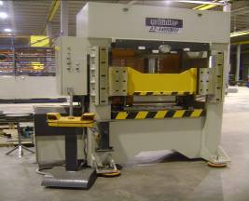
SAHINLER |  |  |  |  | TMML/MS/PP/01
 |  |  |  |  | ISSUE-01 | REV-00
 |  |  |  |  | PAGE1-1

MACHINE NAME | : | SAHINLER

MACHINE NUMBER | : | ATS-1020/100 TON

MACHINE GROUP | : | MPM_GROUP_1.1

TECHNICAL SPECIFICATIONS

MACHINE SIZE | : | 2050 x 1170 x 2785 mm

WEIGHT OF MACHINE | : | 5945 Kg

PRESS POWER | : | 100 TON

MAXIMUM PRESSURE | : | 263 bar

STROKE | : | 300 mm

WIDTH OF WORKING AREA | : | 1020 mm

DISTANCE BETWEEN TABLES | : | 500 mm

ADVANCE SPEED | : | 8 mm / Sec

WORKING SPEED | : | 5 m / Sec max.presssure

RETURN SPEED | : | 10 mm/ Sec

RAM TABLE DIMENSIONS | : | 700 x 1020 mm

DIMENSIONS OF DIE TABLE | : | 700 x 1020 mm

DIE TABLE CENTRE HOLE | : | Dia 120 mm

MOTOR POWER | : | 7.5 Kw

CAPACITY CHART | : | 25 50 75 100 125 150 175 200

 | WORKING PRESSURE (KG/CM2)

 |  |  | 12 25 38 50 63 76 88 100
 |  |  | PRESS POWER (TON)

PREPARED BY : |  | REVIEWED BY : |  | APPROVED BY :

