PRESS MASTER
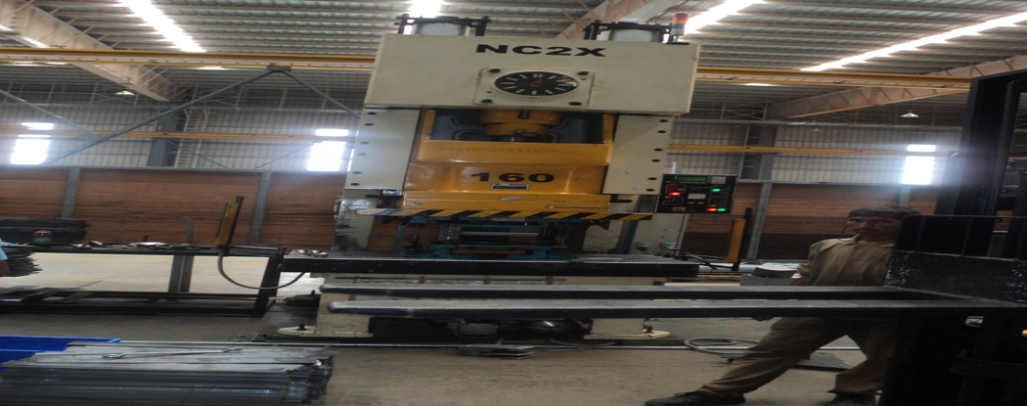
MECHANICAL PRESS MASTER |  |  |  | TMML/MS/PP/01
 |  |  |  | ISSUE-01 | REV-00
 |  |  |  | PAGE1-1

MACHINE NAME | : | MECHANICAL PRESS MASTER

MACHINE GROUP | : | MPM_GROUP_2

TECHNICAL SPECIFICATIONS

MODEL OF EQUIPMENT | : | GLX 160 T

SIZE OF MACHINE | : | 2155 X 1550 X 4070 (L X W X H)

MACHINE WEIGHT | : | 16 TONS APPROX

MACHINE CAPACITY | : | 160 TONS

TONNAGE RATING POINT (B.D.C) | : | 6.3 MM

OVERLOAD PROTECTION DEVICE | : | HYDRAULLIC OVERLOAD

LENGTH OF STRTOKE | : | 200 MM

ADJUSTMENT OF SLIDE | : | 150MM

THROAT DEPATH | : | 415 MM

BED WIDTH | : | 1400 X 800 MM

WORKING HEIGHT | : | 900+165(PACKING)+100(AV MOUNT) =1165MM

THICKNESS OF BLOSTER | : | 165 MM

CONTROL SYSTEM | : | PLC CONTROLLED

STROKES PER MINUTE | : | 45 SPM

PANEL CONTROL VOLTAGE | : | 24VDC/110VAC

SUPPLY VOLTAGE | : | 440 VAC
TOTAL CONNECTED LOAD | : | 20 KW
COMPRESSED AIR | : | 7 KG /CM²

PREPARED BY : |  | REVIEWED BY : | APPROVED BY :

