TOURING T B MC
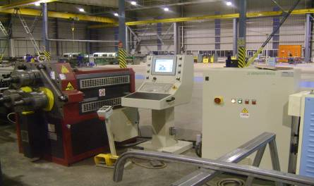
TAURING ( ALFA 70 CNC8/3W ) |  |  |  |  | TMML/MS/PP/01
 |  |  |  |  | ISSUE-01 | REV-00
 |  |  |  |  | PAGE1-1

MACHINE NAME |  | : | TAURING

MACHINE NUMBER |  | : | ALFA 70 CNC8/3W

MACHINE GROUP |  | : | TBV_GROUP_1.3

TECHNICAL SPECIFICATIONS

DRIVING SHAFTS |  | : | 3

SHAFT DIAMETER | (LXBXH) | : | 70 mm

ROLLERS ROTATION MOTOR POWER |  | : | 4.1 KW SELF BRAKING

HYDRAULLIC GEARCASE MOTOR POWER |  | : | 1.1 KW

SHAFT ROTATION SPEED |  | : | 5.5 RPM

EACH HYDRAULLI C CYLIBDER THRUST |  | : | 158 KN

STANDARD TENSION |  | : | 380V 50Hz 3phases

DIMENSIONS WITHOUT PACKING IN HORIZONTAL |  | : | 164 x 122 x 158

MACHINE WEIGHT |  | : | 1300 KG

MINIMUM BENDING |  | : | R200/220

STANDARD SHAFTS USABLE LENGTH |  | : | 160 mm

UPPER STANDARD ROLER DIAMETER |  | : | 245 mm

LOWER STANDARD LOWER DIAMETER |  | : | 245 mm

LOWERS SHAFTS CENTER DISTANCE(positioned low) |  | : | 368 mm

LOWERS SHAFTS CENTER DISTANCE(positioned at max.travel) |  | : | 319 mm

HYDRAULLIC MACHINES TOTAL POWER |  | : | 5.2 KW

BENDING NOISE INDEX |  | : | 75 dB

PREPARED BY : |  | REVIEWED BY : |  | APPROVED BY :

