MESSER
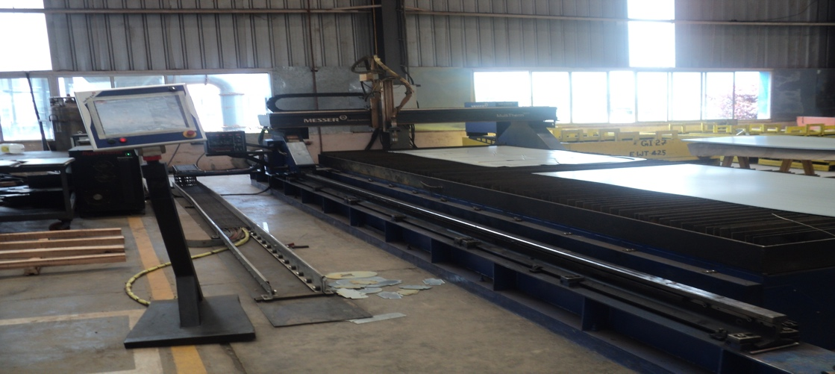
MESSER MULTITHERM PLASMA CUTTING MACHINE |  |  |  |  |  |  | TMML/MS/PP/01
 |  |  |  |  |  |  | ISSUE-01 | REV-00
 |  |  |  |  |  |  | PAGE2-2

MACHINE NAME |  |  | : | MESSER MULTITHERM

MACHINE GROUP |  |  | : | PCM_GROUP_2.1

TECHNICAL SPECIFICATIONS

MACHINE TRACK WIDTH |  |  | : | 2600 MM

MACHINE OVERALL WIDTH |  |  | : | 3670 MM

WORKING WIDTH |  |  | : | 2000 MM

MACHINE TRACK LENGTH |  |  | : | 8000 MM

MACHINE WORKING LENGTH |  |  | : | 6000 MM

OPERATING SIDE CONTROL |  |  | : | LEFT SIDE

WORKING WIDTHS |  |  | : | UPTO 3000 MM

CONNECTION VOLTAGE |  |  | : | 230 V,50/60 Hz

AMBIENT TEMPERATURE |  |  | : | † 5° C UPTO † 45° C

PROCESSOR |  |  | : | PENTIUM M 1.5 GHz OR HIGHER

CUTTING RANGE MILD STEEL (RECOMMANDED) |  |  | : | 1.5 - 20 MM

DUTY CYCLE 100 % WITH MAX.CUTTING CURRENT |  |  | : | 130 A

POWER CONSUMPTION |  |  | : | 25.3 KVA

INPUT VOLTAGE |  |  | : | 400 V,3 PH, 50 Hz

SYSTEM GAS REQUIREMENTS |  |  | : | DESCRIPTION |  | QUALITY | PRESSURE
 |  |  | : | O 2 | OXYGEN | 99.5% Pure,clean,dry,oil free | 8.3 bar
 |  |  | : | N2 | NITROGEN | 99.5% Pure,clean,dry,oil- free | 8.3 bar
 |  |  | : | AIR |  | Clean,Dry Oil -free | 8.3 bar

 |  |  | : | MATERIALS |  | MILD STEEL | ALLUMINIUM
 |  |  | : | GAS TYPES |  | PLASMA SHIELD | PLASMA | SHIELD

 |  |  | : |  |  | O 2 O2 | AIR | AIR
 |  |  | : |  |  | O 2 AIR

 |  |  | : |  |  | O 2 AIR | H35&AIR | H35&AIR

PREPARED BY : |  |  | REVIEWED BY : |  |  |  | APPROVED BY :

GASPARINI |  |  |  |  |  |  |  | TMML/MS/PP/01
 |  |  |  |  |  |  |  | ISSUE-01 | REV-00
 |  |  |  |  |  |  |  | PAGE2-2
PARAMETERS FOR 30 A CUTTING FOR MILD STEEL :
SELECT GASES |  | SET PREFLOW | SET CUT FLOW |  | MATERIAL THICKNESS | ARC VOLTAGE CUTTING SPEED | TORCH TO WORK DISTANCE | INITIAL PIERCE HEIGHT | PIERCE DELAY TIME
plasma(1) | Shield(2) | Plasma3 Shield4 | Plasma(5) | Shield (6) | mm | Volts mm/min | mm | mm | Secs
O2 | O2 |  | 92 | 15 | 0.5 | 114 5355 | 1.3 | 2.3 | 0.1
 |  |  |  |  | 0.8 | 115 4225 |  |  | 0.2
 |  | '15 |  |  | 1 | 116 3615 |  |  | 0.3
 |  | '80 |  |  | 1.2 | 117 2865
 |  |  |  |  | 1.5 | 119 2210
 |  | '35 |  | 5 | 2 | 120 1490 | 1.5 | 2.7 | 0.4
 |  |  |  |  | 2.5 | 122 1325

PARAMETERS FOR 80 A CUTTING FOR MILD STEEL :
SELECT GASES |  | SET PREFLOW | SET CUT FLOW |  | MATERIAL THICKNESS | ARC VOLTAGE CUTTING SPEED | TORCH TO WORK DISTANCE | INITIAL PIERCE HEIGHT | PIERCE DELAY TIME
plasma(1) | Shield(2) | Plasma3 Shield4 | Plasma(5) | Shield (6) | mm | Volts mm/min | mm | mm | Secs
O2 | Air |  | 72 | 30 | 2 | 112 9810 | 2.5 | 3.8 | 0.1
 |  |  |  |  | 2.5 | 115 7980
 |  |  |  |  | 3 | 117 6145 |  |  | 0.2
 |  | '50 30 |  |  | 4 | 120 4300 | 2 | 4
 |  |  |  |  | 6 | 123 3045 |  |  | 0.3
 |  |  |  | 15 | 10 | 127 1810 |  |  | 0.5
 |  |  |  |  | 12 | 130 1410 |  | 5 | 0.7

CONSUMABLES WITH PART NUMBER :
30 A CUTTING : |  |  |  | 80 A CUTTING :
DESCRIPTION |  | PART NO |  | DESCRIPTION |  | PART NO
SHIELD CAP |  | 220173 |  | SHIELD CAP |  | 220173
SHIELD |  | 220194 |  | SHIELD |  | 220189
RETAINING CAP |  | 220313 |  | RETAINING CAP |  | 220176
NOZZLE |  | 220193 |  | NOZZLE |  | 220188
SWIRL RING |  | 220180 |  | SWIRL RING |  | 220179
ELECTRODE |  | 220192 |  | ELECTRODE |  | 220187

PREPARED BY : |  |  | REVIEWED BY : |  |  |  | APPROVED BY :

