3 MTR SHEARING HHPL
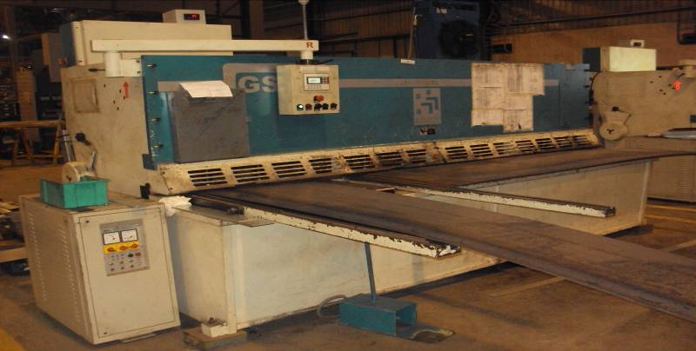
HINDUSTAN HYDRAULICS SHEARING MC |  |  |  | TMML/MS/PP/01
 |  |  |  | ISSUE-01 | REV-00
 |  |  |  | PAGE1-1

MACHINE NAME | : | HINDUSTAN HYDRAULLICS GS-6 3108

MACHINE NUMBER | : | GS-6 3108

MACHINE GROUP | : | SMC_GROUP_1.3

TECHNICAL SPECIFICATIONS

MACHINE SIZE | : | 3600x2200x1720mm

WEIGHT OF MACHINE | : | 7500 Kg

SHEARING CAPACITY | : | UTS 42kg/mm2 for MS 8mm thk 3000mm length material

MOTOR RATING | : | 15 KW

AXIS TYPE & AXIS NO | : | NC & 2

RAKE ANGLE RANGE | : | 0.5-2.5 degree

NUMBER OF STROKES/MINUTE | : | 15nos

BACKGAUGE RANGE(X AXIS) | : | 10-1000mm

POWER CONSUMPTION | : | 17KW

DIMENSION OF ALLUMINIUM PLATE | : | THICKNESS-0.6 to 6-4mm; | LENGTH:3000mm; | WIDTH:1200mm

DIMENSION OF MILD STEEL PLATE | : | THICKNESS-0.6 to 6.3mm; | LENGTH:3000mm; | WIDTH:1500mm

DIMENSION OF GI PLATE | : | THICKNESS-0.6 to 2.7mm; | LENGTH:3000mm; | WIDTH:1500mm

PANEL CONTROL VOLTAGE | : | 24V D.C / A.C

OIL TYPE | : | HYDRAULLIC OIL- 1.SHELL 2.B.P 3.CASTROL

OIL TANK CAPACITY | : | 240 LITRES

NOISE LEVEL | : | UNLOADED WORK - 65dBA | LOADED WORK - 72dBA

PREPARED BY : | REVIEWED BY : |  | APPROVED BY :

