S.BENDING durma -6mtr
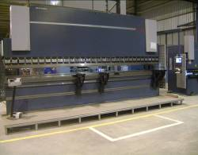
durmazlar E 30160 |  |  |  |  | TMML/MS/PP/01
 |  |  |  |  | ISSUE-01 | REV-00
 |  |  |  |  | PAGE1-1

MACHINE NAME | : | DURMAZLAR AD-S 60220

MACHINE NUMBER | : | 7347084102

MACHINE GROUP | : | PBM_GROUP_3.1

TECHNICAL SPECIFICATIONS

MACHINE SIZE | : | 6850x1800x3230 mm

WEIGHT OF MACHINE | : | 20000Kg

BENDING LENGTH | : | 6050 mm

BENDING CAPACITY | : | 220 TONS

APPROACH SPEED | : | 120 mm/sec

BENDING SPEED | : | 10 mm/sec

RETURN SPEED | : | 100 mm/sec

BENDING STROKE | : | 265 mm

THROAT DEPTH | : | 410 mm

MOTOR RATING | : | 22 KW

BENDING CAPACITY | : | O-5mm for 6050 mm length of bending

COMMAND VOLTAGE | : | 24V

OIL TYPE | : | HYDRAULLIC OIL- 1.SHELL 2.B.P 3.CASTROL

OIL TANK CAPACITY | : | 250 LITRES

NOISE LEVEL | : | UNLOADED WORK - 74dBA | LOADED WORK - 76dBA

PREPARED BY : |  | REVIEWED BY : |  | APPROVED BY :

