FLOWMECH-200TON
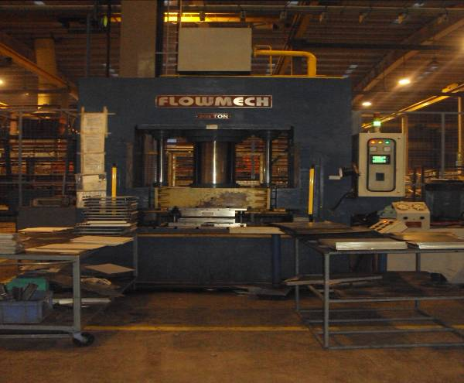
FLOW MECH PRESS MACHINE - 200 TON |  |  |  | TMML/MS/PP/01
 |  |  |  | ISSUE-01 | REV-00
 |  |  |  | PAGE1-1

MACHINE NAME - 200 TON | : | FLOW MECH - 200 TON

MACHINE NUMBER | : | FHP 200 TON

MACHINE GROUP | : | HPM_GROUP_1

TECHNICAL SPECIFICATIONS

MACHINE TYPE | : | H-FRAME TYPE,DOWN STROKE

TABLE SIZE | : | 1400 X 700 MM

MAIN CYLINDER CAPACITY | : | 200 TON

RETURN CAPACITY | : | 20 TON

STROKE | : | 600 MM

NO.OF MAIN CYLINDER | : | 1 NO.SINGLE ACTING

CYLINDER RAM DIAMETER | : | 400 MM

APPROACHING CYLINDER | : | 2 NOS SINGLE ACTING FOR FAST APPROACHING & RETURN

APPROACHING SPEED | : | 120 MM / SEC

PRESSIG SPEED | : | 20 MM / SEC

RETURN SPEED | : | 190 MM / SEC

MAXIMUM WORKING PRESSURE | : | 165 KG / CM²

MODE OF OPERATION | : | THROUGH PUSH BUTTON HAVING THE PROVISION OF "AUTO" AND "INCH" CYCLE

ELECTRIC MOTOR | : | 1 NO. 60HP + 2HP, 1440 RPM ,3 PHASE

OIL RERVOIR | : | 1 NO.600 LTRS

HYDRAULLIC OIL GRADE | : | SERVOSYSTEM 68 / ENKLO 68 / VEEDOLAVALON 68

HEAT EXCHANGER | : | 1 NO.WATER COOLED

PREPARED BY : |  | REVIEWED BY : | APPROVED BY :

